Benson 1970
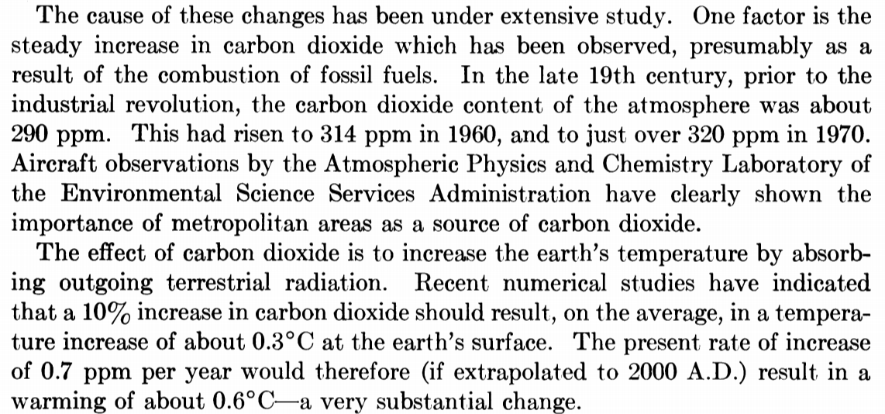
Year | CO2 | T | F (calculated) | Assuming this is based on Manabe and Wetherald (1967)? Kinda funny that you could publish a PNAS article with zero citations back in 1970!
1970 | 320 | 0 | 0
2000 | 384 | 0.6 | 0.9754203288

Nordhaus 1977
year | CO2 PPM | T | F (calculated) | http://cowles.yale.edu/sites/default/files/files/pub/d04/d0443.pdf
1974 | 321.428571 | 0.271067 | 0 | Temps based on Manabe and Wetherald 1975
1975 | 323.317308 | 0.283533 | 0.03134497539 | Own carbon calcs
1976 | 325.206044 | 0.296 | 0.06250735725
1977 | 327.09478 | 0.31367 | 0.09348927684
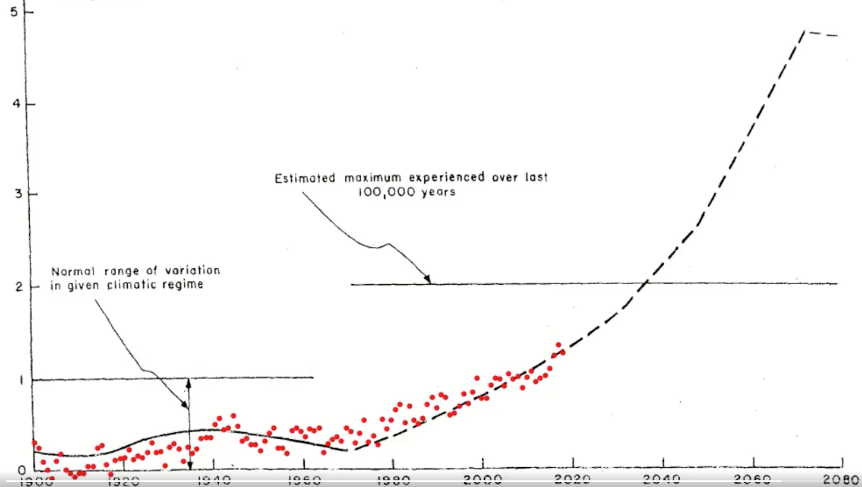
1978 | 328.983516 | 0.33134 | 0.1242928123
1979 | 330.872253 | 0.349011 | 0.1549200221
1980 | 332.760989 | 0.372176 | 0.1853728814
1981 | 334.649725 | 0.391173 | 0.21565338
1982 | 336.538462 | 0.41017 | 0.2457634737
1983 | 338.427198 | 0.429166 | 0.2757050384
1984 | 340.315934 | 0.451161 | 0.3054799656
1985 | 342.20467 | 0.473155 | 0.3350901
1986 | 344.093407 | 0.495179 | 0.3645372711
1987 | 345.982143 | 0.517202 | 0.3938232321
1988 | 347.870879 | 0.538187 | 0.4229497538
1989 | 349.759615 | 0.559172 | 0.4519185629
1990 | 351.648352 | 0.580158 | 0.4807313733
1991 | 354.578755 | 0.601143 | 0.5251299693
1992 | 357.509158 | 0.622128 | 0.5691631407
1993 | 360.43956 | 0.65832 | 0.6128368388
1994 | 363.369963 | 0.682542 | 0.6561569146
1995 | 366.300366 | 0.706765 | 0.6991290342
1996 | 369.230769 | 0.730987 | 0.7417587429
1997 | 372.161172 | 0.748429 | 0.7840514543
1998 | 375.091575 | 0.76587 | 0.8260124547
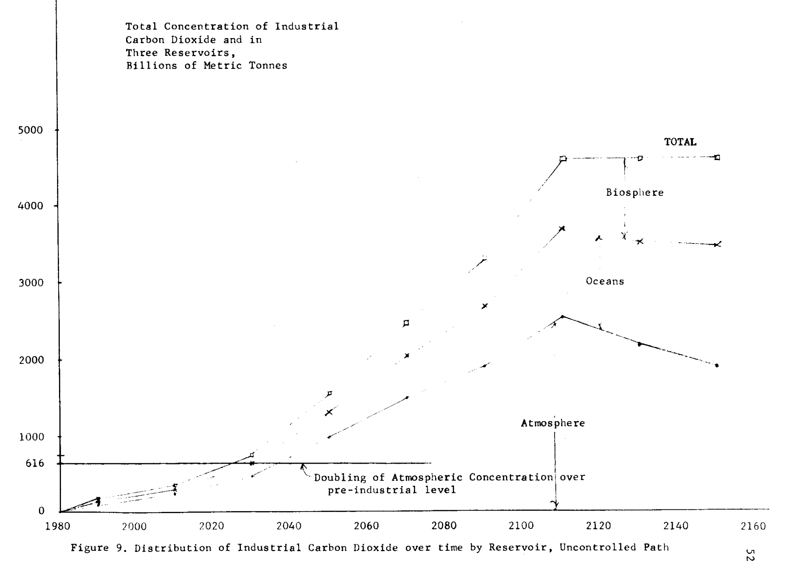
1999 | 378.021978 | 0.787457 | 0.8676469071
2000 | 380.952381 | 0.809044 | 0.9089598547
2001 | 383.882784 | 0.830631 | 0.9499562248
2002 | 386.813187 | 0.849408 | 0.9906408325
2003 | 389.74359 | 0.868184 | 1.031018384
2004 | 392.673993 | 0.901935 | 1.071093478
2005 | 395.604396 | 0.935685 | 1.110870614
2006 | 398.534799 | 0.964656 | 1.150354189
2007 | 401.465201 | 0.993627 | 1.189548491
2008 | 404.395604 | 1.022598 | 1.228457754
2009 | 407.326007 | 1.039485 | 1.267086082
2010 | 410.25641 | 1.056372 | 1.305437502
2011 | 415.270147 | 1.097813 | 1.370423473
2012 | 420.283883 | 1.122932 | 1.434629518
2013 | 425.297619 | 1.14805 | 1.498074146
2014 | 430.311355 | 1.173169 | 1.560775205
2015 | 435.325092 | 1.20238 | 1.622749936
2016 | 440.338828 | 1.23159 | 1.684014949
2017 | 445.352564 | 1.260801 | 1.744586327
2018 | 450.3663 | 1.290012 | 1.804479602

Schneider and Thompson 1981
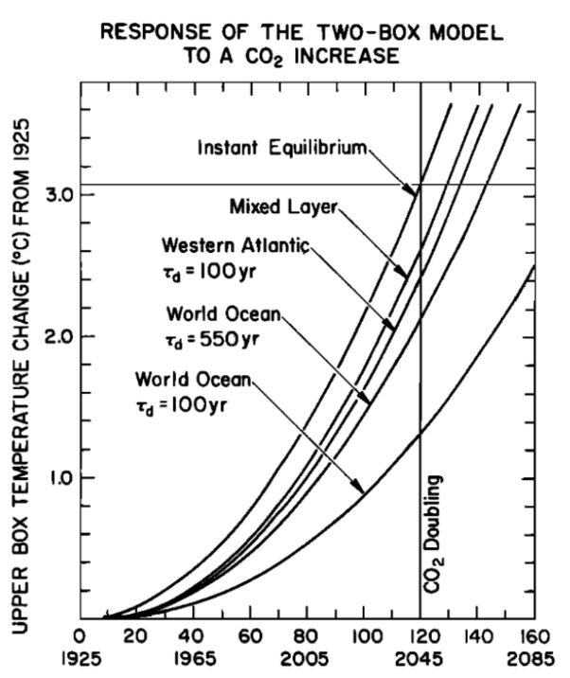
year | CO2 ppm | T | F (calculated) | Based on digitizations of the figures below, using the Td=550yr world ocean case
1925 | 300 | 0 | 0
1926 | 300.6 | 0 | 0.01068931425
1927 | 301.2 | 0 | 0.02135731379
1928 | 301.8 | 0 | 0.03200408347
1929 | 302.4 | 0 | 0.04262970762
1930 | 303 | 0 | 0.05323427006
1931 | 303.6 | 0 | 0.06381785413
1932 | 304.2 | 0 | 0.07438054265
1933 | 304.8 | 0.00028344 | 0.08492241799
1934 | 305.4 | 0.00097249 | 0.09544356199
1935 | 306 | 0.00180774 | 0.105944056
1936 | 306.6 | 0.00355529 | 0.116423981
1937 | 307.2 | 0.00546417 | 0.1268834174
1938 | 307.8 | 0.00737305 | 0.1373224451
1939 | 308.4 | 0.00900029 | 0.1477411436
1940 | 309 | 0.01031681 | 0.158139592
1941 | 309.6 | 0.01163315 | 0.1685178688
1942 | 310.2 | 0.01294949 | 0.1788760521
1943 | 310.8 | 0.01426583 | 0.1892142195
1944 | 311.4 | 0.01727155 | 0.1995324484
1945 | 312 | 0.02287347 | 0.2098308154
1946 | 312.6 | 0.02850386 | 0.2201093968
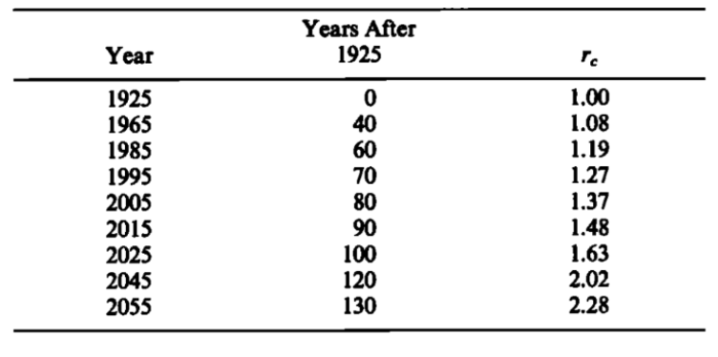
1947 | 313.2 | 0.03413426 | 0.2303682686
1948 | 313.8 | 0.0397862 | 0.2406075062
1949 | 314.4 | 0.04712196 | 0.2508271846
1950 | 315 | 0.05551541 | 0.2610273783
1951 | 315.6 | 0.06390887 | 0.2712081616
1952 | 316.2 | 0.07230233 | 0.2813696081
1953 | 316.8 | 0.08078472 | 0.2915117913
1954 | 317.4 | 0.08973252 | 0.3016347839
1955 | 318 | 0.0987475 | 0.3117386585
1956 | 318.6 | 0.10776248 | 0.3218234871
1957 | 319.2 | 0.11677746 | 0.3318893414
1958 | 319.8 | 0.12579244 | 0.3419362927
1959 | 320.4 | 0.13531096 | 0.3519644119
1960 | 321 | 0.14596029 | 0.3619737693
1961 | 321.6 | 0.15665205 | 0.3719644352
1962 | 322.2 | 0.1673438 | 0.3819364791
1963 | 322.8 | 0.17803556 | 0.3918899703
1964 | 323.4 | 0.18872732 | 0.4018249778
1965 | 324 | 0.19941908 | 0.4117415701
1966 | 325.65 | 0.21011083 | 0.4389178003
1967 | 327.3 | 0.22080259 | 0.4659566817
1968 | 328.95 | 0.23195639 | 0.4928595955
1969 | 330.6 | 0.24392685 | 0.5196279024
1970 | 332.25 | 0.25591283 | 0.5462629427
1971 | 333.9 | 0.26789882 | 0.5727660368
1972 | 335.55 | 0.27988481 | 0.5991384854
1973 | 337.2 | 0.29195382 | 0.6253815704
1974 | 338.85 | 0.30578529 | 0.6514965546
1975 | 340.5 | 0.32032559 | 0.6774846825
1976 | 342.15 | 0.33486588 | 0.7033471807
1977 | 343.8 | 0.34940618 | 0.7290852579
1978 | 345.45 | 0.36394647 | 0.7547001055
1979 | 347.1 | 0.37882231 | 0.7801928979
1980 | 348.75 | 0.39575245 | 0.8055647929
1981 | 350.4 | 0.41303184 | 0.8308169316
1982 | 352.05 | 0.43031122 | 0.8559504393
1983 | 353.7 | 0.4475906 | 0.8809664253
1984 | 355.35 | 0.46463764 | 0.9058659837
1985 | 357 | 0.48110699 | 0.9306501931
1986 | 359.4 | 0.49754913 | 0.9664962234
1987 | 361.8 | 0.51441934 | 1.002103676
1988 | 364.2 | 0.5340189 | 1.037475706
1989 | 366.6 | 0.55410114 | 1.072615405
1990 | 369 | 0.57418337 | 1.107525806
1991 | 371.4 | 0.59425502 | 1.142209882
1992 | 373.8 | 0.61430594 | 1.176670549
1993 | 376.2 | 0.63435632 | 1.210910666
1994 | 378.6 | 0.65440669 | 1.244933038
1995 | 381 | 0.67499397 | 1.278740418
1996 | 384 | 0.69666999 | 1.320701417
1997 | 387 | 0.7183775 | 1.362335868
1998 | 390 | 0.740085 | 1.403648815
1999 | 393 | 0.76179251 | 1.444645184
2000 | 396 | 0.78422428 | 1.485329791
2001 | 399 | 0.80928514 | 1.525707341
2002 | 402 | 0.83458526 | 1.565782435
2003 | 405 | 0.85988538 | 1.60555957
2004 | 408 | 0.8851855 | 1.645043144
2005 | 411 | 0.91048562 | 1.684237458
2006 | 414.3 | 0.93578573 | 1.727022128
2007 | 417.6 | 0.96108584 | 1.769467356
2008 | 420.9 | 0.98657197 | 1.811578486
2009 | 424.2 | 1.0122796 | 1.853360736
2010 | 427.5 | 1.0379877 | 1.894819203
2011 | 430.8 | 1.0636957 | 1.935958868
2012 | 434.1 | 1.0894503 | 1.976784595
2013 | 437.4 | 1.1153057 | 2.01730114
2014 | 440.7 | 1.1411647 | 2.05751315
2015 | 444 | 1.1670236 | 2.09742517
2016 | 448.5 | 1.1932591 | 2.151375207
2017 | 453 | 1.2223356 | 2.204786632
2018 | 457.5 | 1.2519978 | 2.257670094
2019 | 462 | 1.28166 | 2.310035928
2020 | 466.5 | 1.3113223 | 2.361894169
2021 | 471 | 1.3409845 | 2.413254564
2022 | 475.5 | 1.3712896 | 2.464126579
2023 | 480 | 1.4035561 | 2.514519416
2024 | 484.5 | 1.4359585 | 2.564442018
2025 | 489 | 1.468361 | 2.613903079

Hansen 1981
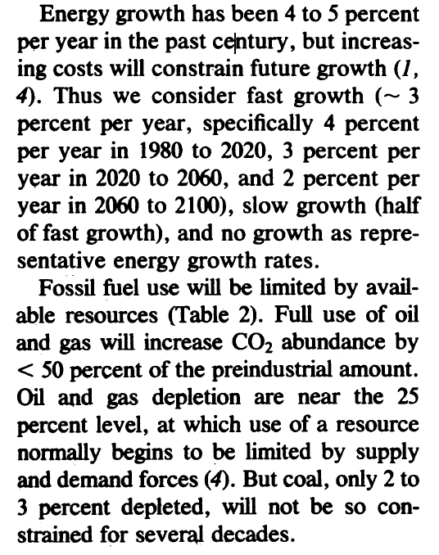
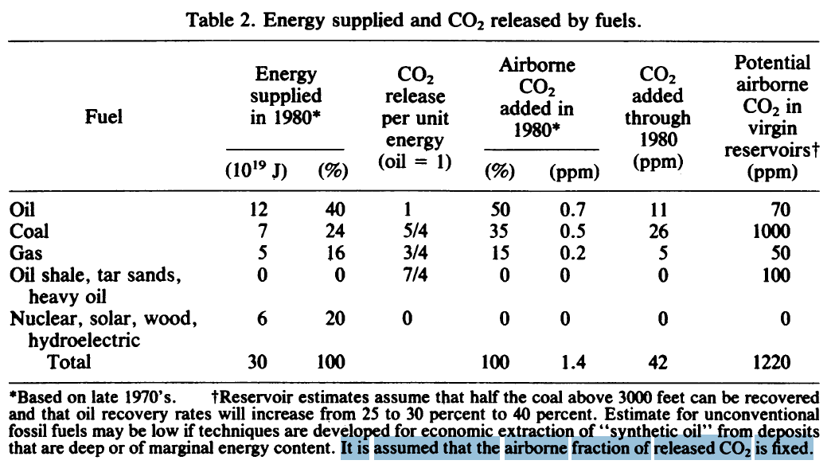
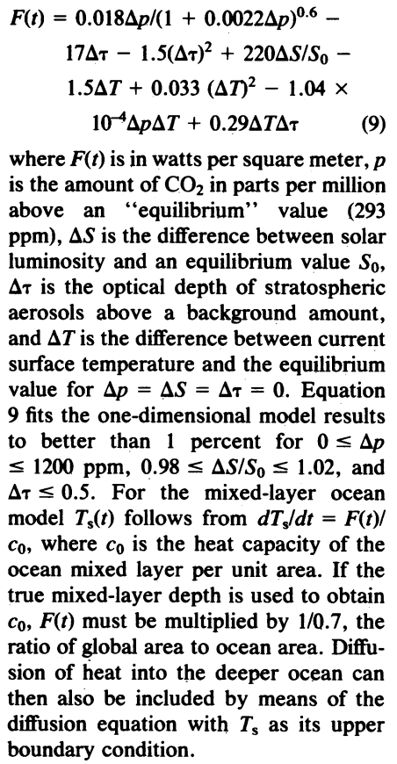
year | Scenario 1 T | Scenario 1 F | Scenario 1 CO2 PPM | Coal reserve (ppm) | Coal emissions (ppm/year) | Oil reserve (ppm) | Oil emissions (ppm/year) | Gas reserve (ppm) | Gas emissions (ppm/year) | Energy growth rate (fast) | Scenario 2a T | Scenario 2a F | Scenario 2a CO2 PPM | Coal reserve (ppm) | Coal emissions (ppm/year) | Oil reserve (ppm) | Oil emissions (ppm/year) | Gas reserve (ppm) | Gas emissions (ppm/year) | Energy growth rate (slow)
1950 | 0 | 0 | 309 |  | Red highlight = Years where coal emissions spike due to replacing depleted oil and gas |  |  |  |  |  | 0 | 0 | 309 |  | Red highlight = Years where coal emissions spike due to replacing depleted oil and gas |  |  |  |  |  | Note: Hansen et al 1981 use CO2 values pre-1980 from Broecker 1975
1951 | 0.00903613 | 0.008994065222 | 309.5 |  |  |  |  |  |  |  | 0.00903613 | 0.008994065222 | 309.5 |  |  |  |  |  |  |  |  |  |  | Summary of forcing scenarios:
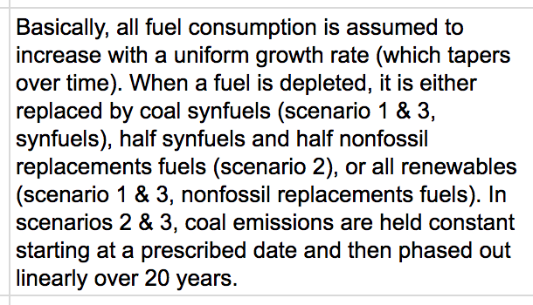
1952 | 0.01807227 | 0.01797628174 | 310 |  |  |  |  |  |  |  | 0.01807227 | 0.01797628174 | 310
1953 | 0.0271084 | 0.02694668073 | 310.5 |  |  |  |  |  |  |  | 0.0271084 | 0.02694668073 | 310.5
1954 | 0.03072286 | 0.03590529327 | 311 |  |  |  |  |  |  |  | 0.03072286 | 0.03590529327 | 311
1955 | 0.03433732 | 0.0448521503 | 311.5 |  |  |  |  |  |  |  | 0.03433732 | 0.0448521503 | 311.5
1956 | 0.03795178 | 0.05378728266 | 312 |  |  |  |  |  |  |  | 0.03795178 | 0.05378728266 | 312
1957 | 0.04156624 | 0.06271072105 | 312.5 |  |  |  |  |  |  |  | 0.04156624 | 0.06271072105 | 312.5
1958 | 0.0451807 | 0.07162249608 | 313 |  |  |  |  |  |  |  | 0.0451807 | 0.07162249608 | 313
1959 | 0.03162649 | 0.08052263822 | 313.5 |  |  |  |  |  |  |  | 0.03162649 | 0.08052263822 | 313.5
1960 | 0.01807228 | 0.08941117786 | 314 |  |  |  |  |  |  |  | 0.01807228 | 0.08941117786 | 314
1961 | 0.00451807 | 0.1036087835 | 314.8 |  |  |  |  |  |  |  | 0.00451807 | 0.1036087835 | 314.8
1962 | -0.00903614 | 0.1177768875 | 315.6 |  |  |  |  |  |  |  | -0.00903614 | 0.1177768875 | 315.6 |  |  |  |  |  |  |  |  |  |  | Solar and aerosols:
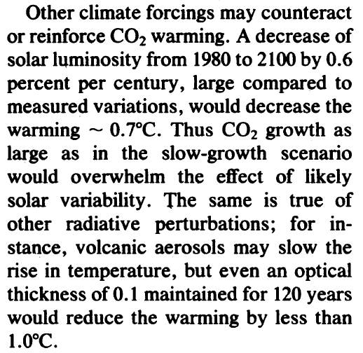
1963 | -0.02409639 | 0.1319156123 | 316.4 |  |  |  |  |  |  |  | -0.02409639 | 0.1319156123 | 316.4
1964 | -0.03915665 | 0.1460250798 | 317.2 |  |  |  |  |  |  |  | -0.03915665 | 0.1460250798 | 317.2
1965 | -0.0542169 | 0.1601054111 | 318 |  |  |  |  |  |  |  | -0.0542169 | 0.1601054111 | 318
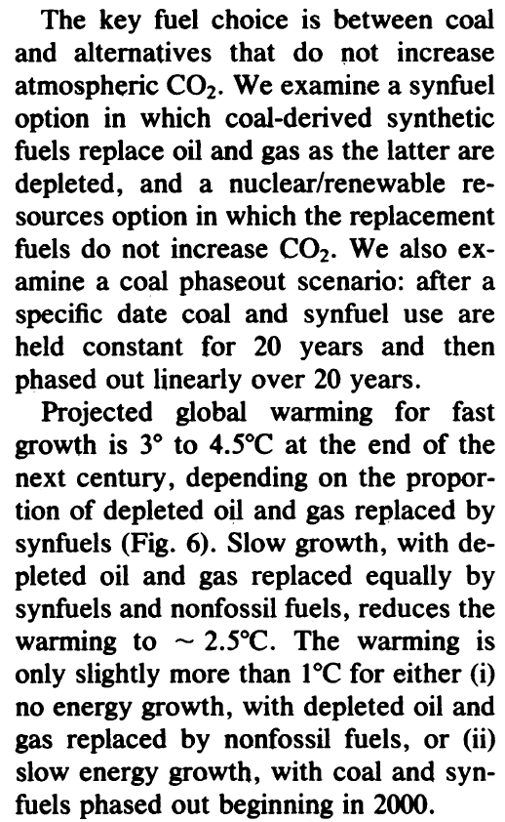
1966 | -0.04518075 | 0.1741567266 | 318.8 |  |  |  |  |  |  |  | -0.04518075 | 0.1741567266 | 318.8
1967 | -0.0361446 | 0.1881791459 | 319.6 |  |  |  |  |  |  |  | -0.0361446 | 0.1881791459 | 319.6
1968 | -0.02710845 | 0.2021727881 | 320.4 |  |  |  |  |  |  |  | -0.02710845 | 0.2021727881 | 320.4
1969 | -0.0180723 | 0.2161377713 | 321.2 |  |  |  |  |  |  |  | -0.0180723 | 0.2161377713 | 321.2
1970 | -0.01626507 | 0.2300742131 | 322 |  |  |  |  |  |  |  | -0.01626507 | 0.2300742131 | 322
1971 | -0.01445784 | 0.2526603586 | 323.3 |  |  |  |  |  |  |  | -0.01445784 | 0.2526603586 | 323.3
1972 | -0.0126506 | 0.2751719427 | 324.6 |  |  |  |  |  |  |  | -0.0126506 | 0.2751719427 | 324.6 |  |  |  |  |  |  |  |  | Conventional CO2 forcing | Hansen's CO2 forcing
1973 | -0.01084337 | 0.2976094584 | 325.9 |  |  |  |  |  |  |  | -0.01084337 | 0.2976094584 | 325.9 |  |  |  |  |  |  |  |  | 1.705387148 | 1.738570206
1974 | -0.00903614 | 0.3199733937 | 327.2 |  |  |  |  |  |  |  | -0.00903614 | 0.3199733937 | 327.2
1975 | -0.00301205 | 0.342264232 | 328.5 |  |  |  |  |  |  |  | -0.00301205 | 0.342264232 | 328.5
1976 | 0.00301204 | 0.3644824523 | 329.8 |  |  |  |  |  |  |  | 0.00301204 | 0.3644824523 | 329.8
1977 | 0.00903613 | 0.3866285287 | 331.1 |  |  |  |  |  |  |  | 0.00903613 | 0.3866285287 | 331.1
1978 | 0.01506022 | 0.4087029314 | 332.4 |  |  |  |  |  |  |  | 0.01506022 | 0.4087029314 | 332.4
1979 | 0.02108431 | 0.4307061256 | 333.7 |  |  |  |  |  |  |  | 0.02108431 | 0.4307061256 | 333.7
1980 | 0.0271084 | 0.4526385724 | 335 | 1000 | 0.5 | 70 | 0.7 | 50 | 0.2 |  | 0.0271084 | 0.4526385724 | 335 | 1000 | 0.5 | 70 | 0.7 | 50 | 0.2
1981 | 0.0384036 | 0.4771194855 | 336.456 | 999.48 | 0.52 | 69.272 | 0.728 | 49.792 | 0.208 | 0.04 | 0.0384036 | 0.4766495263 | 336.428 | 999.49 | 0.51 | 69.286 | 0.714 | 49.796 | 0.204 | 0.02
1982 | 0.0496988 | 0.5024867847 | 337.97024 | 998.9392 | 0.5408 | 68.51488 | 0.75712 | 49.57568 | 0.21632 | 0.04 | 0.0496988 | 0.5010539457 | 337.88456 | 998.9698 | 0.5202 | 68.55772 | 0.72828 | 49.58792 | 0.20808 | 0.02
1983 | 0.060994 | 0.5287690991 | 339.5450496 | 998.376768 | 0.562432 | 67.7274752 | 0.7874048 | 49.3507072 | 0.2249728 | 0.04 | 0.060994 | 0.5258568437 | 339.3702512 | 998.439196 | 0.530604 | 67.8148744 | 0.7428456 | 49.3756784 | 0.2122416 | 0.02
1984 | 0.0722892 | 0.5559957307 | 341.1828516 | 997.7918387 | 0.58492928 | 66.90857421 | 0.818900992 | 49.11673549 | 0.233971712 | 0.04 | 0.0722892 | 0.551063251 | 340.8856562 | 997.8979799 | 0.54121608 | 67.05717189 | 0.757702512 | 49.15919197 | 0.216486432 | 0.02
1985 | 0.08519803 | 0.5841966512 | 342.8861656 | 997.1835123 | 0.6083264512 | 66.05691718 | 0.8516570317 | 48.87340491 | 0.2433305805 | 0.04 | 0.08519803 | 0.5766782139 | 342.4313693 | 997.3459395 | 0.5520404016 | 66.28431533 | 0.7728565622 | 48.93837581 | 0.2208161606 | 0.02
1986 | 0.09810686 | 0.6134024984 | 344.6576123 | 996.5508528 | 0.6326595092 | 65.17119386 | 0.8857233129 | 48.6203411 | 0.2530638037 | 0.04 | 0.09923706 | 0.6027067931 | 344.0079967 | 996.7828583 | 0.5630812096 | 65.49600163 | 0.7883136935 | 48.71314332 | 0.2252324839 | 0.02
1987 | 0.11101569 | 0.6436445703 | 346.4999168 | 995.8928869 | 0.6579658896 | 64.25004162 | 0.9211522455 | 48.35715475 | 0.2631863558 | 0.04 | 0.10972261 | 0.6291540622 | 345.6161567 | 996.2085155 | 0.5743428338 | 64.69192166 | 0.8040799674 | 48.48340619 | 0.2297371335 | 0.02
1988 | 0.12392451 | 0.6749548172 | 348.4159134 | 995.2086023 | 0.6842845252 | 63.29204328 | 0.9579983353 | 48.08344094 | 0.2737138101 | 0.04 | 0.11933682 | 0.6560251057 | 347.2564798 | 995.6226858 | 0.5858296905 | 63.8717601 | 0.8201615667 | 48.24907431 | 0.2343318762 | 0.02
1989 | 0.13683334 | 0.7073658328 | 350.40855 | 994.4969464 | 0.7116559062 | 62.29572501 | 0.9963182687 | 47.79877858 | 0.2846623625 | 0.04 | 0.12895758 | 0.6833250177 | 348.9296094 | 995.0251395 | 0.5975462843 | 63.0351953 | 0.836564798 | 48.0100558 | 0.2390185137 | 0.02
1990 | 0.14974217 | 0.7409108424 | 352.480892 | 993.7568243 | 0.7401221425 | 61.25955401 | 1.036170999 | 47.50272972 | 0.296048857 | 0.04 | 0.1420375 | 0.7110588999 | 350.6362016 | 994.4156423 | 0.60949721 | 62.18189921 | 0.853296094 | 47.76625692 | 0.243798884 | 0.02
1991 | 0.162651 | 0.7756236898 | 354.6361276 | 992.9870973 | 0.7697270282 | 60.18193618 | 1.077617839 | 47.19483891 | 0.3078908113 | 0.04 | 0.15209556 | 0.7392318599 | 352.3769256 | 993.7939551 | 0.6216871542 | 61.31153719 | 0.8703620159 | 47.51758205 | 0.2486748617 | 0.02
1992 | 0.17620517 | 0.8115388214 | 356.8775728 | 992.1865812 | 0.8005161093 | 59.06121362 | 1.120722553 | 46.87463246 | 0.3202064437 | 0.04 | 0.16215363 | 0.7678490099 | 354.1524641 | 993.1598342 | 0.6341208973 | 60.42376793 | 0.8877692562 | 47.2639337 | 0.2536483589 | 0.02
1993 | 0.18975933 | 0.8486912686 | 359.2086757 | 991.3540444 | 0.8325367537 | 57.89566217 | 1.165551455 | 46.54161776 | 0.3330147015 | 0.04 | 0.17960662 | 0.7969154639 | 355.9635134 | 992.5130309 | 0.6468033152 | 59.51824329 | 0.9055246413 | 47.00521237 | 0.2587213261 | 0.02
1994 | 0.2033135 | 0.8871166275 | 361.6330227 | 990.4882062 | 0.8658382238 | 56.68348865 | 1.212173513 | 46.19528247 | 0.3463352895 | 0.04 | 0.19094386 | 0.8264363367 | 357.8107837 | 991.8532915 | 0.6597393815 | 58.59460816 | 0.9236351341 | 46.74131662 | 0.2638957526 | 0.02
1995 | 0.21686767 | 0.9268510366 | 364.1543436 | 989.5877344 | 0.9004717528 | 55.4228282 | 1.260660454 | 45.83509377 | 0.3601887011 | 0.04 | 0.20228109 | 0.8564167417 | 359.6949994 | 991.1803574 | 0.6729341692 | 57.65250032 | 0.9421078368 | 46.47214295 | 0.2691736677 | 0.02
1996 | 0.23042183 | 0.9679311519 | 366.7765173 | 988.6512438 | 0.9364906229 | 54.11174133 | 1.311086872 | 45.46049752 | 0.3745962491 | 0.04 | 0.215361 | 0.8868617887 | 361.6168993 | 990.4939645 | 0.6863928525 | 56.69155033 | 0.9609499936 | 46.19758581 | 0.274557141 | 0.02
1997 | 0.243976 | 1.010394119 | 369.503578 | 987.6772936 | 0.9739502478 | 52.74821098 | 1.363530347 | 45.07091742 | 0.3895800991 | 0.04 | 0.22844091 | 0.9177765824 | 363.5772373 | 989.7938438 | 0.7001207096 | 55.71138133 | 0.9801689934 | 45.91753752 | 0.2800482838 | 0.02
1998 | 0.26054233 | 1.054277543 | 372.3397212 | 986.6643853 | 1.012908258 | 51.33013942 | 1.418071561 | 44.66575412 | 0.4051633031 | 0.04 | 0.24325368 | 0.9491662201 | 365.5767821 | 989.0797207 | 0.7141231238 | 54.71160896 | 0.9997723733 | 45.63188827 | 0.2856492495 | 0.02
1999 | 0.27710867 | 1.099619458 | 375.28931 | 985.6109607 | 1.053424588 | 49.855345 | 1.474794423 | 44.24438428 | 0.4213698352 | 0.04 | 0.25806645 | 0.9810357896 | 367.6163177 | 988.3513151 | 0.7284055863 | 53.69184114 | 1.019767821 | 45.34052604 | 0.2913622345 | 0.02
2000 | 0.293675 | 1.146458289 | 378.3568824 | 984.5153991 | 1.095561572 | 48.3215588 | 1.5337862 | 43.80615966 | 0.4382246286 | 0.04 | 0.2702783 | 1.013390367 | 369.6966441 | 987.6083414 | 0.742973698 | 52.65167796 | 1.040163177 | 45.04333656 | 0.2971894792 | 0.02
2001 | 0.31024133 | 1.194832814 | 381.5471577 | 983.3760151 | 1.139384034 | 46.72642115 | 1.595137648 | 43.35040604 | 0.4557536138 | 0.04 | 0.28249015 | 1.046235016 | 371.818577 | 986.8505082 | 0.7578331719 | 51.59071152 | 1.060966441 | 44.74020329 | 0.3031332688 | 0.02
2002 | 0.32680767 | 1.244782126 | 384.865044 | 982.1910557 | 1.184959396 | 45.06747799 | 1.658943154 | 42.87642228 | 0.4739837583 | 0.04 | 0.294702 | 1.079574784 | 373.9829485 | 986.0775184 | 0.7729898354 | 50.50852575 | 1.08218577 | 44.43100736 | 0.3091959342 | 0.02
2003 | 0.343374 | 1.296345591 | 388.3156458 | 980.9586979 | 1.232357772 | 43.34217711 | 1.72530088 | 42.38347918 | 0.4929431086 | 0.04 | 0.31038282 | 1.113414699 | 376.1906075 | 985.2890688 | 0.7884496321 | 49.40469627 | 1.103829485 | 44.11562751 | 0.3153798528 | 0.02
2004 | 0.36445833 | 1.349562795 | 391.9042716 | 979.6770459 | 1.281652082 | 41.5478642 | 1.794312915 | 41.87081834 | 0.512660833 | 0.04 | 0.32606363 | 1.147759773 | 378.4424196 | 984.4848501 | 0.8042186247 | 48.27879019 | 1.125906075 | 43.79394006 | 0.3216874499 | 0.02
2005 | 0.38554267 | 1.404473505 | 395.6364425 | 978.3441277 | 1.332918166 | 39.68177877 | 1.866085432 | 41.33765108 | 0.5331672663 | 0.04 | 0.34348168 | 1.182614991 | 380.739268 | 983.6645471 | 0.8203029972 | 47.130366 | 1.148424196 | 43.46581886 | 0.3281211989 | 0.02
2006 | 0.406627 | 1.461117614 | 399.5179002 | 976.9578928 | 1.386234892 | 37.74104992 | 1.940728849 | 40.78315712 | 0.5544939569 | 0.04 | 0.36089972 | 1.217985317 | 383.0820534 | 982.8278381 | 0.8367090572 | 45.95897332 | 1.17139268 | 43.13113523 | 0.3346836229 | 0.02
2007 | 0.42771133 | 1.519535088 | 403.5546162 | 975.5162085 | 1.441684288 | 35.72269191 | 2.018358003 | 40.2064834 | 0.5766737152 | 0.04 | 0.37831777 | 1.253875688 | 385.4716944 | 981.9743948 | 0.8534432383 | 44.76415278 | 1.194820534 | 42.78975794 | 0.3413772953 | 0.02
2008 | 0.44879567 | 1.57976591 | 407.7528008 | 974.0168569 | 1.49935166 | 33.62359959 | 2.099092323 | 39.60674274 | 0.5997406638 | 0.04 | 0.39108867 | 1.290291013 | 387.9091283 | 981.1038827 | 0.8705121031 | 43.54543584 | 1.218716944 | 42.4415531 | 0.3482048412 | 0.02
2009 | 0.46988 | 1.641850029 | 412.1189129 | 972.4575311 | 1.559325726 | 31.44054357 | 2.183056016 | 38.98301245 | 0.6237302904 | 0.04 | 0.40385958 | 1.327236167 | 390.3953109 | 980.2159604 | 0.8879223451 | 42.30234456 | 1.243091283 | 42.08638416 | 0.3551689381 | 0.02
2010 | 0.49698833 | 1.705827293 | 416.6596694 | 970.8358324 | 1.621698755 | 29.17016532 | 2.270378257 | 38.33433295 | 0.648679502 | 0.04 | 0.41663048 | 1.364715995 | 392.9312171 | 979.3102796 | 0.9056807921 | 41.03439145 | 1.267953109 | 41.72411184 | 0.3622723168 | 0.02
2011 | 0.52409667 | 1.771737393 | 421.3820561 | 969.1492657 | 1.686566705 | 26.80897193 | 2.361193387 | 37.65970627 | 0.6746266821 | 0.04 | 0.43519721 | 1.402735306 | 395.5178414 | 978.3864852 | 0.9237944079 | 39.74107928 | 1.293312171 | 41.35459408 | 0.3695177632 | 0.02
2012 | 0.551205 | 1.839619801 | 426.2933384 | 967.3952363 | 1.754029373 | 24.35333081 | 2.455641123 | 36.95809452 | 0.7016117494 | 0.04 | 0.45376393 | 1.44129887 | 398.1561983 | 977.4442149 | 0.9422702961 | 38.42190086 | 1.319178414 | 40.97768596 | 0.3769081184 | 0.02
2013 | 0.5783135 | 1.909513706 | 431.4010719 | 965.5710457 | 1.824190548 | 21.79946404 | 2.553866768 | 36.2284183 | 0.7296762193 | 0.04 | 0.47233066 | 1.480411418 | 400.8473222 | 976.4830992 | 0.961115702 | 37.07633888 | 1.345561983 | 40.59323968 | 0.3844462808 | 0.02
2014 | 0.605422 | 1.98145795 | 436.7131148 | 963.6738876 | 1.89715817 | 19.1434426 | 2.656021438 | 35.46955503 | 0.7588632681 | 0.04 | 0.49928321 | 1.520077641 | 403.5922687 | 975.5027612 | 0.980338016 | 35.70386566 | 1.372473222 | 40.20110447 | 0.3921352064 | 0.02
2015 | 0.6325305 | 2.055490963 | 442.2376394 | 961.7008431 | 1.973044497 | 16.38118031 | 2.762262296 | 34.68033723 | 0.7892177988 | 0.04 | 0.52623576 | 1.560302183 | 406.3921141 | 974.5028164 | 0.9999447763 | 34.30394297 | 1.399922687 | 39.80112656 | 0.3999779105 | 0.02
2016 | 0.659639 | 2.1316507 | 447.983145 | 959.6488768 | 2.051966277 | 13.50842752 | 2.872752788 | 33.85955072 | 0.8207865108 | 0.04 | 0.54015317 | 1.601089641 | 409.2479563 | 973.4828727 | 1.019943672 | 32.87602183 | 1.427921141 | 39.39314909 | 0.4079774687 | 0.02
2017 | 0.69578333 | 2.209974572 | 453.9584708 | 957.5148319 | 2.134044928 | 10.52076462 | 2.987662899 | 33.00593275 | 0.8536179712 | 0.04 | 0.55407059 | 1.642444568 | 412.1609155 | 972.4425302 | 1.040342545 | 31.41954227 | 1.456479563 | 38.97701208 | 0.4161370181 | 0.02
2018 | 0.73192767 | 2.290499387 | 460.1728096 | 955.2954251 | 2.219406725 | 7.413595203 | 3.107169415 | 32.11817006 | 0.8877626901 | 0.04 | 0.567988 | 1.684371461 | 415.1321338 | 971.3813808 | 1.061149396 | 29.93393311 | 1.485609155 | 38.55255232 | 0.4244597585 | 0.02
2019 | 0.768072 | 2.37326128 | 466.635722 | 952.9872422 | 2.308182994 | 4.182139011 | 3.231456192 | 31.19489686 | 0.9232731977 | 0.04 | 0.5914519 | 1.726874768 | 418.1627765 | 970.2990084 | 1.082372384 | 28.41861177 | 1.515321338 | 38.11960336 | 0.4329489536 | 0.02
2020 | 0.81325267 | 2.457482976 | 473.2925217 | 950.6098137 | 2.377428484 | 0.8537391335 | 3.328399878 | 30.24392547 | 0.9509713936 | 0.03 | 0.6149158 | 1.769748341 | 421.2388788 | 969.2004004 | 1.09860797 | 26.88056062 | 1.538051158 | 37.68016018 | 0.439443188 | 0.015
2021 | 0.85843333 | 2.562844251 | 481.7350126 | 944.0005625 | 6.609251186 | 0 | 0.8537391335 | 29.26442493 | 0.9795005354 | 0.03 |  | 1.812993173 | 424.3611226 | 968.0853134 | 1.115087089 | 25.31943869 | 1.561121925 | 37.23412534 | 0.4460348358 | 0.015
2022 | 0.903614 | 2.65898467 | 489.5514269 | 937.1930338 | 6.807528721 | 0 | 0 | 28.25553938 | 1.008885551 | 0.03 |  | 1.856610229 | 427.5302001 | 966.9535 | 1.131813396 | 23.73489994 | 1.584538754 | 36.78139998 | 0.4527253583 | 0.015
2023 | 0.944278 | 2.756636424 | 497.6023336 | 930.1812792 | 7.011754583 | 0 | 0 | 27.21638726 | 1.039152118 | 0.03 |  | 1.900600438 | 430.7468138 | 965.8047094 | 1.148790597 | 22.1265931 | 1.608306835 | 36.32188374 | 0.4595162387 | 0.015
2024 | 0.984942 | 2.855803553 | 505.8947675 | 922.959172 | 7.22210722 | 0 | 0 | 26.14606058 | 1.070326682 | 0.03 |  | 1.944964703 | 434.0116767 | 964.6386869 | 1.166022456 | 20.49416166 | 1.632431438 | 35.85547476 | 0.4664089823 | 0.015
2025 | 1.025606 | 2.956489655 | 514.4359744 | 915.5204015 | 7.438770437 | 0 | 0 | 25.0436241 | 1.102436482 | 0.03 |  | 1.989703894 | 437.3255125 | 963.4551741 | 1.183512792 | 18.83724375 | 1.656917909 | 35.38206964 | 0.473405117 | 0.015
2026 | 1.06627 | 3.058697906 | 523.2334175 | 907.858468 | 7.66193355 | 0 | 0 | 23.90811452 | 1.135509576 | 0.03 |  | 2.03481885 | 440.6890558 | 962.2539086 | 1.201265484 | 17.15547208 | 1.681771678 | 34.90156345 | 0.4805061938 | 0.015
2027 | 1.11145 | 3.162431063 | 532.2947839 | 899.9666764 | 7.891791556 | 0 | 0 | 22.73853966 | 1.169574864 | 0.03 |  | 2.080310379 | 444.1030524 | 961.0346242 | 1.219284467 | 15.44847382 | 1.706998253 | 34.41384966 | 0.4877137867 | 0.015
2028 | 1.15663 | 3.267691482 | 541.6279913 | 891.8381311 | 8.128545303 | 0 | 0 | 21.53387755 | 1.20466211 | 0.03 |  | 2.126179259 | 447.5682588 | 959.7970504 | 1.237573734 | 13.71587059 | 1.732603227 | 33.91882017 | 0.4950294935 | 0.015
2029 | 1.20181 | 3.374481132 | 551.241195 | 883.4657294 | 8.372401662 | 0 | 0 | 20.29307558 | 1.240801973 | 0.03 |  | 2.172426236 | 451.0854434 | 958.5409131 | 1.25613734 | 11.95727832 | 1.758592276 | 33.41636523 | 0.5024549359 | 0.015
2030 | 1.2530133 | 3.482801612 | 561.1427947 | 874.8421557 | 8.623573712 | 0 | 0 | 19.01504954 | 1.278026032 | 0.03 |  | 2.219052027 | 454.6553857 | 957.2659337 | 1.2749794 | 10.17230716 | 1.78497116 | 32.90637347 | 0.5099917599 | 0.015
2031 | 1.3042167 | 3.592654164 | 571.3414425 | 865.9598748 | 8.882280924 | 0 | 0 | 17.69868273 | 1.316366813 | 0.03 |  | 2.266057317 | 458.2788771 | 955.9718296 | 1.294104091 | 8.360561433 | 1.811745727 | 32.38873184 | 0.5176416363 | 0.015
2032 | 1.35542 | 3.704039696 | 581.8460496 | 856.8111255 | 9.148749351 | 0 | 0 | 16.34282491 | 1.355857818 | 0.03 |  | 2.313442762 | 461.956721 | 954.6583139 | 1.313515652 | 6.52163952 | 1.838921913 | 31.86332558 | 0.5254062608 | 0.015
2033 | 1.4006 | 3.816958798 | 592.665795 | 847.3879136 | 9.423211832 | 0 | 0 | 14.94629136 | 1.396533552 | 0.03 |  | 2.361208985 | 465.6897324 | 953.3250956 | 1.333218387 | 4.655133778 | 1.866505742 | 31.33003822 | 0.5332873548 | 0.015
2034 | 1.44578 | 3.931411766 | 603.8101328 | 837.6820054 | 9.705908187 | 0 | 0 | 13.5078618 | 1.438429559 | 0.03 |  | 2.409356582 | 469.4787391 | 951.9718789 | 1.353216663 | 2.76063045 | 1.894503328 | 30.78875156 | 0.5412866651 | 0.015
2035 | 1.49096 | 4.04739862 | 615.2888006 | 827.68492 | 9.997085432 | 0 | 0 | 12.02627936 | 1.481582445 | 0.03 |  | 2.457886117 | 473.3245809 | 950.598364 | 1.373514913 | 0.8377095727 | 1.922920878 | 30.23934559 | 0.5494059651 | 0.015
2036 | 1.53614 | 4.164919129 | 627.1118285 | 817.387922 | 10.296998 | 0 | 0 | 10.50024944 | 1.526029919 | 0.03 |  | 2.507893945 | 477.3158807 | 948.0024208 | 2.595943185 | 0 | 0.8377095727 | 29.68169854 | 0.5576470545 | 0.015
2037 | 1.6024067 | 4.283972836 | 639.2895473 | 806.7820141 | 10.60590794 | 0 | 0 | 8.928438621 | 1.571810816 | 0.03 |  | 2.547739358 | 480.5167748 | 945.3675385 | 2.634882333 | 0 | 0 | 29.11568678 | 0.5660117603 | 0.015
2038 | 1.6686733 | 4.404559077 | 651.8325976 | 795.8579289 | 10.92408517 | 0 | 0 | 7.309473481 | 1.618965141 | 0.03 |  | 2.587949532 | 483.7656823 | 942.6931329 | 2.674405568 | 0 | 0 | 28.54118484 | 0.5745019368 | 0.015
2039 | 1.73494 | 4.526677011 | 664.7519394 | 784.6061212 | 11.25180773 | 0 | 0 | 5.641939386 | 1.667534095 | 0.03 |  | 2.628525794 | 487.0633234 | 939.9786112 | 2.714521651 | 0 | 0 | 27.95806537 | 0.5831194658 | 0.015
2040 | 1.793675 | 4.650325645 | 678.0588615 | 773.0167592 | 11.58936196 | 0 | 0 | 3.924379268 | 1.717560118 | 0.03 |  | 2.66946944 | 490.4104291 | 937.2233718 | 2.755239476 | 0 | 0 | 27.36619912 | 0.5918662578 | 0.015
2041 | 1.85241 | 4.775503857 | 691.7649913 | 761.0797164 | 11.93704282 | 0 | 0 | 2.155292346 | 1.769086921 | 0.03 |  | 2.710781742 | 493.8077414 | 934.4268037 | 2.796568068 | 0 | 0 | 26.76545487 | 0.6007442517 | 0.015
2042 | 1.911145 | 4.902210428 | 705.8823049 | 748.7845623 | 12.2951541 | 0 | 0 | 0.3331328174 | 1.822159529 | 0.03 |  | 2.752463942 | 497.2560134 | 931.5882871 | 2.838516589 | 0 | 0 | 26.15569945 | 0.6097554154 | 0.015
2043 | 1.96988 | 5.043485555 | 721.916379 | 733.083621 | 15.70094128 | 0 | 0 | 0 | 0.3331328174 | 0.03 |  | 2.794517259 | 500.7560095 | 928.7071928 | 2.881094338 | 0 | 0 | 25.5367977 | 0.6189017467 | 0.015
2044 | 2.0180733 | 5.183250827 | 738.0883485 | 716.9116515 | 16.17196951 | 0 | 0 | 0 | 0 | 0.03 |  | 2.83694288 | 504.3085055 | 925.782882 | 2.924310753 | 0 | 0 | 24.90861243 | 0.6281852729 | 0.015
2045 | 2.0662667 | 5.324466714 | 754.7454771 | 700.2545229 | 16.6571286 | 0 | 0 | 0 | 0 | 0.03 |  | 2.879741968 | 507.914289 | 922.8147066 | 2.968175414 | 0 | 0 | 24.27100438 | 0.637608052 | 0.015
2046 | 2.11446 | 5.467130528 | 771.9023195 | 683.0976805 | 17.15684246 | 0 | 0 | 0 | 0 | 0.03 |  | 2.922915656 | 511.5741592 | 919.8020086 | 3.012698045 | 0 | 0 | 23.62383221 | 0.6471721727 | 0.015
2047 | 2.1656633 | 5.611239803 | 789.5738673 | 665.4261327 | 17.67154773 | 0 | 0 | 0 | 0 | 0.03 |  | 2.966465052 | 515.2889275 | 916.74412 | 3.057888516 | 0 | 0 | 22.96695245 | 0.6568797553 | 0.015
2048 | 2.2168667 | 5.756792322 | 807.7755614 | 647.2244386 | 18.20169416 | 0 | 0 | 0 | 0 | 0.03 |  | 3.010391234 | 519.0594173 | 913.6403632 | 3.103756844 | 0 | 0 | 22.3002195 | 0.6667329517 | 0.015
2049 | 2.26807 | 5.903786145 | 826.5233064 | 628.4766936 | 18.74774499 | 0 | 0 | 0 | 0 | 0.03 |  | 3.054695254 | 522.8864644 | 910.49005 | 3.150313197 | 0 | 0 | 21.62348555 | 0.6767339459 | 0.015
2050 | 2.3245475 | 6.05221963 | 845.8334838 | 609.1665162 | 19.31017734 | 0 | 0 | 0 | 0 | 0.03 |  | 3.099378134 | 526.7709173 | 907.2924821 | 3.197567895 | 0 | 0 | 20.9366006 | 0.6868849551 | 0.015
2051 | 2.381025 | 6.202091466 | 865.7229664 | 589.2770336 | 19.88948266 | 0 | 0 | 0 | 0 | 0.03 |  | 3.144440872 | 530.7136369 | 904.0469507 | 3.245531413 | 0 | 0 | 20.23941237 | 0.6971882294 | 0.015
2052 | 2.4375025 | 6.353400691 | 886.2091336 | 568.7908664 | 20.48616714 | 0 | 0 | 0 | 0 | 0.03 |  | 3.189884435 | 534.7154974 | 900.7527363 | 3.294214384 | 0 | 0 | 19.53176632 | 0.7076460529 | 0.015
2053 | 2.49398 | 6.506146718 | 907.3098857 | 547.6901143 | 21.10075215 | 0 | 0 | 0 | 0 | 0.03 |  | 3.235709763 | 538.7773857 | 897.4091087 | 3.3436276 | 0 | 0 | 18.81350557 | 0.7182607437 | 0.015
2054 | 2.53916 | 6.660329357 | 929.0436604 | 525.9563396 | 21.73377472 | 0 | 0 | 0 | 0 | 0.03 |  | 3.281917771 | 542.9002024 | 894.0153267 | 3.393782014 | 0 | 0 | 18.08447092 | 0.7290346548 | 0.015
2055 | 2.58434 | 6.81594884 | 951.4294484 | 503.5705516 | 22.38578796 | 0 | 0 | 0 | 0 | 0.03 |  | 3.328509343 | 547.0848613 | 890.570638 | 3.444688744 | 0 | 0 | 17.34450074 | 0.7399701747 | 0.015
2056 | 2.62952 | 6.973005836 | 974.48681 | 480.51319 | 23.0573616 | 0 | 0 | 0 | 0 | 0.03 |  | 3.375485339 | 551.3322901 | 887.0742789 | 3.496359075 | 0 | 0 | 16.59343101 | 0.7510697273 | 0.015
2057 | 2.6747 | 7.131501474 | 998.2358924 | 456.7641076 | 23.74908244 | 0 | 0 | 0 | 0 | 0.03 |  | 3.42284659 | 555.6434303 | 883.5254744 | 3.548804461 | 0 | 0 | 15.83109524 | 0.7623357732 | 0.015
2058 | 2.71988 | 7.291437365 | 1022.697447 | 432.3025527 | 24.46155492 | 0 | 0 | 0 | 0 | 0.03 |  | 3.4705939 | 560.0192377 | 879.9234379 | 3.602036528 | 0 | 0 | 15.05732443 | 0.7737708098 | 0.015
2059 | 2.7740975 | 7.452815611 | 1047.892849 | 407.1071511 | 25.19540156 | 0 | 0 | 0 | 0 | 0.03 |  | 3.518728047 | 564.4606821 | 876.2673708 | 3.656067076 | 0 | 0 | 14.27194706 | 0.7853773719 | 0.015
2060 | 2.828315 | 7.614074082 | 1073.592158 | 381.4078415 | 25.6993096 | 0 | 0 | 0 | 0 | 0.02 |  | 3.567011577 | 568.946541 | 872.5747431 | 3.692627747 | 0 | 0 | 13.47871591 | 0.7932311457 | 0.01
2061 | 2.8825325 | 7.775234702 | 1099.805454 | 355.1945457 | 26.21329579 | 0 | 0 | 0 | 0 | 0.02 |  | 3.615444219 | 573.4772585 | 868.845189 | 3.729554024 | 0 | 0 | 12.67755246 | 0.8011634571 | 0.01
2062 | 2.93675 | 7.936319067 | 1126.543016 | 328.456984 | 26.7375617 | 0 | 0 | 0 | 0 | 0.02 |  | 3.664025708 | 578.0532832 | 865.0783395 | 3.766849565 | 0 | 0 | 11.86837737 | 0.8091750917 | 0.01
2063 | 2.98916 | 8.097348459 | 1153.815329 | 301.1846711 | 27.27231294 | 0 | 0 | 0 | 0 | 0.02 |  | 3.712755781 | 582.6750681 | 861.2738214 | 3.80451806 | 0 | 0 | 11.05111052 | 0.8172668426 | 0.01
2064 | 3.04157 | 8.25834386 | 1181.633088 | 273.3669119 | 27.8177592 | 0 | 0 | 0 | 0 | 0.02 |  | 3.761634177 | 587.3430708 | 857.4312582 | 3.842563241 | 0 | 0 | 10.22567101 | 0.825439511 | 0.01
2065 | 3.09398 | 8.419325957 | 1210.007202 | 244.9927975 | 28.37411438 | 0 | 0 | 0 | 0 | 0.02 |  | 3.810660639 | 592.0577536 | 853.5502693 | 3.880988873 | 0 | 0 | 9.391977106 | 0.8336939061 | 0.01
2066 | 3.14639 | 8.58031516 | 1238.948799 | 216.0512008 | 28.94159667 | 0 | 0 | 0 | 0 | 0.02 |  | 3.859834916 | 596.8195832 | 849.6304705 | 3.919798762 | 0 | 0 | 8.54994626 | 0.8420308452 | 0.01
2067 | 3.1988 | 8.741331608 | 1268.469228 | 186.5307722 | 29.5204286 | 0 | 0 | 0 | 0 | 0.02 |  | 3.909156757 | 601.6290311 | 845.6714738 | 3.95899675 | 0 | 0 | 7.699495107 | 0.8504511536 | 0.01
2068 | 3.24398 | 8.902395182 | 1298.580065 | 156.4199351 | 30.11083717 | 0 | 0 | 0 | 0 | 0.02 |  | 3.958625919 | 606.4865735 | 841.6728871 | 3.998586717 | 0 | 0 | 6.840539442 | 0.8589556652 | 0.01
2069 | 3.28916 | 9.063525514 | 1329.293119 | 125.7068811 | 30.71305392 | 0 | 0 | 0 | 0 | 0.02 |  | 4.008242159 | 611.3926913 | 837.6343145 | 4.038572584 | 0 | 0 | 5.97299422 | 0.8675452218 | 0.01
2070 | 3.33434 | 9.224741996 | 1360.620434 | 94.37956615 | 31.32731499 | 0 | 0 | 0 | 0 | 0.02 |  | 4.05800524 | 616.3478703 | 833.5553562 | 4.07895831 | 0 | 0 | 5.096773546 | 0.8762206741 | 0.01
2071 | 3.37952 | 9.38606379 | 1392.574295 | 62.42570486 | 31.95386129 | 0 | 0 | 0 | 0 | 0.02 |  | 4.107914931 | 621.3526011 | 829.4356083 | 4.119747893 | 0 | 0 | 4.211790665 | 0.8849828808 | 0.01
2072 | 3.4247 | 9.547509839 | 1425.167234 | 29.83276633 | 32.59293852 | 0 | 0 | 0 | 0 | 0.02 |  | 4.157971002 | 626.4073791 | 825.2746629 | 4.160945372 | 0 | 0 | 3.317957955 | 0.8938327096 | 0.01
2073 | 3.458585 | 9.69265393 | 1455 | 0 | 29.83276633 | 0 | 0 | 0 | 0 | 0.02 |  | 4.20817323 | 631.512705 | 821.0721081 | 4.202554826 | 0 | 0 | 2.415186919 | 0.9027710367 | 0.01
2074 | 3.49247 | 9.69265393 | 1455 | 0 | 0 | 0 | 0 | 0 | 0 | 0.02 |  | 4.258521396 | 636.6690841 | 816.8275277 | 4.244580374 | 0 | 0 | 1.503388172 | 0.9117987471 | 0.01
2075 | 3.526355 | 9.69265393 | 1455 | 0 | 0 | 0 | 0 | 0 | 0 | 0.02 |  | 4.309015285 | 641.877027 | 812.5405015 | 4.287026178 | 0 | 0 | 0.5824714371 | 0.9209167345 | 0.01
2076 | 3.56024 | 9.69265393 | 1455 | 0 | 0 | 0 | 0 | 0 | 0 | 0.02 |  | 4.363680566 | 647.5568255 | 807.4431745 | 5.097327052 | 0 | 0 | 0 | 0.5824714371 | 0.01
2077 | 3.598645 | 9.69265393 | 1455 | 0 | 0 | 0 | 0 | 0 | 0 | 0.02 |  | 4.412872299 | 652.7051258 | 802.2948742 | 5.148300322 | 0 | 0 | 0 | 0 | 0.01
2078 | 3.63705 | 9.69265393 | 1455 | 0 | 0 | 0 | 0 | 0 | 0 | 0.02 |  | 4.462215554 | 657.9049092 | 797.0950908 | 5.199783326 | 0 | 0 | 0 | 0 | 0.01
2079 | 3.675455 | 9.69265393 | 1455 | 0 | 0 | 0 | 0 | 0 | 0 | 0.02 |  | 4.511710139 | 663.1566903 | 791.8433097 | 5.251781159 | 0 | 0 | 0 | 0 | 0.01
2080 | 3.71386 | 9.69265393 | 1455 | 0 | 0 | 0 | 0 | 0 | 0 | 0.02 |  | 4.561355865 | 668.4609893 | 786.5390107 | 5.304298971 | 0 | 0 | 0 | 0 | 0.01
2081 | 3.7500033 | 9.69265393 | 1455 | 0 | 0 | 0 | 0 | 0 | 0 | 0.02 |  | 4.611152549 | 673.8183313 | 781.1816687 | 5.35734196 | 0 | 0 | 0 | 0 | 0.01
2082 | 3.7861467 | 9.69265393 | 1455 | 0 | 0 | 0 | 0 | 0 | 0 | 0.02 |  | 4.661100009 | 679.2292466 | 775.7707534 | 5.41091538 | 0 | 0 | 0 | 0 | 0.01
2083 | 3.82229 | 9.69265393 | 1455 | 0 | 0 | 0 | 0 | 0 | 0 | 0.02 |  | 4.71119807 | 684.6942712 | 770.3057288 | 5.465024534 | 0 | 0 | 0 | 0 | 0.01
2084 | 3.8584333 | 9.69265393 | 1455 | 0 | 0 | 0 | 0 | 0 | 0 | 0.02 |  | 4.761446562 | 690.2139459 | 764.7860541 | 5.519674779 | 0 | 0 | 0 | 0 | 0.01
2085 | 3.8945767 | 9.69265393 | 1455 | 0 | 0 | 0 | 0 | 0 | 0 | 0.02 |  | 4.811845318 | 695.7888175 | 759.2111825 | 5.574871527 | 0 | 0 | 0 | 0 | 0.01
2086 | 3.93072 | 9.69265393 | 1455 | 0 | 0 | 0 | 0 | 0 | 0 | 0.02 |  | 4.862394176 | 701.4194377 | 753.5805623 | 5.630620242 | 0 | 0 | 0 | 0 | 0.01
2087 | 3.959335 | 9.69265393 | 1455 | 0 | 0 | 0 | 0 | 0 | 0 | 0.02 |  | 4.913092981 | 707.1063642 | 747.8936358 | 5.686926444 | 0 | 0 | 0 | 0 | 0.01
2088 | 3.98795 | 9.69265393 | 1455 | 0 | 0 | 0 | 0 | 0 | 0 | 0.02 |  | 4.96394158 | 712.8501599 | 742.1498401 | 5.743795709 | 0 | 0 | 0 | 0 | 0.01
2089 | 4.016565 | 9.69265393 | 1455 | 0 | 0 | 0 | 0 | 0 | 0 | 0.02 |  | 5.014939827 | 718.6513935 | 736.3486065 | 5.801233666 | 0 | 0 | 0 | 0 | 0.01
2090 | 4.04518 | 9.69265393 | 1455 | 0 | 0 | 0 | 0 | 0 | 0 | 0.02 |  | 5.06608758 | 724.5106395 | 730.4893605 | 5.859246003 | 0 | 0 | 0 | 0 | 0.01
2091 | 4.073795 | 9.69265393 | 1455 | 0 | 0 | 0 | 0 | 0 | 0 | 0.02 |  | 5.117384705 | 730.428478 | 724.571522 | 5.917838463 | 0 | 0 | 0 | 0 | 0.01
2092 | 4.10241 | 9.69265393 | 1455 | 0 | 0 | 0 | 0 | 0 | 0 | 0.02 |  | 5.168831071 | 736.4054948 | 718.5945052 | 5.977016847 | 0 | 0 | 0 | 0 | 0.01
2093 | 4.138555 | 9.69265393 | 1455 | 0 | 0 | 0 | 0 | 0 | 0 | 0.02 |  | 5.220426552 | 742.4422819 | 712.5577181 | 6.036787016 | 0 | 0 | 0 | 0 | 0.01
2094 | 4.1747 | 9.69265393 | 1455 | 0 | 0 | 0 | 0 | 0 | 0 | 0.02 |  | 5.272171029 | 748.5394367 | 706.4605633 | 6.097154886 | 0 | 0 | 0 | 0 | 0.01
2095 | 4.210845 | 9.69265393 | 1455 | 0 | 0 | 0 | 0 | 0 | 0 | 0.02 |  | 5.32406439 | 754.6975632 | 700.3024368 | 6.158126435 | 0 | 0 | 0 | 0 | 0.01
2096 | 4.24699 | 9.69265393 | 1455 | 0 | 0 | 0 | 0 | 0 | 0 | 0.02 |  | 5.376106526 | 760.9172709 | 694.0827291 | 6.219707699 | 0 | 0 | 0 | 0 | 0.01
2097 | 4.26732 | 9.69265393 | 1455 | 0 | 0 | 0 | 0 | 0 | 0 | 0.02 |  | 5.428297335 | 767.1991757 | 687.8008243 | 6.281904776 | 0 | 0 | 0 | 0 | 0.01
2098 | 4.28765 | 9.69265393 | 1455 | 0 | 0 | 0 | 0 | 0 | 0 | 0.02 |  | 5.480636724 | 773.5438995 | 681.4561005 | 6.344723824 | 0 | 0 | 0 | 0 | 0.01
2099 | 4.30798 | 9.69265393 | 1455 | 0 | 0 | 0 | 0 | 0 | 0 | 0.02 |  | 5.5331246 | 779.9520705 | 675.0479295 | 6.408171062 | 0 | 0 | 0 | 0 | 0.01
2100 | 4.32831 | 9.69265393 | 1455 | 0 | 0 | 0 | 0 | 0 | 0 | 0.02 |  | 5.585760883 | 786.4243233 | 668.5756767 | 6.472252773 | 0 | 0 | 0 | 0 | 0.01

IPCC FAR (GCMs)
Calculations based on data from http://www.ipcc-data.org | Year | GFDL T | GFDL CO2 | GFDL F | Year | UKMET T | UKMET CO2 | UKMET F | Year | GISS-A | Year | GISS-B
 | 0 |  | 300 | 0 | 0 |  | 323 | 0 | 5 | 286.9074229 | 5 | 286.8955245
 | 5 | 284.7170064 | 315.303015 | 0.2661713503 | 5 | 286.8443658 | 339.4762462 | 0.2661713503 | 15 | 287.1090784 | 15 | 287.0549452
Note on model output: | 15 | 285.0001933 | 348.2906866 | 0.798514051 | 55 | 288.5690046 | 558.3134372 | 2.927884854 | 25 | 287.2586939 | 25 | 287.1540717
Note: The documentation makes it pretty ambiguous as to which simulations this data correspond to in the literature. For example, the GISS transient runs (Hansen et al. 1988) are included in the IPCC FAR discussion but do not feature in the actual plots of simulated warming in transient GCMs in IPCC FAR SUPP. UKMET and GFDL on the other hand do feature in the IPCC FAR SUPP along with a few other simulations whose data is not available on http://www.ipcc-data.org. The GMST calculated here agrees well with the IPCC FAR SUPPLEMENT figure for GFDL and with the Hansen et al. 1988 figures for GISS-A and GISS-B. The UKMET office simulations plotted here show much more warming than the UKMET simulations shown in the IPCC FAR SUPP (I looked into this a bit and the GMST trend in my UKMET data seems to be dominated by widespread >10°C warming over the Southern Ocean, which doesn't show up in any the other models and might have been fixed in subsequent simulations). | 25 | 285.2399436 | 384.7295985 | 1.330856752 | 70 | 289.4880574 | 648.184568 | 3.726398905 | 35 | 287.6748896 | 35 | 287.3702217
 | 35 | 285.5566606 | 424.9808268 | 1.863199452 |  |  |  |  | 45 | 287.9179011 | 45 | 287.6917094
Note on model forcings: | 45 | 285.9773958 | 469.4432242 | 2.395542153 |  |  |  |  | 55 | 288.2470773 | 55 | 288.0029272
The GFDL and UKMET simulations are forced with 1% per year (compound) CO2 increase starting from 300 and 323 ppm, respectively. The forcings for the GISS simulations follow the A and B scenarios of Hansen et al. 1988 and are described in details in the Appendix B there. | 55 | 286.3304991 | 518.557372 | 2.927884854 |  |  |  |  | 65 | 288.7609252 | 65 | 288.2633546
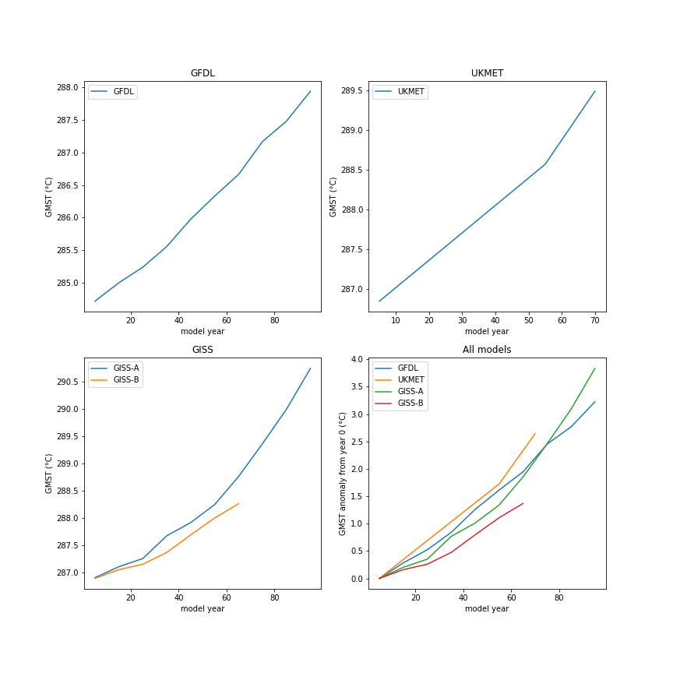
 | 65 | 286.6637978 | 572.8099465 | 3.460227554 |  |  |  |  | 75 | 289.364001
 | 75 | 287.1683012 | 632.7385405 | 3.992570255 |  |  |  |  | 85 | 289.9950682
 | 85 | 287.4822725 | 698.9369914 | 4.524912955 |  |  |  |  | 95 | 290.7417711
 | 95 | 287.9406562 | 772.061265 | 5.057255656

IPCC SAR GCMs
 |  | MP01GS01_T2M__1-2280 | MP01GG01_T2M__1-2880 | MP01GS02_T2M__1-2292 | CS01GG01_TAS__1-2640 | CS01GS01_TAS__1-2640 | GF01GG01_T9___1-1200 | GF01GS01_T9___1-3600 | DK01GG01_T2M__1-2460 | DK01GS02_T2M__1-2040 | NC01GG01_TEMP_1-1632 | NC02GS01_TRHT_1-1199 | NC01GS01_TEMP_1-1632 | HC01GS04_TEMK_1-2880 | HC01GS03_TEMK_1-2880 | HC01GS02_TEMK_1-2880 | HC02GG01_TEMK_1-2880 | HC01GG01_TEMK_1-2880 | HC01GG04_TEMK_1-2880 | HC01GG03_TEMK_1-2880 | HC01GG02_TEMK_1-2880 | HC01GS01_TEMK_1-2880 | HC02GS01_TEMK_1-2880 | NI01GG01_TA___1-2520 | NI01GS01_TA___1-2520 | CC01GS01_ST___1-2400 | CC01GS03_ST___1-2400 | CC01GS02_ST___1-2400 | CC01GG01_ST___1-2400
 | Experiment notes from DDC | The sulphate aerosol (direct effect) and greenhouse gas experiment (GSD): The forcing includes not only the greenhouse gas forcing described with the "greenhouse run" but also the direct radiative effect of historic sulphate aerosol concentrations from 1860 to 1990 and a scenario of sulphate aerosol concentrations from 1990 to 2049. The sulphate aerosol concentrations are calculated in the ECHAM4 model from the sulphur emissions in the IS92a scenario. | Here the greenhouse gas forcing is increased gradually to represent the observed changes in forcing due to all the greenhouse gases from 1860 to 1990. From 1990 to 2100 it uses an increase in concentrations represented by the IS92a emissions scenario with the Copenhagen modifications of industrial gases. This is sometimes referred as "IS95a". In GHG, the concentrations of the following greenhouse gases are prescribed as a function of time: CO2, CH4, N2O and several industrial gases. From 1860 to 1990, the annual concentrations of these gases are prescribed as observed and, from 1990 onward, according to the IPCC'92 scenario IS92a. For the industrial gases, the IS92a scenario has been updated to be consistent with a Copenhagen-like emission scenario (IPCC'96). All of the time dependent, or 'transient', forcing experiments have been initialised at year 100 of CTL, nominally 1860 in the transient experiments. However, these initial values do not correspond to 'pre-industrial' (1860) but to present-day conditions. This applies not only to SST and other climate variables but also to the concentrations of CO2, CH4 and N2O. In the transient experiments, this initial shift in concentration is taken into account by enhancing the observed/projected concentrations of these gases in an appropriate way (Appendix A). | The sulphate aerosol (direct effect), greenhouse gas and ocone experiment (GSDIO): The forcing includes not only the greenhouse gas forcing described with the "greenhouse run" but also the direct radiative effect and the indirect cloud effect of historic sulphate aerosol concentrations from 1860 to 1990 and a scenario of sulphate aerosol concentrations from 1990 to 2049. The sulphate aerosol concentrations are calculated in the ECHAM4 model from the sulphur emissions in the IS92a scenario. Additionally the troposheric ocone has been modified according to IS92a. Similar to MP01GS01 but includes indirect effect of aerosols. | Here the greenhouse gas forcing is increased gradually to represent the observed changes in forcing due to all the greenhouse gases from 1881 to 1990. From 1990 to 2100 it uses an increase in concentrations represented by the IS92a emissions scenario. The model radiation code includes only CO2, water vapor and ozone. The other radiatively active trace gases are included as equivalent CO2. We used the IS92a emission scenarios. This gives approximately a 0.9%/year increase in equivalent CO2 after 1990. In practice the whole CO2 series was scaled so that the 1880 value matched the model control value (330 ppmv). | The forcing includes not only the greenhouse gas forcing described with the "greenhouse run" but also the direct radiative effect of sulphate aerosol concentrations. The direct aerosol effect was included as a surface albedo perturbation. The sulfate mass fields were obtained from the UKMO and are as used by Mitchell and Johns (1997). However optical properties different to those of UKMO are used. The optical properties are based on Kiehl and Briegleb (1993) rather than Charlson et al (1991). This gives a smaller forcing which probably is a more realistic estimate of the direct forcing alone. The 1990 direct forcing is about -0.4 W/m^2 in the CSIRO coupled model compared to -0.65 in the UKMO model. | The value of CO2 increases gradually from the initial value (approximately equal to the value observed in 1958). The rate of 1% per year increase in CO2 is approximately equal to the rate of total radiative forcing of all greenhouse gases (CO2 +O3 + freons + ..) of the IPCC "business as usual" scenario. The initial conditions in the model atmosphere and ocean are in no way related to the conditions in 1958. Therefore due to natural variability both in the model and in the observed climate the state is different even though the radiative forcing was about equal between model and nature. | This simulation starts CO2 and aerosol forcing at 1766 levels, runs it through the present and out to 2065. (Note, see Dixon et al. 2002, "A comparison of climate change simulations produced by two GFDL coupled climate models") | The atmosphere-ocean general circulation model ECHAM3/LSG is used for climate change and climate variability studies. For this climate change integration, the CO2 concentration from 1880 to 2084 were prescribed. Up to 1985 the concentration follows were taken from observation Schoenwiese et al., 1990) and for the following years the IPCC scenario A (Business as Usual, Houghton et al., 1990) was applied. The models ECHAM3 and LSG are described in the DKRZ reports No.6 and No.2, respectively. (Note: this model does not appear to have been a part of the SAR). | The atmosphere-ocean general circulation model ECHAM3/LSG is used for climate change and climate variability studies. Up to 1985 the concentration followswere taken from observation (Schoenwiese et al., 1990) and for the following years the IPCC scenario A (Business as Usual, Houghton et al., 1990) was applied. In addition the direct effect of suphate aerosols was simulated. The aerosol data were calculated using the MOGUNTIA sulphur model (Lange and Rhode, 1991). The Sulphate emissions were taken from historical data and from projected future emissions from the IPCC 1992 scenario A. The models ECHAM3 and LSG are described in the DKRZ reports No.6 and No.2, respectively. (Note: this model does not appear to have been a part of the SAR). | N/A | The business as usual should go from 2000-2100 and is comparable to IS92a. | N/A | Here the greenhouse gas forcing is increased gradually to represent the observed changes in forcing due to all the greenhouse gases from 1860 to 1990. From 1990 to 2100 it uses a 1 per cent per year compounded increase in concentrations (a rather larger forcing scenario than is represented by the IS92a emissions scenario). The forcing due to sulphate aerosol includes the direct radiative effect of historic sulphate aerosol concentrations from 1860 to 1990 and a scenario of sulphate aerosol concentrations from 1990 to 2100 derived from the sulphur emissions in the IS92a scenario. Sulphate Aerosol and Greenhouse Gas Integration (GSG): The IPCC Data Distribution Centre (DDC) distributes data of 4 ensemble runs. This experiment represents member #4 of the ensemble. | Here the greenhouse gas forcing is increased gradually to represent the observed changes in forcing due to all the greenhouse gases from 1860 to 1990. From 1990 to 2100 it uses a 1 per cent per year compounded increase in concentrations (a rather larger forcing scenario than is represented by the IS92a emissions scenario). The forcing due to sulphate aerosol includes the direct radiative effect of historic sulphate aerosol concentrations from 1860 to 1990 and a scenario of sulphate aerosol concentrations from 1990 to 2100 derived from the sulphur emissions in the IS92a scenario. Sulphate Aerosol and Greenhouse Gas Integration (GSG): The IPCC Data Distribution Centre (DDC) distributes data of 4 ensemble runs. This experiment represents member #3 of the ensemble. | Here the greenhouse gas forcing is increased gradually to represent the observed changes in forcing due to all the greenhouse gases from 1860 to 1990. From 1990 to 2100 it uses a 1 per cent per year compounded increase in concentrations (a rather larger forcing scenario than is represented by the IS92a emissions scenario). The forcing due to sulphate aerosol includes the direct radiative effect of historic sulphate aerosol concentrations from 1860 to 1990 and a scenario of sulphate aerosol concentrations from 1990 to 2100 derived from the sulphur emissions in the IS92a scenario. Sulphate Aerosol and Greenhouse Gas Integration (GSG): The IPCC Data Distribution Centre (DDC) distributes data of 4 ensemble runs. This experiment represents member #2 of the ensemble. | Here the greenhouse gas forcing is increased gradually to represent the observed changes in forcing due to all the greenhouse gases from 1860 to 1990 (historical) and IS95a, with specification of CO2 and various minor gases individually. | Here the greenhouse gas forcing is increased gradually to represent the observed changes in forcing due to all the greenhouse gases from 1860 to 1990. From 1990 to 2100 it uses a 1 per cent per year compounded increase in concentrations (a rather larger forcing scenario than is represented by the IS92a emissions scenario). From 1990 to 2100 it uses a 1 per cent per year compounded increase in concentrations (a rather larger forcing scenario than is represented by the IS92a emissions scenario). Greenhouse Gas Integration (GHG): The IPCC Data Distribution Centre (DDC) distributes data of 4 ensemble runs. This experiment represents member #1 of the ensemble. The climatology constructed from the 240-year CTL run serves as a reference for the time-dependent forcing experiments. | Here the greenhouse gas forcing is increased gradually to represent the observed changes in forcing due to all the greenhouse gases from 1860 to 1990. From 1990 to 2100 it uses a 1 per cent per year compounded increase in concentrations (a rather larger forcing scenario than is represented by the IS92a emissions scenario). From 1990 to 2100 it uses a 1 per cent per year compounded increase in concentrations (a rather larger forcing scenario than is represented by the IS92a emissions scenario). Greenhouse Gas Integration (GHG): The IPCC Data Distribution Centre (DDC) distributes data of 4 ensemble runs. This experiment represents member #4 of the ensemble. The climatology constructed from the 240-year CTL run serves as a reference for the time-dependent forcing experiments. | Here the greenhouse gas forcing is increased gradually to represent the observed changes in forcing due to all the greenhouse gases from 1860 to 1990. From 1990 to 2100 it uses a 1 per cent per year compounded increase in concentrations (a rather larger forcing scenario than is represented by the IS92a emissions scenario). From 1990 to 2100 it uses a 1 per cent per year compounded increase in concentrations (a rather larger forcing scenario than is represented by the IS92a emissions scenario). Greenhouse Gas Integration (GHG): The IPCC Data Distribution Centre (DDC) distributes data of 4 ensemble runs. This experiment represents member #3 of the ensemble. The climatology constructed from the 240-year CTL run serves as a reference for the time-dependent forcing experiments. | Here the greenhouse gas forcing is increased gradually to represent the observed changes in forcing due to all the greenhouse gases from 1860 to 1990. From 1990 to 2100 it uses a 1 per cent per year compounded increase in concentrations (a rather larger forcing scenario than is represented by the IS92a emissions scenario). From 1990 to 2100 it uses a 1 per cent per year compounded increase in concentrations (a rather larger forcing scenario than is represented by the IS92a emissions scenario). Greenhouse Gas Integration (GHG): The IPCC Data Distribution Centre (DDC) distributes data of 4 ensemble runs. This experiment represents member #2 of the ensemble. The climatology constructed from the 240-year CTL run serves as a reference for the time-dependent forcing experiments. | Here the greenhouse gas forcing is increased gradually to represent the observed changes in forcing due to all the greenhouse gases from 1860 to 1990. From 1990 to 2100 it uses a 1 per cent per year compounded increase in concentrations (a rather larger forcing scenario than is represented by the IS92a emissions scenario). The forcing due to sulphate aerosol includes the direct radiative effect of historic sulphate aerosol concentrations from 1860 to 1990 and a scenario of sulphate aerosol concentrations from 1990 to 2100 derived from the sulphur emissions in the IS92a scenario. Sulphate Aerosol and Greenhouse Gas Integration (GSG): The IPCC Data Distribution Centre (DDC) distributes data of 4 ensemble runs. This experiment represents member #1 of the ensemble. | Here the greenhouse gas forcing is increased gradually to represent the observed changes in forcing due to all the greenhouse gases plus the direct and first indirect effect of sulphate aerosols, and ozone changes. | N/A | N/A | (member 1 of 3 ensemble simulations, the original) This ensemble of 3 simulations was performed with the first version of the coupled global model CGCMI. The model is forced by an effective greenhouse forcing corresponding to that observed from 1850 to the present, and a forcing corresponding to an increase of CO2 at a rate of 1% per year thereafter until year 2100. The direct effect of sulphate aerosols is also included by increasing the surface albedo as in Reader and Boer (1998). Details of the model and an analysis of this simulation are given in Boer et al. (1998). | (member 3 of 3 ensemble simulations, the original) This ensemble of 3 simulations was performed with the first version of the coupled global model CGCMI. The model is forced by an effective greenhouse forcing corresponding to that observed from 1850 to the present, and a forcing corresponding to an increase of CO2 at a rate of 1% per year thereafter until year 2100. The direct effect of sulphate aerosols is also included by increasing the surface albedo as in Reader and Boer (1998). Details of the model and an analysis of this simulation are given in Boer et al. (1998). | (member 2 of 3 ensemble simulations, the original) This ensemble of 3 simulations was performed with the first version of the coupled global model CGCMI. The model is forced by an effective greenhouse forcing corresponding to that observed from 1850 to the present, and a forcing corresponding to an increase of CO2 at a rate of 1% per year thereafter until year 2100. The direct effect of sulphate aerosols is also included by increasing the surface albedo as in Reader and Boer (1998). Details of the model and an analysis of this simulation are given in Boer et al. (1998). | This simulation was performed with the first version of the coupled global model CGCMI. The model is forced by an effective greenhouse forcing corresponding to that observed from 1850 to the present, and a forcing corresponding to an increase of CO2 at rate of 1% per year thereafter until year 2100. The direct forcing effect of sulphate aerosols is not included in this simulation. Details of the model and an analysis of this simulation are given in Boer et al. (1997). Note: Due to data archival problems, data for May 1985 in the GHG (CO2 only) run were lost. In order to provide continuous time series, this missing month was filled by linear interpolation between adjacent months.
 | Model notes from DDC | The ECHAM climate model has been developed from the ECMWF atmospheric model (therefore the first part of its name: EC) and a comprehensive parameterisation package developed at Hamburg therefore the abbreviation HAM) which allows the model to be used for climate simulations. The model is a spectral transform model with 19 atmospheric layers and the results used here derive from experiments performed with spatial resolution T42 (which approximates to about 2.8º longitude/latitude resolution). The model has also been used at resolutions in the range T21 to T106. ECHAM4 is the current generation in the line of ECHAM models (Roeckner, et al., 1992). A summary of developments regarding model physics in ECHAM4 and a description of the simulated climate obtained with the uncoupled ECHAM4 model is given in Roeckner et al. (1996). The initial sea surface temperature and sea-ice data is the COLA/CAC AMIP SST and sea-ice data set. The mean terrain heights are computed from high resolution US Navy data set. The fraction of grid area covered by vegetation based on the Wilson and Henderson-Sellers (1985) data set. The ocean albedo is a function of solar zenith angle and the land albedo from the satellite data of Geleyn and Preuss (1983). A diurnal cycle and gravity wave-drag is included. The time-step of the model is 24 minutes, except for radiation which uses two hours. The ocean model is an updated version of the isopycnal model (OPYC3) developed by Josef Oberhuber (Oberhuber, 1993) at the Max-Planck-Institute for Meteorology, Hamburg, Germany. The name OPYC is derived from Ocean and isoPYCnal co-ordinates. The concept to use isopycnals as the vertical co-ordinate system for an OGCM is based on the observation that the interior ocean behaves as a rather conservative fluid. Even over long distances the origin of water masses can be traced back by considering the distribution of active or passive tracers. Treating the ocean as a conservative fluid fails in areas of significant tu | The ECHAM climate model has been developed from the ECMWF atmospheric model (therefore the first part of its name: EC) and a comprehensive parameterisation package developed at Hamburg therefore the abbreviation HAM) which allows the model to be used for climate simulations. The model is a spectral transform model with 19 atmospheric layers and the results used here derive from experiments performed with spatial resolution T42 (which approximates to about 2.8º longitude/latitude resolution). The model has also been used at resolutions in the range T21 to T106. ECHAM4 is the current generation in the line of ECHAM models (Roeckner, et al., 1992). A summary of developments regarding model physics in ECHAM4 and a description of the simulated climate obtained with the uncoupled ECHAM4 model is given in Roeckner et al. (1996). The initial sea surface temperature and sea-ice data is the COLA/CAC AMIP SST and sea-ice data set. The mean terrain heights are computed from high resolution US Navy data set. The fraction of grid area covered by vegetation based on the Wilson and Henderson-Sellers (1985) data set. The ocean albedo is a function of solar zenith angle and the land albedo from the satellite data of Geleyn and Preuss (1983). A diurnal cycle and gravity wave-drag is included. The time-step of the model is 24 minutes, except for radiation which uses two hours. The ocean model is an updated version of the isopycnal model (OPYC3) developed by Josef Oberhuber (Oberhuber, 1993) at the Max-Planck-Institute for Meteorology, Hamburg, Germany. The name OPYC is derived from Ocean and isoPYCnal co-ordinates. The concept to use isopycnals as the vertical co-ordinate system for an OGCM is based on the observation that the interior ocean behaves as a rather conservative fluid. Even over long distances the origin of water masses can be traced back by considering the distribution of active or passive tracers. Treating the ocean as a conservative fluid fails in areas of significant tu | The ECHAM climate model has been developed from the ECMWF atmospheric model (therefore the first part of its name: EC) and a comprehensive parameterisation package developed at Hamburg therefore the abbreviation HAM) which allows the model to be used for climate simulations. The model is a spectral transform model with 19 atmospheric layers and the results used here derive from experiments performed with spatial resolution T42 (which approximates to about 2.8º longitude/latitude resolution). The model has also been used at resolutions in the range T21 to T106. ECHAM4 is the current generation in the line of ECHAM models (Roeckner, et al., 1992). A summary of developments regarding model physics in ECHAM4 and a description of the simulated climate obtained with the uncoupled ECHAM4 model is given in Roeckner et al. (1996). The initial sea surface temperature and sea-ice data is the COLA/CAC AMIP SST and sea-ice data set. The mean terrain heights are computed from high resolution US Navy data set. The fraction of grid area covered by vegetation based on the Wilson and Henderson-Sellers (1985) data set. The ocean albedo is a function of solar zenith angle and the land albedo from the satellite data of Geleyn and Preuss (1983). A diurnal cycle and gravity wave-drag is included. The time-step of the model is 24 minutes, except for radiation which uses two hours. The ocean model is an updated version of the isopycnal model (OPYC3) developed by Josef Oberhuber (Oberhuber, 1993) at the Max-Planck-Institute for Meteorology, Hamburg, Germany. The name OPYC is derived from Ocean and isoPYCnal co-ordinates. The concept to use isopycnals as the vertical co-ordinate system for an OGCM is based on the observation that the interior ocean behaves as a rather conservative fluid. Even over long distances the origin of water masses can be traced back by considering the distribution of active or passive tracers. Treating the ocean as a conservative fluid fails in areas of significant tu | The CSIRO Atmospheric Research Mark 2b climate model (Hirst et al., 1996, 1999) has recently been used for a number of more sophisticated climate change simulations. These start from 1880 to avoid the "cold start problem". This version of the CSIRO model includes the Gent-McWilliams mixing scheme in the ocean and shows greatly reduced climate drift relative to earlier versions (e.g. Dix and Hunt, 1998). The drift in global mean surface temperature in the new control run is about -0.02 ºC/century. Note that the model uses flux correction. The model atmosphere has 9 levels in the vertical and horizontal resolution of spectral R21 (approximately 5.6 by 3.2 degrees). The ocean model has the same horizontal resolution with 21 levels. The equilibrium sensitivity to doubled CO2 of a mixed layer ocean version of the model is 4.3 degrees. This is at the high end of the range of model sensitivities (e.g. IPCC 1995, Table 6.3). In the basic greenhouse gas experiment the model combines the effect of all radiatively active trace gases into an "equivalent" CO2 concentration. Observed concentrations are used from 1880 to 1990 and the IS92a projections into the future. This gives close to a 1%/year compounding increase of equivalent CO2. Another model experiment includes the negative radiative forcing from atmospheric sulphate aerosol. The direct aerosol forcing is included via a perturbation of the surface albedo, similarly to the Hadley Centre experiments described by Mitchell et al (1995) and Mitchell and Johns (1997) . The sulphate concentrations are the same as used in the Hadley Centre experiments. However the chosen aerosol optical properties are different, giving a present day forcing due to anthropogenic sulphate of about -0.4 W/m^2. This can be compared to the 1880-1990 greenhouse gas forcing of about 2 W/m^2. The magnitude of the 20th century warming in the model including aerosol matches the observed reasonably well. However there are a number of forcings missing from t | The CSIRO Atmospheric Research Mark 2b climate model (Hirst et al., 1996, 1999) has recently been used for a number of more sophisticated climate change simulations. These start from 1880 to avoid the "cold start problem". This version of the CSIRO model includes the Gent-McWilliams mixing scheme in the ocean and shows greatly reduced climate drift relative to earlier versions (e.g. Dix and Hunt, 1998). The drift in global mean surface temperature in the new control run is about -0.02 ºC/century. Note that the model uses flux correction. The model atmosphere has 9 levels in the vertical and horizontal resolution of spectral R21 (approximately 5.6 by 3.2 degrees). The ocean model has the same horizontal resolution with 21 levels. The equilibrium sensitivity to doubled CO2 of a mixed layer ocean version of the model is 4.3 degrees. This is at the high end of the range of model sensitivities (e.g. IPCC 1995, Table 6.3). In the basic greenhouse gas experiment the model combines the effect of all radiatively active trace gases into an "equivalent" CO2 concentration. Observed concentrations are used from 1880 to 1990 and the IS92a projections into the future. This gives close to a 1%/year compounding increase of equivalent CO2. Another model experiment includes the negative radiative forcing from atmospheric sulphate aerosol. The direct aerosol forcing is included via a perturbation of the surface albedo, similarly to the Hadley Centre experiments described by Mitchell et al (1995) and Mitchell and Johns (1997) . The sulphate concentrations are the same as used in the Hadley Centre experiments. However the chosen aerosol optical properties are different, giving a present day forcing due to anthropogenic sulphate of about -0.4 W/m^2. This can be compared to the 1880-1990 greenhouse gas forcing of about 2 W/m^2. The magnitude of the 20th century warming in the model including aerosol matches the observed reasonably well. However there are a number of forcings missing from t | The experiments with the GFDL model used here were performed using the coupled ocean-atmosphere model described in Manabe et al. (1991) and Stouffer et al., (1994) and references therein. The model has interactive clouds and seasonally varying solar insolation. The atmospheric component has nine finite difference (sigma) levels in the vertical. This version of the model was run at a rhomboidal resolution of 15 waves (R15) yielding an equivalent resolution of about 4.5º latitude by 7.5º longitude. The model has global geography consistent with its computational resolution and seasonal (but not diurnal) variation of insolation. The ocean model is based on that of Byan and Lewis (1979) with a spacing between gridpoints of 4.5º latitude and 3.7º longitude . It has 12 unevenly spaced levels in the vertical dimension. To reduce model drift, the fluxes of heat and water are adjusted by amounts which vary seasonally and geographically, but do not change from one year to another. The model also includes a dynamic sea-ice model (Bryan, 1969) which allows the system additional degrees of freedom. The 1000-year unforced simulation used here is described in Manabe and Stouffer (1996). The drift in global-mean temperature during this unforced simulation is very small at about -0.023ºC per century. The two GFDL-R15 climate change experiments used here use the IS92a scenario of estimated past and future greenhouse gas (GGa1) and combined greenhouse gas and sulphate aerosol (GSa1) forcing for the period 1765-2065 (Haywood et al., 1997). For the GGa1 experiment only the 100-year segment from 1958-2057 are available through the IPCC DDC. The radiative effects of all greenhouse gases is represented in terms of an equivalent CO2 concentration, and the direct radiative sulphate aerosol forcing is parameterised in terms of specified spatially dependent surface albedo changes (following Mitchell et al., 1995). Results from these climate change experiments are discussed in Haywood et al. (1 | The experiments with the GFDL model used here were performed using the coupled ocean-atmosphere model described in Manabe et al. (1991) and Stouffer et al., (1994) and references therein. The model has interactive clouds and seasonally varying solar insolation. The atmospheric component has nine finite difference (sigma) levels in the vertical. This version of the model was run at a rhomboidal resolution of 15 waves (R15) yielding an equivalent resolution of about 4.5º latitude by 7.5º longitude. The model has global geography consistent with its computational resolution and seasonal (but not diurnal) variation of insolation. The ocean model is based on that of Byan and Lewis (1979) with a spacing between gridpoints of 4.5º latitude and 3.7º longitude . It has 12 unevenly spaced levels in the vertical dimension. To reduce model drift, the fluxes of heat and water are adjusted by amounts which vary seasonally and geographically, but do not change from one year to another. The model also includes a dynamic sea-ice model (Bryan, 1969) which allows the system additional degrees of freedom. The 1000-year unforced simulation used here is described in Manabe and Stouffer (1996). The drift in global-mean temperature during this unforced simulation is very small at about -0.023ºC per century. The two GFDL-R15 climate change experiments used here use the IS92a scenario of estimated past and future greenhouse gas (GGa1) and combined greenhouse gas and sulphate aerosol (GSa1) forcing for the period 1765-2065 (Haywood et al., 1997). For the GGa1 experiment only the 100-year segment from 1958-2057 are available through the IPCC DDC. The radiative effects of all greenhouse gases is represented in terms of an equivalent CO2 concentration, and the direct radiative sulphate aerosol forcing is parameterised in terms of specified spatially dependent surface albedo changes (following Mitchell et al., 1995). Results from these climate change experiments are discussed in Haywood et al. (1 | The ECHAM climate model has been developed from the ECMWF atmospheric model (therefore the first part of its name: EC) and a comprehensive parameterisation package developed at Hamburg therefore the abbreviation HAM) which allows the model to be used for climate simulations. The model is a spectral transform model with 19 atmospheric layers and the results used here derive from experiments performed with spatial resolution T42 (which approximates to about 2.8º longitude/latitude resolution). The model has also been used at resolutions in the range T21 to T106. ECHAM4 is the current generation in the line of ECHAM models (Roeckner, et al., 1992). A summary of developments regarding model physics in ECHAM4 and a description of the simulated climate obtained with the uncoupled ECHAM4 model is given in Roeckner et al. (1996). The initial sea surface temperature and sea-ice data is the COLA/CAC AMIP SST and sea-ice data set. The mean terrain heights are computed from high resolution US Navy data set. The fraction of grid area covered by vegetation based on the Wilson and Henderson-Sellers (1985) data set. The ocean albedo is a function of solar zenith angle and the land albedo from the satellite data of Geleyn and Preuss (1983). A diurnal cycle and gravity wave-drag is included. The time-step of the model is 24 minutes, except for radiation which uses two hours. The ocean model is an updated version of the isopycnal model (OPYC3) developed by Josef Oberhuber (Oberhuber, 1993) at the Max-Planck-Institute for Meteorology, Hamburg, Germany. The name OPYC is derived from Ocean and isoPYCnal co-ordinates. The concept to use isopycnals as the vertical co-ordinate system for an OGCM is based on the observation that the interior ocean behaves as a rather conservative fluid. Even over long distances the origin of water masses can be traced back by considering the distribution of active or passive tracers. Treating the ocean as a conservative fluid fails in areas of significant tu | The ECHAM climate model has been developed from the ECMWF atmospheric model (therefore the first part of its name: EC) and a comprehensive parameterisation package developed at Hamburg therefore the abbreviation HAM) which allows the model to be used for climate simulations. The model is a spectral transform model with 19 atmospheric layers and the results used here derive from experiments performed with spatial resolution T42 (which approximates to about 2.8º longitude/latitude resolution). The model has also been used at resolutions in the range T21 to T106. ECHAM4 is the current generation in the line of ECHAM models (Roeckner, et al., 1992). A summary of developments regarding model physics in ECHAM4 and a description of the simulated climate obtained with the uncoupled ECHAM4 model is given in Roeckner et al. (1996). The initial sea surface temperature and sea-ice data is the COLA/CAC AMIP SST and sea-ice data set. The mean terrain heights are computed from high resolution US Navy data set. The fraction of grid area covered by vegetation based on the Wilson and Henderson-Sellers (1985) data set. The ocean albedo is a function of solar zenith angle and the land albedo from the satellite data of Geleyn and Preuss (1983). A diurnal cycle and gravity wave-drag is included. The time-step of the model is 24 minutes, except for radiation which uses two hours. The ocean model is an updated version of the isopycnal model (OPYC3) developed by Josef Oberhuber (Oberhuber, 1993) at the Max-Planck-Institute for Meteorology, Hamburg, Germany. The name OPYC is derived from Ocean and isoPYCnal co-ordinates. The concept to use isopycnals as the vertical co-ordinate system for an OGCM is based on the observation that the interior ocean behaves as a rather conservative fluid. Even over long distances the origin of water masses can be traced back by considering the distribution of active or passive tracers. Treating the ocean as a conservative fluid fails in areas of significant tu | The NCAR model version used here is the NCAR-DoE global coupled model (sometimes referred to as the Washington-Meehl coupled model. Submissions to the DDC using the later NCAR CSM and PCM models will follow). Simulations of 20th century climate and projections of climate into the 21st century were conducted with a global coupled climate model without flux adjustment (these experiments are described in Meehl et al. (1999). The global coupled climate model used in these experiments has an atmospheric component with rhomboidal 15 (R15) resolution (roughly 4.5º latitude by 7.5º longitude) with 9 levels, mass flux convection and a cloud albedo feedback scheme; a global 1º by 1º 20-level ocean; and dynamic and thermodynamic sea ice (Meehl and Washington, 1995; Washington and Meehl, 1996). Characteristics of this model are described by: Meehl and Washington (1995) for sensitivity aspects of the cloud albedo feedback scheme; Meehl (1997) for details on the spin-up and systematic errors; Washington and Meehl (1996) for basic description of a 1% per year CO2 increase experiment and features of the high latitude response in the northern Hemisphere; Meehl and Washington (1996) for description of the ``El Nino-like" pattern in the 1% CO2 increase sensitivity experiment; Meehl et al. (1996) for results from a set of sensitivity experiments including the 1% per year CO2 increase experiment compared to experiments that include direct and indirect effects of sulphate aerosols. Two climate change experiments were performed, both starting in the year 1900. The first uses greenhouse gas radiative forcing (represented by equivalent CO2) observed during the 20th century, and extends greenhouse gas forcing to the year 2035 by increasing CO2 1% per year compound after 1990 (CO2-only experiment). The second includes the same greenhouse gas (equivalent CO2) forcing as the first, but adds the effects of time-varying geographic distributions of monthly sulphate aerosol radiative forcing (CO2+s |  | The NCAR model version used here is the NCAR-DoE global coupled model (sometimes referred to as the Washington-Meehl coupled model. Submissions to the DDC using the later NCAR CSM and PCM models will follow). Simulations of 20th century climate and projections of climate into the 21st century were conducted with a global coupled climate model without flux adjustment (these experiments are described in Meehl et al. (1999). The global coupled climate model used in these experiments has an atmospheric component with rhomboidal 15 (R15) resolution (roughly 4.5º latitude by 7.5º longitude) with 9 levels, mass flux convection and a cloud albedo feedback scheme; a global 1º by 1º 20-level ocean; and dynamic and thermodynamic sea ice (Meehl and Washington, 1995; Washington and Meehl, 1996). Characteristics of this model are described by: Meehl and Washington (1995) for sensitivity aspects of the cloud albedo feedback scheme; Meehl (1997) for details on the spin-up and systematic errors; Washington and Meehl (1996) for basic description of a 1% per year CO2 increase experiment and features of the high latitude response in the northern Hemisphere; Meehl and Washington (1996) for description of the ``El Nino-like" pattern in the 1% CO2 increase sensitivity experiment; Meehl et al. (1996) for results from a set of sensitivity experiments including the 1% per year CO2 increase experiment compared to experiments that include direct and indirect effects of sulphate aerosols. Two climate change experiments were performed, both starting in the year 1900. The first uses greenhouse gas radiative forcing (represented by equivalent CO2) observed during the 20th century, and extends greenhouse gas forcing to the year 2035 by increasing CO2 1% per year compound after 1990 (CO2-only experiment). The second includes the same greenhouse gas (equivalent CO2) forcing as the first, but adds the effects of time-varying geographic distributions of monthly sulphate aerosol radiative forcing (CO2+s | The experiments performed at the Hadley Centre used the Unified Model (Cullen, 1993). These experiments represented a large step forward in the way that climate change was modelled by GCMs and raised new possibilities for scenario construction. This experiment overcame some of the major difficulties that were associated with the previous generations of equilibrium (circa IPCC 1990) and cold-start transient (circa IPCC 1992) climate change experiments. HadCM2 has a spatial resolution of 2.5° x 3.75° (latitude by longitude) and the representation produces a grid box resolution of 96 x 73 grid cells. This produces a surface spatial resolution of about 417km x 278 km reducing to 295 x 278km at 45 degrees North and South (comparable to a spectral resolution of T42). The equilibrium climate sensitivity (DT2x) of HadCM2, that is the global-mean temperature response to a doubling of effective CO2 concentration, is approximately 2.5°C, although, this quantity varies with the time-scale considered. This is somewhat lower than most other GCMs (IPCC, 1992). In order to undertake a 'warm-start' experiment it is necessary to perturb the model with a forcing from an early historical era, when the radiative forcing was relatively small compared to the present. The Hadley Centre started their experiments performed with HadCM2 with forcing from the middle industrial era, about 1860 (Mitchell et al., 1995; Johns et al., 1995). The greenhouse gas only integrations, HadCM2GG, used the combined forcing of all the greenhouse gases as an equivalent CO2 concentration. A further series of integrations, HadCM2GS, used the combined equivalent CO2 concentration plus the negative forcing from sulphate aerosols. The HadCM2GG integrations simulated the change in forcing of the climate system by greenhouse gases since the early industrial period (taken by HadCM2 to be 1860). The addition of the negative forcing effects of sulphate aerosols represents the direct radiative forcing due to anthropogeni | The experiments performed at the Hadley Centre used the Unified Model (Cullen, 1993). These experiments represented a large step forward in the way that climate change was modelled by GCMs and raised new possibilities for scenario construction. This experiment overcame some of the major difficulties that were associated with the previous generations of equilibrium (circa IPCC 1990) and cold-start transient (circa IPCC 1992) climate change experiments. HadCM2 has a spatial resolution of 2.5° x 3.75° (latitude by longitude) and the representation produces a grid box resolution of 96 x 73 grid cells. This produces a surface spatial resolution of about 417km x 278 km reducing to 295 x 278km at 45 degrees North and South (comparable to a spectral resolution of T42). The equilibrium climate sensitivity (DT2x) of HadCM2, that is the global-mean temperature response to a doubling of effective CO2 concentration, is approximately 2.5°C, although, this quantity varies with the time-scale considered. This is somewhat lower than most other GCMs (IPCC, 1992). In order to undertake a 'warm-start' experiment it is necessary to perturb the model with a forcing from an early historical era, when the radiative forcing was relatively small compared to the present. The Hadley Centre started their experiments performed with HadCM2 with forcing from the middle industrial era, about 1860 (Mitchell et al., 1995; Johns et al., 1995). The greenhouse gas only integrations, HadCM2GG, used the combined forcing of all the greenhouse gases as an equivalent CO2 concentration. A further series of integrations, HadCM2GS, used the combined equivalent CO2 concentration plus the negative forcing from sulphate aerosols. The HadCM2GG integrations simulated the change in forcing of the climate system by greenhouse gases since the early industrial period (taken by HadCM2 to be 1860). The addition of the negative forcing effects of sulphate aerosols represents the direct radiative forcing due to anthropogeni | The experiments performed at the Hadley Centre used the Unified Model (Cullen, 1993). These experiments represented a large step forward in the way that climate change was modelled by GCMs and raised new possibilities for scenario construction. This experiment overcame some of the major difficulties that were associated with the previous generations of equilibrium (circa IPCC 1990) and cold-start transient (circa IPCC 1992) climate change experiments. HadCM2 has a spatial resolution of 2.5° x 3.75° (latitude by longitude) and the representation produces a grid box resolution of 96 x 73 grid cells. This produces a surface spatial resolution of about 417km x 278 km reducing to 295 x 278km at 45 degrees North and South (comparable to a spectral resolution of T42). The equilibrium climate sensitivity (DT2x) of HadCM2, that is the global-mean temperature response to a doubling of effective CO2 concentration, is approximately 2.5°C, although, this quantity varies with the time-scale considered. This is somewhat lower than most other GCMs (IPCC, 1992). In order to undertake a 'warm-start' experiment it is necessary to perturb the model with a forcing from an early historical era, when the radiative forcing was relatively small compared to the present. The Hadley Centre started their experiments performed with HadCM2 with forcing from the middle industrial era, about 1860 (Mitchell et al., 1995; Johns et al., 1995). The greenhouse gas only integrations, HadCM2GG, used the combined forcing of all the greenhouse gases as an equivalent CO2 concentration. A further series of integrations, HadCM2GS, used the combined equivalent CO2 concentration plus the negative forcing from sulphate aerosols. The HadCM2GG integrations simulated the change in forcing of the climate system by greenhouse gases since the early industrial period (taken by HadCM2 to be 1860). The addition of the negative forcing effects of sulphate aerosols represents the direct radiative forcing due to anthropogeni | N/A | The experiments performed at the Hadley Centre used the Unified Model (Cullen, 1993). These experiments represented a large step forward in the way that climate change was modelled by GCMs and raised new possibilities for scenario construction. This experiment overcame some of the major difficulties that were associated with the previous generations of equilibrium (circa IPCC 1990) and cold-start transient (circa IPCC 1992) climate change experiments. HadCM2 has a spatial resolution of 2.5° x 3.75° (latitude by longitude) and the representation produces a grid box resolution of 96 x 73 grid cells. This produces a surface spatial resolution of about 417km x 278 km reducing to 295 x 278km at 45 degrees North and South (comparable to a spectral resolution of T42). The equilibrium climate sensitivity (DT2x) of HadCM2, that is the global-mean temperature response to a doubling of effective CO2 concentration, is approximately 2.5°C, although, this quantity varies with the time-scale considered. This is somewhat lower than most other GCMs (IPCC, 1992). In order to undertake a 'warm-start' experiment it is necessary to perturb the model with a forcing from an early historical era, when the radiative forcing was relatively small compared to the present. The Hadley Centre started their experiments performed with HadCM2 with forcing from the middle industrial era, about 1860 (Mitchell et al., 1995; Johns et al., 1995). The greenhouse gas only integrations, HadCM2GG, used the combined forcing of all the greenhouse gases as an equivalent CO2 concentration. A further series of integrations, HadCM2GS, used the combined equivalent CO2 concentration plus the negative forcing from sulphate aerosols. The HadCM2GG integrations simulated the change in forcing of the climate system by greenhouse gases since the early industrial period (taken by HadCM2 to be 1860). The addition of the negative forcing effects of sulphate aerosols represents the direct radiative forcing due to anthropogeni | The experiments performed at the Hadley Centre used the Unified Model (Cullen, 1993). These experiments represented a large step forward in the way that climate change was modelled by GCMs and raised new possibilities for scenario construction. This experiment overcame some of the major difficulties that were associated with the previous generations of equilibrium (circa IPCC 1990) and cold-start transient (circa IPCC 1992) climate change experiments. HadCM2 has a spatial resolution of 2.5° x 3.75° (latitude by longitude) and the representation produces a grid box resolution of 96 x 73 grid cells. This produces a surface spatial resolution of about 417km x 278 km reducing to 295 x 278km at 45 degrees North and South (comparable to a spectral resolution of T42). The equilibrium climate sensitivity (DT2x) of HadCM2, that is the global-mean temperature response to a doubling of effective CO2 concentration, is approximately 2.5°C, although, this quantity varies with the time-scale considered. This is somewhat lower than most other GCMs (IPCC, 1992). In order to undertake a 'warm-start' experiment it is necessary to perturb the model with a forcing from an early historical era, when the radiative forcing was relatively small compared to the present. The Hadley Centre started their experiments performed with HadCM2 with forcing from the middle industrial era, about 1860 (Mitchell et al., 1995; Johns et al., 1995). The greenhouse gas only integrations, HadCM2GG, used the combined forcing of all the greenhouse gases as an equivalent CO2 concentration. A further series of integrations, HadCM2GS, used the combined equivalent CO2 concentration plus the negative forcing from sulphate aerosols. The HadCM2GG integrations simulated the change in forcing of the climate system by greenhouse gases since the early industrial period (taken by HadCM2 to be 1860). The addition of the negative forcing effects of sulphate aerosols represents the direct radiative forcing due to anthropogeni | The experiments performed at the Hadley Centre used the Unified Model (Cullen, 1993). These experiments represented a large step forward in the way that climate change was modelled by GCMs and raised new possibilities for scenario construction. This experiment overcame some of the major difficulties that were associated with the previous generations of equilibrium (circa IPCC 1990) and cold-start transient (circa IPCC 1992) climate change experiments. HadCM2 has a spatial resolution of 2.5° x 3.75° (latitude by longitude) and the representation produces a grid box resolution of 96 x 73 grid cells. This produces a surface spatial resolution of about 417km x 278 km reducing to 295 x 278km at 45 degrees North and South (comparable to a spectral resolution of T42). The equilibrium climate sensitivity (DT2x) of HadCM2, that is the global-mean temperature response to a doubling of effective CO2 concentration, is approximately 2.5°C, although, this quantity varies with the time-scale considered. This is somewhat lower than most other GCMs (IPCC, 1992). In order to undertake a 'warm-start' experiment it is necessary to perturb the model with a forcing from an early historical era, when the radiative forcing was relatively small compared to the present. The Hadley Centre started their experiments performed with HadCM2 with forcing from the middle industrial era, about 1860 (Mitchell et al., 1995; Johns et al., 1995). The greenhouse gas only integrations, HadCM2GG, used the combined forcing of all the greenhouse gases as an equivalent CO2 concentration. A further series of integrations, HadCM2GS, used the combined equivalent CO2 concentration plus the negative forcing from sulphate aerosols. The HadCM2GG integrations simulated the change in forcing of the climate system by greenhouse gases since the early industrial period (taken by HadCM2 to be 1860). The addition of the negative forcing effects of sulphate aerosols represents the direct radiative forcing due to anthropogeni | The experiments performed at the Hadley Centre used the Unified Model (Cullen, 1993). These experiments represented a large step forward in the way that climate change was modelled by GCMs and raised new possibilities for scenario construction. This experiment overcame some of the major difficulties that were associated with the previous generations of equilibrium (circa IPCC 1990) and cold-start transient (circa IPCC 1992) climate change experiments. HadCM2 has a spatial resolution of 2.5° x 3.75° (latitude by longitude) and the representation produces a grid box resolution of 96 x 73 grid cells. This produces a surface spatial resolution of about 417km x 278 km reducing to 295 x 278km at 45 degrees North and South (comparable to a spectral resolution of T42). The equilibrium climate sensitivity (DT2x) of HadCM2, that is the global-mean temperature response to a doubling of effective CO2 concentration, is approximately 2.5°C, although, this quantity varies with the time-scale considered. This is somewhat lower than most other GCMs (IPCC, 1992). In order to undertake a 'warm-start' experiment it is necessary to perturb the model with a forcing from an early historical era, when the radiative forcing was relatively small compared to the present. The Hadley Centre started their experiments performed with HadCM2 with forcing from the middle industrial era, about 1860 (Mitchell et al., 1995; Johns et al., 1995). The greenhouse gas only integrations, HadCM2GG, used the combined forcing of all the greenhouse gases as an equivalent CO2 concentration. A further series of integrations, HadCM2GS, used the combined equivalent CO2 concentration plus the negative forcing from sulphate aerosols. The HadCM2GG integrations simulated the change in forcing of the climate system by greenhouse gases since the early industrial period (taken by HadCM2 to be 1860). The addition of the negative forcing effects of sulphate aerosols represents the direct radiative forcing due to anthropogeni | The experiments performed at the Hadley Centre used the Unified Model (Cullen, 1993). These experiments represented a large step forward in the way that climate change was modelled by GCMs and raised new possibilities for scenario construction. This experiment overcame some of the major difficulties that were associated with the previous generations of equilibrium (circa IPCC 1990) and cold-start transient (circa IPCC 1992) climate change experiments. HadCM2 has a spatial resolution of 2.5° x 3.75° (latitude by longitude) and the representation produces a grid box resolution of 96 x 73 grid cells. This produces a surface spatial resolution of about 417km x 278 km reducing to 295 x 278km at 45 degrees North and South (comparable to a spectral resolution of T42). The equilibrium climate sensitivity (DT2x) of HadCM2, that is the global-mean temperature response to a doubling of effective CO2 concentration, is approximately 2.5°C, although, this quantity varies with the time-scale considered. This is somewhat lower than most other GCMs (IPCC, 1992). In order to undertake a 'warm-start' experiment it is necessary to perturb the model with a forcing from an early historical era, when the radiative forcing was relatively small compared to the present. The Hadley Centre started their experiments performed with HadCM2 with forcing from the middle industrial era, about 1860 (Mitchell et al., 1995; Johns et al., 1995). The greenhouse gas only integrations, HadCM2GG, used the combined forcing of all the greenhouse gases as an equivalent CO2 concentration. A further series of integrations, HadCM2GS, used the combined equivalent CO2 concentration plus the negative forcing from sulphate aerosols. The HadCM2GG integrations simulated the change in forcing of the climate system by greenhouse gases since the early industrial period (taken by HadCM2 to be 1860). The addition of the negative forcing effects of sulphate aerosols represents the direct radiative forcing due to anthropogeni | N/A | The model used here is a coupled ocean-atmosphere model that consists of the CCSR/NIES atmospheric GCM, the CCSR ocean GCM, a thermodynamic sea-ice model, and a river routing model (Abe-Ouchi et al., 1996). The spatial resolution is T21 spectral truncation (roughly 5.6º latitude/longitude) and 20 vertical levels for the atmospheric part, and roughly 2.8º horizontal grid and 17 vertical levels for the oceanic part. Flux adjustment for atmosphere-ocean heat and water exchange is applied to prevent a drift of the modelled climate. The atmospheric model adopts a radiation scheme based on the k-distribution, two-stream discrete ordinate method (DOM) (Nakajima and Tanaka, 1986). This scheme can deal with absorption, emission and scattering by gases, clouds and aerosol particles in a consistent manner. In the calculation of sulphate aerosol optical properties, the volumetric mode radius of the sulphate particle in dry environment is assumed to be 0.2 micron. The hygroscopic growth of the sulphate is considered by an empirical fit of d'Almeida et al. (1991). The vertical distribution of the sulphate aerosol is assumed to be constant in the lowest 2 km of the atmosphere. The concentrations of greenhouse gases are represented by equivalent-CO2. Three integrations are made for 200 model years (1890-2090). In the control experiment (CTL), the globally uniform concentration of greenhouse gases is kept constant at 345 ppmv CO2-equivalent and the concentration of sulphate is set to zero. In the experiment GG, the concentration of greenhouse gases is gradually increased, while that of sulphate is set to zero. In the experiments GS, the increase in anthropogenic sulphate as well as that in greenhouse gases is given and the aerosol scattering (the direct effect of aerosol) is explicitly represented in the way described above. The indirect effect of aerosol is not included in any experiment. The scenario of atmospheric concentrations of greenhouse gases and sulphate aerosols is given | The model used here is a coupled ocean-atmosphere model that consists of the CCSR/NIES atmospheric GCM, the CCSR ocean GCM, a thermodynamic sea-ice model, and a river routing model (Abe-Ouchi et al., 1996). The spatial resolution is T21 spectral truncation (roughly 5.6º latitude/longitude) and 20 vertical levels for the atmospheric part, and roughly 2.8º horizontal grid and 17 vertical levels for the oceanic part. Flux adjustment for atmosphere-ocean heat and water exchange is applied to prevent a drift of the modelled climate. The atmospheric model adopts a radiation scheme based on the k-distribution, two-stream discrete ordinate method (DOM) (Nakajima and Tanaka, 1986). This scheme can deal with absorption, emission and scattering by gases, clouds and aerosol particles in a consistent manner. In the calculation of sulphate aerosol optical properties, the volumetric mode radius of the sulphate particle in dry environment is assumed to be 0.2 micron. The hygroscopic growth of the sulphate is considered by an empirical fit of d'Almeida et al. (1991). The vertical distribution of the sulphate aerosol is assumed to be constant in the lowest 2 km of the atmosphere. The concentrations of greenhouse gases are represented by equivalent-CO2. Three integrations are made for 200 model years (1890-2090). In the control experiment (CTL), the globally uniform concentration of greenhouse gases is kept constant at 345 ppmv CO2-equivalent and the concentration of sulphate is set to zero. In the experiment GG, the concentration of greenhouse gases is gradually increased, while that of sulphate is set to zero. In the experiments GS, the increase in anthropogenic sulphate as well as that in greenhouse gases is given and the aerosol scattering (the direct effect of aerosol) is explicitly represented in the way described above. The indirect effect of aerosol is not included in any experiment. The scenario of atmospheric concentrations of greenhouse gases and sulphate aerosols is given | The first version of the Canadian Global Coupled Model, CGCM1, and its control climate are described by Flato et al. (1999). The atmospheric component of the model is essentially GCMII described by McFarlane et al. (1992). It is a spectral model with triangular truncation at wave number 32 (yielding a surface grid resolution of roughly 3.7ºx3.7º) and 10 vertical levels. The ocean component is based on the GFDL MOM1.1 code and has a resolution of approximately 1.8ºx1.8º and 29 vertical levels. The model uses heat and water flux adjustments obtained from uncoupled ocean and atmosphere model runs (of 10 years and 4000 years duration respectively), followed by an `adaption' procedure in which the flux adjustment fields are modified by a 14 year integration of the coupled model. A multi-century control simulation with the coupled model has been performed using the present-day CO2 concentration to evaluate the stability of the coupled model's climate, and to compare the modelled climate and its variability to that observed. An ensemble of four transient climate change simulations has been performed and is described in Boer et al. (1999a; b). Three of these simulations use an effective greenhouse gas forcing change corresponding to that observed from 1850 to the present, and a forcing change corresponding to an increase of CO2 at a rate of 1% per year (compounded) thereafter until year 2100. The direct forcing effect of sulphate aerosols is also included by increasing the surface albedo (as in Reader and Boer, 1999) based on loadings from the sulphur cycle model of Langner and Rodhe (1991). The fourth simulation considers the effect of greenhouse gas forcing only. The change in climate predicted by a model clearly depends directly on this specification of greenhouse gas (and aerosol) forcing, and of course these are not well known. The prescription described above is similar to the IPCC "business as usual" scenario, and using a standard scenario allows the results of this | The first version of the Canadian Global Coupled Model, CGCM1, and its control climate are described by Flato et al. (1999). The atmospheric component of the model is essentially GCMII described by McFarlane et al. (1992). It is a spectral model with triangular truncation at wave number 32 (yielding a surface grid resolution of roughly 3.7ºx3.7º) and 10 vertical levels. The ocean component is based on the GFDL MOM1.1 code and has a resolution of approximately 1.8ºx1.8º and 29 vertical levels. The model uses heat and water flux adjustments obtained from uncoupled ocean and atmosphere model runs (of 10 years and 4000 years duration respectively), followed by an `adaption' procedure in which the flux adjustment fields are modified by a 14 year integration of the coupled model. A multi-century control simulation with the coupled model has been performed using the present-day CO2 concentration to evaluate the stability of the coupled model's climate, and to compare the modelled climate and its variability to that observed. An ensemble of four transient climate change simulations has been performed and is described in Boer et al. (1999a; b). Three of these simulations use an effective greenhouse gas forcing change corresponding to that observed from 1850 to the present, and a forcing change corresponding to an increase of CO2 at a rate of 1% per year (compounded) thereafter until year 2100. The direct forcing effect of sulphate aerosols is also included by increasing the surface albedo (as in Reader and Boer, 1999) based on loadings from the sulphur cycle model of Langner and Rodhe (1991). The fourth simulation considers the effect of greenhouse gas forcing only. The change in climate predicted by a model clearly depends directly on this specification of greenhouse gas (and aerosol) forcing, and of course these are not well known. The prescription described above is similar to the IPCC "business as usual" scenario, and using a standard scenario allows the results of this | The first version of the Canadian Global Coupled Model, CGCM1, and its control climate are described by Flato et al. (1999). The atmospheric component of the model is essentially GCMII described by McFarlane et al. (1992). It is a spectral model with triangular truncation at wave number 32 (yielding a surface grid resolution of roughly 3.7ºx3.7º) and 10 vertical levels. The ocean component is based on the GFDL MOM1.1 code and has a resolution of approximately 1.8ºx1.8º and 29 vertical levels. The model uses heat and water flux adjustments obtained from uncoupled ocean and atmosphere model runs (of 10 years and 4000 years duration respectively), followed by an `adaption' procedure in which the flux adjustment fields are modified by a 14 year integration of the coupled model. A multi-century control simulation with the coupled model has been performed using the present-day CO2 concentration to evaluate the stability of the coupled model's climate, and to compare the modelled climate and its variability to that observed. An ensemble of four transient climate change simulations has been performed and is described in Boer et al. (1999a; b). Three of these simulations use an effective greenhouse gas forcing change corresponding to that observed from 1850 to the present, and a forcing change corresponding to an increase of CO2 at a rate of 1% per year (compounded) thereafter until year 2100. The direct forcing effect of sulphate aerosols is also included by increasing the surface albedo (as in Reader and Boer, 1999) based on loadings from the sulphur cycle model of Langner and Rodhe (1991). The fourth simulation considers the effect of greenhouse gas forcing only. The change in climate predicted by a model clearly depends directly on this specification of greenhouse gas (and aerosol) forcing, and of course these are not well known. The prescription described above is similar to the IPCC "business as usual" scenario, and using a standard scenario allows the results of this | The first version of the Canadian Global Coupled Model, CGCM1, and its control climate are described by Flato et al. (1999). The atmospheric component of the model is essentially GCMII described by McFarlane et al. (1992). It is a spectral model with triangular truncation at wave number 32 (yielding a surface grid resolution of roughly 3.7ºx3.7º) and 10 vertical levels. The ocean component is based on the GFDL MOM1.1 code and has a resolution of approximately 1.8ºx1.8º and 29 vertical levels. The model uses heat and water flux adjustments obtained from uncoupled ocean and atmosphere model runs (of 10 years and 4000 years duration respectively), followed by an `adaption' procedure in which the flux adjustment fields are modified by a 14 year integration of the coupled model. A multi-century control simulation with the coupled model has been performed using the present-day CO2 concentration to evaluate the stability of the coupled model's climate, and to compare the modelled climate and its variability to that observed. An ensemble of four transient climate change simulations has been performed and is described in Boer et al. (1999a; b). Three of these simulations use an effective greenhouse gas forcing change corresponding to that observed from 1850 to the present, and a forcing change corresponding to an increase of CO2 at a rate of 1% per year (compounded) thereafter until year 2100. The direct forcing effect of sulphate aerosols is also included by increasing the surface albedo (as in Reader and Boer, 1999) based on loadings from the sulphur cycle model of Langner and Rodhe (1991). The fourth simulation considers the effect of greenhouse gas forcing only. The change in climate predicted by a model clearly depends directly on this specification of greenhouse gas (and aerosol) forcing, and of course these are not well known. The prescription described above is similar to the IPCC "business as usual" scenario, and using a standard scenario allows the results of this
 | Historical forcings
 | GHG Forcing (IS92a / 1%CO2e / 0.9%CO2e / 1%GHG / 1% RF) | 1% RF from 1990 | 1% RF from 1990 | 1% RF | IS92a CO2e (~0.9%CO2e) from 1990 | IS92a CO2e (~0.9%CO2e) | 1%CO2e from observed value of CO2 in 1958 | ???? Probably 1% CO2e | 1% RF | 1%CO2e | 1%CO2e | IS92a (assume 1% CO2e) | 1%CO2e | 1%GHG | 1%GHG | 1%GHG | IS92a | 1%GHG | 1%GHG | 1%GHG | 1%GHG | 1%GHG | IS92a | 1%CO2e | 1%CO2 | 1%CO2e | 1%CO2e | 1%CO2 | 1%CO2e
 | Aerosol Forcing (none / direct / direct and indirect) | direct | none | direct and indirect | none | direct | none | direct | none | direct | none | none | direct and indirect | direct | direct | direct | direct | none | none | none | none | direct | direct and indirect | none | direct | direct | direct | direct | none
 |  |  |  |  |  |  |  |  |  |  |  |  |  |  |  |  |  |  |  |  |  |  |  |  |  |  |  |  |  |  |  |  |  | Assume [CO2e]1990 = [CO2]1990 * ([CO2e]1880 / [CO2]1880), where [CO2]1990 = 355 according to Scripps CO2 program, [CO2]1880 = 291 according to ice core records, and [CO2e]1880 = 330 according to CSIRO documentation (CS01GG01_TAS__1-2640).
 |  |  |  |  |  |  |  |  |  |  |  |  |  |  |  |  |  |  |  |  |  |  |  |  |  |  |  |  |  |  |  |  |  | This approximation for historical [CO2e] is not too bad, since we get DeltaF = 5.86 W/m2 compared to DeltaF = 5.76 W/m2
 |  |  |  |  |  |  |  |  |  |  |  |  |  |  |  |  |  |  |  |  |  |  |  |  |  |  |  |  |  |  |  |  |  | Actual [CO2] growth rate has been like 0.5% for [CO2] alone, not sure about [CO2e]. |  |  |  | Figure 6.18. Radiative forcings of IS92 experiments used in SAR. Digitized timeseries to the right for IS92a. | Digitized Forcings (w/ aerosol) |  | Digitized Forcing (w/o aerosol)
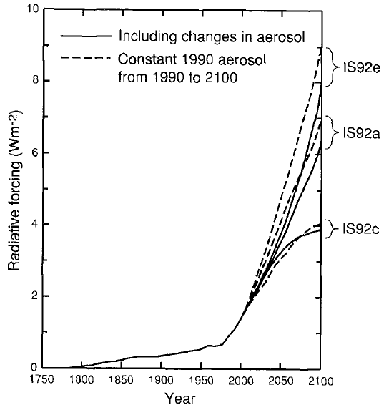
 |  |  |  |  |  |  |  |  |  |  |  |  |  |  |  |  |  |  |  |  |  |  |  |  |  |  |  |  |  | Year | GHG + direct + indirect | GHG + direct | CO2e Forcing | [CO2e] | [CO2] | Aerosol Forcing (direct) | Aerosol Forcing (indirect) |  | Year | Forcing | Year | Forcing
 | Year | GMST (K) | GMST (K) | GMST (K) | GMST (K) | GMST (K) | GMST (K) | GMST (K) | GMST (K) | GMST (K) | GMST (K) | GMST (K) | GMST (K) | GMST (K) | GMST (K) | GMST (K) | GMST (K) | GMST (K) | GMST (K) | GMST (K) | GMST (K) | GMST (K) | GMST (K) | GMST (K) | GMST (K) | GMST (K) | GMST (K) | GMST (K) | GMST (K) | 1850 | starts at 1990 | starts at 1990 | starts at 1990 | starts at 1990 | starts at 1990 | starts at 1990 | starts at 1990 |  | 1897.48 | 0.33484778 | 1898.3378 | 0.3440577
Calculations based on data from http://www.ipcc-data.org | 1850 | -999 | -999 | -999 | -999 | -999 | -999 | 285.0352 | -999 | -999 | -999 | -999 | -999 | -999 | -999 | -999 | -999 | -999 | -999 | -999 | -999 | -999 | -999 | -999 | -999 | -999 | -999 | -999 | -999 | 1851 |  |  |  |  |  |  |  |  | 1924.4484 | 0.4373157 | 1946.8585 | 0.53162783
 | 1851 | -999 | -999 | -999 | -999 | -999 | -999 | 284.9982 | -999 | -999 | -999 | -999 | -999 | -999 | -999 | -999 | -999 | -999 | -999 | -999 | -999 | -999 | -999 | -999 | -999 | -999 | -999 | -999 | -999 | 1852 |  |  |  |  |  |  |  |  | 1948.713 | 0.5593573 | 1958.5128 | 0.65314126
Note on model forcings: | 1852 | -999 | -999 | -999 | -999 | -999 | -999 | 284.8248 | -999 | -999 | -999 | -999 | -999 | -999 | -999 | -999 | -999 | -999 | -999 | -999 | -999 | -999 | -999 | -999 | -999 | -999 | -999 | -999 | -999 | 1853 |  |  |  |  |  |  |  |  | 1957.6871 | 0.659781 | 1972.9148 | 0.6356798
Most of the simulations shown here are forced with 1% per year CO2 equivalent (compound) for the runs labelled GG and 1% per year CO2 equivalent + the direct radiative effect (radiation scattering) of sulfate aerosols for the runs labelled GS. Some of the model runs are apparently actually forced with individual greenhouse gases following IS92a rather than CO2 equivalent (which gives translates to ~0.73%-0.9% per year in CO2 equivalent). The documentation for the greenhouse gas forcings is lacking from the IPCC DDC documentation (e.g. https://cera-www.dkrz.de/WDCC/ui/cerasearch/entry?acronym=CS01GG01) and in some cases conflicts with the documentation for these runs in the SAR (see Table 6.3). The sulfate forcing is also poorly documented in the IPCC SAR. All of the models prescribe sulfate emissions following the IS92a scenario (from the IPCC FAR SUPP) but use various different approaches for modelling the sulfur cycle and parameterizing the radiative forcing due to scattering (usually comes down to a scheme that translates tropospheric sulfare loading to an increase in surface albedo). It is not obvious to me how to retrieve the globally averaged radiative forcing due to these sulfate emissions for each individual model. One approach would be to try and reproduce the spatial patterns of sulfate loading from the source literature, but I don't know if this is possible. Another approach is to simply use the globally-averaged radiative forcing estimates calculated in earlier sections and used as forcing for the UD-EBM models. | 1853 | -999 | -999 | -999 | -999 | -999 | -999 | 284.9766 | -999 | -999 | -999 | -999 | -999 | -999 | -999 | -999 | -999 | -999 | -999 | -999 | -999 | -999 | -999 | -999 | -999 | -999 | -999 | -999 | -999 | 1854 |  |  |  |  |  |  |  |  | 1974.7771 | 0.6816033 | 1988.9705 | 1.0368329
 | 1854 | -999 | -999 | -999 | -999 | -999 | -999 | 284.9801 | -999 | -999 | -999 | -999 | -999 | -999 | -999 | -999 | -999 | -999 | -999 | -999 | -999 | -999 | -999 | -999 | -999 | -999 | -999 | -999 | -999 | 1855 |  |  |  |  |  |  |  |  | 1991.7747 | 1.1010318 | 2008.5138 | 1.757311
 | 1855 | -999 | -999 | -999 | -999 | -999 | -999 | 285.0594 | -999 | -999 | -999 | -999 | -999 | -999 | -999 | -999 | -999 | -999 | -999 | -999 | -999 | -999 | -999 | -999 | -999 | -999 | -999 | -999 | -999 | 1856 |  |  |  |  |  |  |  |  | 2009.584 | 1.8982885 | 2022.6453 | 2.5167062
 | 1856 | -999 | -999 | -999 | -999 | -999 | -999 | 285.058 | -999 | -999 | -999 | -999 | -999 | -999 | -999 | -999 | -999 | -999 | -999 | -999 | -999 | -999 | -999 | -999 | -999 | -999 | -999 | -999 | -999 | 1857 |  |  |  |  |  |  |  |  | 2026.5167 | 2.5960412 | 2031.4409 | 3.095905
 | 1857 | -999 | -999 | -999 | -999 | -999 | -999 | 285.112 | -999 | -999 | -999 | -999 | -999 | -999 | -999 | -999 | -999 | -999 | -999 | -999 | -999 | -999 | -999 | -999 | -999 | -999 | -999 | -999 | -999 | 1858 |  |  |  |  |  |  |  |  | 2045.2258 | 3.3934002 | 2043.7867 | 3.815154
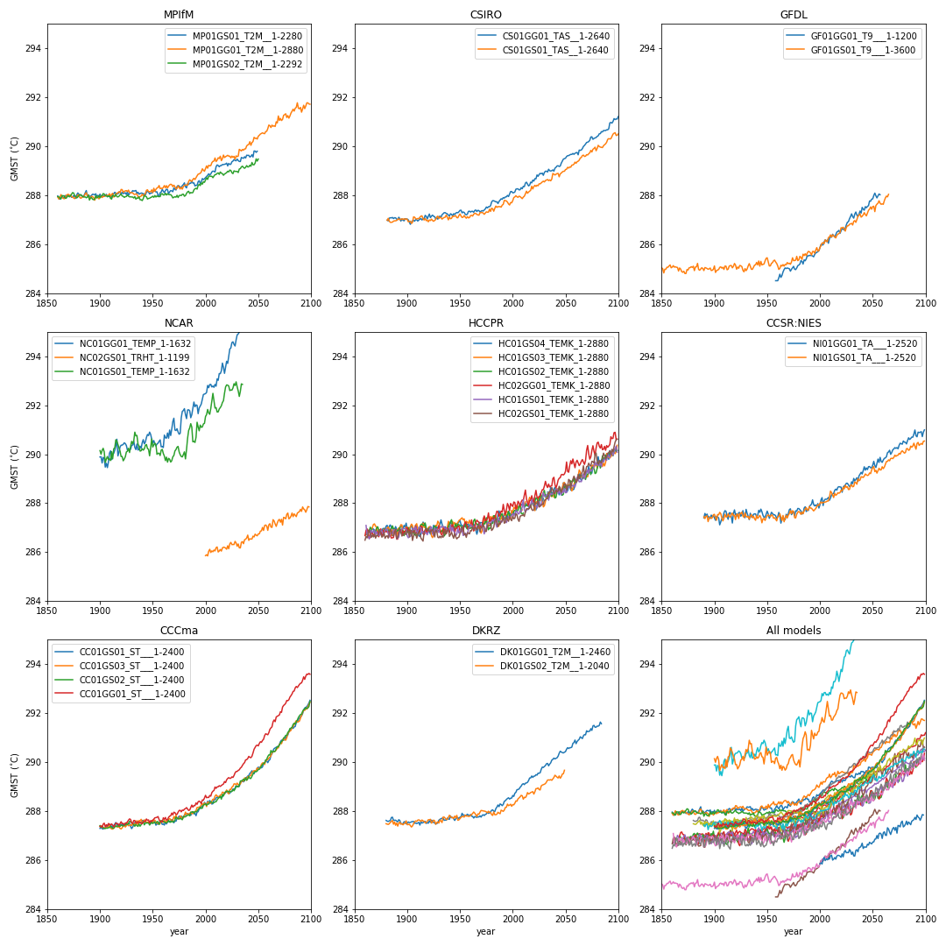
 | 1858 | -999 | -999 | -999 | -999 | -999 | -999 | 285.1538 | -999 | -999 | -999 | -999 | -999 | -999 | -999 | -999 | -999 | -999 | -999 | -999 | -999 | -999 | -999 | -999 | -999 | -999 | -999 | -999 | -999 | 1859 |  |  |  |  |  |  |  |  | 2056.7974 | 3.9314973 | 2057.0186 | 4.5743957
 | 1859 | -999 | -999 | -999 | -999 | -999 | -999 | 285.0356 | -999 | -999 | -999 | -999 | -999 | -999 | -999 | -999 | -999 | -999 | -999 | -999 | -999 | -999 | -999 | -999 | -999 | -999 | -999 | -999 | -999 | 1860 |  |  |  |  |  |  |  |  | 2073.6838 | 4.828053 | 2071.1567 | 5.3138714
 | 1860 | 287.9665 | 287.9226 | 287.9377 | -999 | -999 | -999 | 285.0625 | -999 | -999 | -999 | -999 | -999 | -999 | -999 | -999 | 286.6779 | -999 | 6937.417 | 6937.432 | 6937.376 | -999 | 286.4924 | -999 | -999 | -999 | -999 | -999 | -999 | 1861 |  |  |  |  |  |  |  |  | 2085.246 | 5.405911 | 2087.9734 | 6.1135664
 | 1861 | 287.8621 | 287.8378 | 287.9282 | -999 | -999 | -999 | 285.124 | -999 | -999 | -999 | -999 | -999 | 286.8583 | 286.7061 | 286.7145 | 286.89 | 287.1099 | 286.9109 | 286.662 | 286.8303 | 287.0942 | 286.6463 | -999 | -999 | -999 | -999 | -999 | -999 | 1862 |  |  |  |  |  |  |  |  | 2100.3145 | 6.3817835 | 2100.2568 | 7.0120897
 | 1862 | 287.8385 | 287.9121 | 287.8736 | -999 | -999 | -999 | 285.0637 | -999 | -999 | -999 | -999 | -999 | 286.7725 | 286.7517 | 286.7759 | 286.9534 | 286.8076 | 287.0411 | 286.6028 | 286.7242 | 286.7166 | 286.5868 | -999 | -999 | -999 | -999 | -999 | -999 | 1863
 | 1863 | 287.8772 | 288.022 | 287.8449 | -999 | -999 | -999 | 285.078 | -999 | -999 | -999 | -999 | -999 | 286.8347 | 286.6984 | 286.8974 | 286.7989 | 286.739 | 287.0299 | 286.7359 | 286.75 | 286.6366 | 286.7325 | -999 | -999 | -999 | -999 | -999 | -999 | 1864
 | 1864 | 287.9503 | 287.9369 | 287.9803 | -999 | -999 | -999 | 285.0575 | -999 | -999 | -999 | -999 | -999 | 286.9086 | 286.6843 | 286.8739 | 286.5656 | 287.0187 | 286.893 | 286.694 | 286.7994 | 286.5446 | 286.911 | -999 | -999 | -999 | -999 | -999 | -999 | 1865
 | 1865 | 287.9099 | 287.8708 | 287.9731 | -999 | -999 | -999 | 285.0505 | -999 | -999 | -999 | -999 | -999 | 286.8561 | 286.6261 | 287.0215 | 286.6046 | 286.9039 | 287.0597 | 286.979 | 286.8607 | 286.7103 | 286.761 | -999 | -999 | -999 | -999 | -999 | -999 | 1866
 | 1866 | 287.8939 | 287.8516 | 287.9713 | -999 | -999 | -999 | 284.9043 | -999 | -999 | -999 | -999 | -999 | 286.8398 | 286.8809 | 286.9371 | 286.7987 | 286.9396 | 287.0528 | 286.8979 | 286.7805 | 286.8978 | 286.6059 | -999 | -999 | -999 | -999 | -999 | -999 | 1867
 | 1867 | 287.9847 | 287.8689 | 287.8794 | -999 | -999 | -999 | 285.03 | -999 | -999 | -999 | -999 | -999 | 286.9854 | 287.0029 | 286.8029 | 286.7753 | 286.8538 | 286.9206 | 286.9886 | 286.7586 | 286.8188 | 286.709 | -999 | -999 | -999 | -999 | -999 | -999 | 1868
 | 1868 | 287.9281 | 287.9918 | 287.8735 | -999 | -999 | -999 | 284.9821 | -999 | -999 | -999 | -999 | -999 | 286.9421 | 287.1358 | 286.654 | 286.7038 | 286.8084 | 286.8816 | 287.0386 | 286.9471 | 286.8197 | 286.6244 | -999 | -999 | -999 | -999 | -999 | -999 | 1869
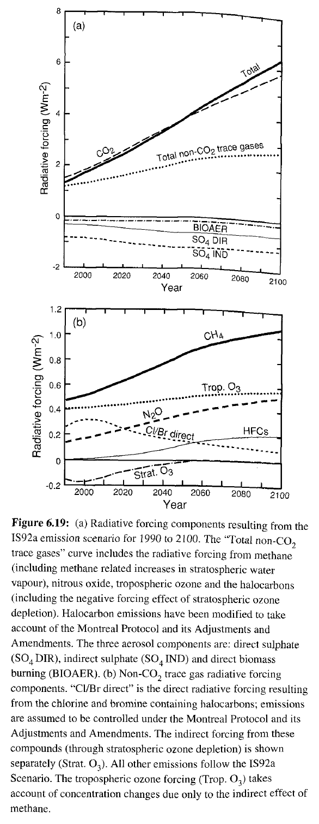
 | 1869 | 287.9982 | 288.0187 | 287.9387 | -999 | -999 | -999 | 284.8789 | -999 | -999 | -999 | -999 | -999 | 286.7825 | 287.1572 | 286.6702 | 286.6698 | 286.5533 | 286.6415 | 286.8636 | 286.7917 | 286.9239 | 286.7339 | -999 | -999 | -999 | -999 | -999 | -999 | 1870
 | 1870 | 288.005 | 288.0359 | 287.9742 | -999 | -999 | -999 | 284.8535 | -999 | -999 | -999 | -999 | -999 | 286.8776 | 287.0567 | 286.8737 | 286.7869 | 286.6761 | 286.5891 | 286.912 | 286.861 | 286.7256 | 286.5759 | -999 | -999 | -999 | -999 | -999 | -999 | 1871
 | 1871 | 287.9634 | 287.9655 | 287.9288 | -999 | -999 | -999 | 284.8959 | -999 | -999 | -999 | -999 | -999 | 286.883 | 287.0453 | 286.9875 | 286.7911 | 286.7582 | 286.6734 | 287.008 | 286.8324 | 286.8305 | 286.6913 | -999 | -999 | -999 | -999 | -999 | -999 | 1872
 | 1872 | 287.9906 | 288.0125 | 287.9686 | -999 | -999 | -999 | 284.8038 | -999 | -999 | -999 | -999 | -999 | 286.8965 | 286.8152 | 287.0417 | 286.8458 | 286.6085 | 286.836 | 286.8294 | 287.0645 | 286.7263 | 286.6622 | -999 | -999 | -999 | -999 | -999 | -999 | 1873
 | 1873 | 287.913 | 287.9385 | 288.033 | -999 | -999 | -999 | 284.8022 | -999 | -999 | -999 | -999 | -999 | 286.8857 | 286.7974 | 286.9272 | 286.63 | 286.696 | 286.7856 | 286.8058 | 287.0041 | 286.69 | 286.8068 | -999 | -999 | -999 | -999 | -999 | -999 | 1874
 | 1874 | 287.92 | 287.9269 | 288.1023 | -999 | -999 | -999 | 284.9635 | -999 | -999 | -999 | -999 | -999 | 286.7928 | 286.9197 | 286.7471 | 286.768 | 286.8556 | 286.9328 | 286.7798 | 287.0119 | 286.7035 | 286.9111 | -999 | -999 | -999 | -999 | -999 | -999 | 1875
 | 1875 | 287.982 | 287.8861 | 288.0864 | -999 | -999 | -999 | 284.9451 | -999 | -999 | -999 | -999 | -999 | 286.7373 | 286.785 | 286.9007 | 286.9572 | 286.8771 | 286.9967 | 286.8648 | 286.9403 | 286.9014 | 286.7505 | -999 | -999 | -999 | -999 | -999 | -999 | 1876
 | 1876 | 287.9278 | 287.8565 | 287.9802 | -999 | -999 | -999 | 285.037 | -999 | -999 | -999 | -999 | -999 | 286.8717 | 286.7503 | -999 | 286.6694 | 286.7582 | 287.0547 | 287.081 | 286.8759 | 286.8463 | 286.6157 | -999 | -999 | -999 | -999 | -999 | -999 | 1877
 | 1877 | 287.8724 | 287.9285 | 287.951 | -999 | -999 | -999 | 285.0421 | -999 | -999 | -999 | -999 | -999 | 286.9688 | 286.8404 | -999 | 286.8453 | 286.7501 | 286.8388 | 287.0672 | 287.033 | 286.7475 | 286.6567 | -999 | -999 | -999 | -999 | -999 | -999 | 1878
 | 1878 | 288.0168 | 287.9062 | 287.8855 | -999 | -999 | -999 | 285.0808 | -999 | -999 | -999 | -999 | -999 | 286.9727 | 286.9452 | 286.8642 | 286.9101 | 286.7451 | 286.9122 | 287.0293 | 287.1561 | 286.8042 | 286.8178 | -999 | -999 | -999 | -999 | -999 | -999 | 1879
 | 1879 | 288.0895 | 288.0147 | 287.927 | -999 | -999 | -999 | 285.0524 | -999 | -999 | -999 | -999 | -999 | 286.9308 | 286.885 | 286.9703 | 286.8232 | 286.7893 | 286.9621 | 286.7057 | 286.7778 | 286.8946 | 286.5707 | -999 | -999 | -999 | -999 | -999 | -999 | 1880 |  |  |  | 330 | 291
 | 1880 | 288.0343 | 288.0065 | 287.9825 | -999 | -999 | -999 | 285.1004 | 287.6274 | 287.4927 | -999 | -999 | -999 | 287.0642 | 286.8647 | 286.8684 | 286.858 | 286.8108 | 287.0114 | 286.5944 | 286.7482 | 286.9809 | 286.6439 | -999 | -999 | -999 | -999 | -999 | -999 | 1881
 | 1881 | 288.001 | 287.8932 | 288.0132 | 286.9816 | 286.9708 | -999 | 284.9209 | 287.601 | 287.4763 | -999 | -999 | -999 | 287.0993 | 286.9867 | 286.8385 | 286.8233 | 286.7916 | 286.969 | 286.6997 | 286.8445 | 286.8965 | 286.68 | -999 | -999 | -999 | -999 | -999 | -999 | 1882
 | 1882 | 288.0109 | 287.8714 | 288.0113 | 286.9482 | 287.0525 | -999 | 285.0673 | 287.5845 | 287.464 | -999 | -999 | -999 | 286.9039 | 287.0323 | 286.8794 | 286.8574 | 286.5793 | 286.9847 | 286.7519 | 286.851 | 286.7533 | 286.5777 | -999 | -999 | -999 | -999 | -999 | -999 | 1883
 | 1883 | 287.9513 | 287.9172 | 287.9674 | 287.0597 | 286.9381 | -999 | 285.078 | 287.6118 | 287.4908 | -999 | -999 | -999 | 287.0669 | 286.9316 | 286.8514 | 286.7015 | 286.7474 | 287.0859 | 286.9285 | 286.8437 | 286.6228 | 286.7579 | -999 | -999 | -999 | -999 | -999 | -999 | 1884
 | 1884 | 287.9287 | 287.9285 | 287.9405 | 287.077 | 286.8897 | -999 | 285.2162 | 287.618 | 287.5512 | -999 | -999 | -999 | 287.1148 | 286.8851 | 286.9177 | 286.6897 | 286.8419 | 287.1215 | 286.9646 | 286.9987 | 286.7822 | 286.9436 | -999 | -999 | -999 | -999 | -999 | -999 | 1885
 | 1885 | 287.9998 | 287.9484 | 287.9207 | 287.071 | 286.8904 | -999 | 284.9708 | 287.7461 | 287.5816 | -999 | -999 | -999 | 286.9951 | 286.6752 | 286.9659 | 286.5803 | 286.8641 | 287.1667 | 287.0334 | 286.9013 | 286.783 | 286.8523 | -999 | -999 | -999 | -999 | -999 | -999 | 1886
 | 1886 | 288.0909 | 288.0534 | 287.9284 | 287.0887 | 286.8996 | -999 | 284.9363 | 287.7601 | 287.6269 | -999 | -999 | -999 | 287.0002 | 286.9279 | 287.0793 | 286.5929 | 286.8679 | 287.0905 | 286.9487 | 286.7819 | 286.7578 | 286.6821 | -999 | -999 | -999 | -999 | -999 | -999 | 1887
 | 1887 | 288.1862 | 288.0974 | 287.8912 | 287.0426 | 286.9379 | -999 | 284.9899 | 287.6345 | 287.4748 | -999 | -999 | -999 | 286.9218 | 286.8265 | 286.9555 | 286.6019 | 286.8924 | 286.9906 | 286.8728 | 286.8112 | 286.9146 | 286.6625 | -999 | -999 | -999 | -999 | -999 | -999 | 1888
 | 1888 | 287.9583 | 287.9761 | 287.9152 | 287.0783 | 286.9518 | -999 | 285.0381 | 287.6325 | 287.5644 | -999 | -999 | -999 | 286.9065 | 286.8527 | 286.9672 | 286.8682 | 286.9155 | 287.0093 | 287.0132 | 286.9513 | 286.9282 | 286.8187 | -999 | -999 | -999 | -999 | -999 | -999 | 1889
 | 1889 | 288.0165 | 287.9897 | 287.995 | 287.0744 | 286.9531 | -999 | 285.0059 | 287.6381 | 287.4307 | -999 | -999 | -999 | 287.0492 | 286.7814 | 286.7916 | 286.9218 | 286.914 | 286.9546 | 286.935 | 286.9515 | 286.8535 | 286.9343 | -999 | -999 | -999 | -999 | -999 | -999 | 1890
 | 1890 | 287.9588 | 287.8951 | 287.7983 | 287.0215 | 286.9665 | -999 | 284.9226 | 287.599 | 287.524 | -999 | -999 | -999 | 286.9332 | 286.6751 | 286.8426 | 286.5335 | 286.8278 | 286.9563 | 286.9727 | 286.9337 | 286.5429 | 286.5563 | 287.4029 | 287.4482 | -999 | -999 | -999 | -999 | 1891
 | 1891 | 287.9401 | 287.8918 | 287.8819 | 286.9993 | 287.0165 | -999 | 285.0469 | 287.5705 | 287.3953 | -999 | -999 | -999 | 286.8928 | 286.9395 | 286.9029 | 286.5378 | 286.5336 | 286.9846 | 287.1773 | 286.9251 | 286.5894 | 286.6049 | 287.5831 | 287.3743 | -999 | -999 | -999 | -999 | 1892
 | 1892 | 287.9945 | 287.9518 | 287.8989 | 287.0977 | 287.0339 | -999 | 285.0299 | 287.6572 | 287.514 | -999 | -999 | -999 | 286.9786 | 286.9837 | 286.882 | 286.846 | 286.7658 | 287.122 | 286.9865 | 287.1511 | 286.6145 | 286.7834 | 287.4876 | 287.4687 | -999 | -999 | -999 | -999 | 1893
 | 1893 | 288.0379 | 287.9367 | 287.8292 | 287.0377 | 286.9917 | -999 | 285.0069 | 287.6264 | 287.5585 | -999 | -999 | -999 | 287.001 | 286.9995 | 287.0177 | 286.8146 | 286.9059 | 287.0416 | 286.9844 | 286.9766 | 286.879 | 286.937 | 287.5564 | 287.4896 | -999 | -999 | -999 | -999 | 1894
 | 1894 | 288.03 | 287.8938 | 287.8149 | 286.9412 | 287.017 | -999 | 284.9763 | 287.4825 | 287.4759 | -999 | -999 | -999 | 287.0695 | 287.1238 | 286.7841 | 286.9223 | 286.812 | 286.9926 | 286.8515 | 286.9366 | 286.8624 | 286.8484 | 287.4357 | 287.2505 | -999 | -999 | -999 | -999 | 1895
 | 1895 | 288.011 | 287.7898 | 287.8344 | 287.0364 | 287.034 | -999 | 284.9936 | 287.5009 | 287.492 | -999 | -999 | -999 | 287.0348 | 287.1105 | 286.7739 | 286.9226 | 287.0395 | 287.0311 | 287.006 | 286.9507 | 286.9626 | 286.6611 | 287.4443 | 287.4014 | -999 | -999 | -999 | -999 | 1896
 | 1896 | 288.0561 | 287.9235 | 287.9828 | 286.976 | 287.0066 | -999 | 285.0271 | 287.4774 | 287.4486 | -999 | -999 | -999 | 286.9653 | 286.8346 | 286.892 | 286.6898 | 287.2406 | 286.8711 | 287.0733 | 286.8821 | 286.9521 | 286.7307 | 287.3792 | 287.4313 | -999 | -999 | -999 | -999 | 1897
 | 1897 | 287.9348 | 287.8981 | 287.8858 | 286.9525 | 287.0373 | -999 | 284.9244 | 287.5746 | 287.4986 | -999 | -999 | -999 | 287.0928 | 286.8268 | 286.6766 | 286.8535 | 286.9603 | 287.0966 | 287.2113 | 286.809 | 286.9631 | 286.7783 | 287.5161 | 287.3767 | -999 | -999 | -999 | -999 | 1898
 | 1898 | 287.9909 | 287.9178 | 287.9091 | 287.0342 | 287.0065 | -999 | 284.9352 | 287.5696 | 287.5141 | -999 | -999 | -999 | 287.0319 | 286.8486 | 286.7973 | 286.8424 | 286.861 | 287.0976 | 287.2352 | 286.9516 | 286.9839 | 286.7434 | 287.4335 | 287.4138 | -999 | -999 | -999 | -999 | 1899
 | 1899 | 287.9358 | 287.8455 | 287.979 | 287.0287 | 287.0315 | -999 | 284.9756 | 287.4887 | 287.6116 | -999 | -999 | -999 | 287.1874 | 287.0405 | 286.9238 | 286.9053 | 286.8071 | 286.9248 | 286.8393 | 286.8985 | 286.9204 | 286.7251 | 287.5023 | 287.5298 | -999 | -999 | -999 | -999 | 1900
 | 1900 | 288.0413 | 287.9044 | 287.8919 | 287.0254 | 287.0132 | -999 | 285.1127 | 287.5055 | 287.4536 | 289.886 | -999 | 290.1463 | 286.9338 | 286.9166 | 286.7946 | 287.0145 | 286.8721 | 286.9565 | 286.7501 | 286.8046 | 286.6768 | 286.9064 | 287.3991 | 287.5472 | 287.3018 | 287.3924 | 287.4169 | 287.3767 | 1901
 | 1901 | 287.9324 | 287.9635 | 287.9593 | 286.9918 | 286.9142 | -999 | 284.8462 | 287.5681 | 287.4584 | 289.8942 | -999 | 289.9988 | 286.8192 | 286.821 | 287.0137 | 286.9063 | 286.8812 | 286.9179 | 286.8968 | 286.9077 | 286.5906 | 286.8764 | 287.3033 | 287.4206 | 287.3753 | 287.4022 | 287.3391 | 287.4 | 1902
 | 1902 | 287.9379 | 287.9016 | 287.9895 | 286.9022 | 286.9261 | -999 | 284.9191 | 287.5394 | 287.4741 | 289.6406 | -999 | 290.1563 | 286.8821 | 286.9651 | 286.8319 | 286.8746 | 286.8793 | 286.8573 | 287.0309 | 286.8722 | 286.6238 | 286.6253 | 287.4715 | 287.3044 | 287.2883 | 287.39 | 287.3852 | 287.3423 | 1903
 | 1903 | 287.9638 | 287.9453 | 288.0622 | 286.8101 | 286.9365 | -999 | 284.9463 | 287.5462 | 287.4138 | 289.8714 | -999 | 290.2389 | 287.027 | 287.0375 | 286.7922 | 286.9105 | 286.9048 | 286.978 | 287.2502 | 286.8373 | 286.6461 | 286.9007 | 287.4431 | 287.5403 | 287.2792 | 287.3384 | 287.3306 | 287.4764 | 1904
 | 1904 | 287.9883 | 287.9433 | 288.0447 | 286.9031 | 286.8447 | -999 | 284.9658 | 287.5712 | 287.3596 | 289.8218 | -999 | 290.0955 | 287.1052 | 287.1479 | 286.6718 | 286.7437 | 286.9369 | 287.0191 | 287.0252 | 286.7951 | 286.7298 | 286.88 | 287.3991 | 287.5248 | 287.3063 | 287.3083 | 287.3119 | 287.5172 | 1905
 | 1905 | 287.9699 | 287.9773 | 287.9684 | 286.9474 | 286.8868 | -999 | 285.053 | 287.5795 | 287.4025 | 289.4726 | -999 | 289.6564 | 286.9159 | 287.0921 | 286.7704 | 286.8485 | 286.9355 | 286.8323 | 287.0385 | 286.8521 | 286.9488 | 286.4792 | 287.1168 | 287.6288 | 287.3138 | 287.3386 | 287.2988 | 287.3666 | 1906
 | 1906 | 288.0364 | 288.0022 | 287.9747 | 286.9699 | 287.1115 | -999 | 285.0743 | 287.5883 | 287.4941 | 289.6279 | -999 | 289.8005 | 286.9329 | 286.8216 | 286.9081 | 286.8358 | 286.969 | 287.0236 | 286.9491 | 286.8331 | 286.9821 | 286.6638 | 287.2425 | 287.5731 | 287.339 | 287.3362 | 287.3143 | 287.4522 | 1907
 | 1907 | 287.9337 | 287.9795 | 287.937 | 286.9365 | 287.0997 | -999 | 285.0224 | 287.5142 | 287.5711 | 289.452 | -999 | 289.9044 | 286.9552 | 286.9594 | 286.7204 | 286.8806 | 286.9156 | 287.1926 | 1134.736 | 286.6738 | 286.9065 | 286.8775 | 287.3631 | 287.4099 | 287.4326 | 287.3342 | 287.3112 | 287.3947 | 1908
 | 1908 | 287.9455 | 287.9964 | 287.9673 | 286.9995 | 287.0408 | -999 | 285.057 | 287.5213 | 287.6074 | 289.6834 | -999 | 289.7782 | 287.1078 | 287.1067 | 286.6871 | 287.0745 | 286.9751 | 287.0334 | 286.9882 | 286.885 | 287.0396 | 286.77 | 287.4287 | 287.2792 | 287.4082 | 287.3545 | 287.3326 | 287.503 | 1909
 | 1909 | 287.9517 | 288.0606 | 287.9638 | 286.9943 | 287.0258 | -999 | 284.969 | 287.5 | 287.5889 | 290.0429 | -999 | 289.8068 | 286.9808 | 287.165 | 286.7234 | 286.7808 | 287.1429 | 287.0718 | 286.8946 | 286.9733 | 286.8516 | 286.5736 | 287.6074 | 287.3786 | 287.4675 | 287.4402 | 287.3396 | 287.4716 | 1910
 | 1910 | 287.9671 | 287.9455 | 287.8657 | 286.9436 | 287.0484 | -999 | 285.1068 | 287.5188 | 287.6404 | 290.135 | -999 | 289.7396 | 286.8765 | 286.9474 | 286.7586 | 286.9238 | 287.0704 | 287.0851 | 287.1287 | 286.9043 | 286.7772 | 286.7093 | 287.6981 | 287.547 | 287.4297 | 287.3148 | 287.3853 | 287.4397 | 1911
 | 1911 | 287.8874 | 288.0301 | 287.838 | 286.9851 | 287.0363 | -999 | 285.1002 | 287.5499 | 287.6519 | 289.7781 | -999 | 290.1038 | 286.6759 | 286.8798 | 286.8343 | 286.8922 | 286.8228 | 286.8955 | 287.2322 | 286.8502 | 287.0235 | 286.8448 | 287.6679 | 287.4431 | 287.3941 | 287.2841 | 287.3343 | 287.4878 | 1912
 | 1912 | 288.0673 | 288.0732 | 287.9889 | 287.0203 | 287.1004 | -999 | 284.9545 | 287.4389 | 287.6274 | 289.9747 | -999 | 289.8089 | 286.6442 | 287.0221 | 287.0168 | 286.8206 | 287.0646 | 286.8512 | 287.167 | 286.9293 | 287.0132 | 286.7456 | 287.467 | 287.446 | 287.349 | 287.274 | 287.3138 | 287.4343 | 1913
 | 1913 | 288.0463 | 287.9182 | 287.976 | 287.0435 | 287.1427 | -999 | 284.9804 | 287.5766 | 287.5904 | 290.0342 | -999 | 290.2195 | 286.7398 | 287.1237 | 287.1261 | 287.0636 | 287.0495 | 287.0387 | 287.123 | 287.091 | 286.9925 | 286.5795 | 287.343 | 287.567 | 287.4171 | 287.3174 | 287.3074 | 287.3697 | 1914
 | 1914 | 288.1175 | 287.9514 | 287.9505 | 286.9851 | 287.1539 | -999 | 285.1042 | 287.5208 | 287.6458 | 290.1596 | -999 | 290.2569 | 286.8783 | 287.0152 | 287.1557 | 286.9995 | 286.8524 | 286.9566 | 286.9558 | 287.0128 | 286.7841 | 286.5145 | 287.6028 | 287.4608 | 287.4772 | 287.3801 | 287.3691 | 287.4317 | 1915
 | 1915 | 288.0827 | 288.0563 | 288.0341 | 287.0424 | 287.0401 | -999 | 285.1253 | 287.537 | 287.6045 | 290.3384 | -999 | 290.587 | 287.23 | 287.1938 | 287.1031 | 286.7583 | 286.683 | 286.9801 | 287.0104 | 287.1818 | 286.8489 | 286.455 | 287.6157 | 287.4365 | 287.5443 | 287.38 | 287.4081 | 287.5197 | 1916
 | 1916 | 288.0496 | 288.0572 | 287.9379 | 287.0389 | 286.9846 | -999 | 285.1285 | 287.5769 | 287.5952 | 290.6098 | -999 | 290.5203 | 287.1731 | 287.0087 | 287.0786 | 286.717 | 286.5964 | 287.1383 | 287.0948 | 287.1065 | 286.8354 | 286.8261 | 287.4574 | 287.5401 | 287.4469 | 287.3909 | 287.3704 | 287.5017 | 1917
 | 1917 | 288.053 | 288.1016 | 287.9265 | 287.1749 | 287.0462 | -999 | 285.0335 | 287.5908 | 287.5271 | 289.9285 | -999 | 290.3969 | 287.1602 | 287.0449 | 287.1952 | 286.8 | 286.7219 | 287.0846 | 286.9151 | 286.9199 | 286.8084 | 286.9173 | 287.1916 | 287.5997 | 287.4903 | 287.3549 | 287.4154 | 287.4879 | 1918
 | 1918 | 288.115 | 288.1353 | 287.9534 | 287.1382 | 286.9591 | -999 | 285.0977 | 287.5041 | 287.5412 | 290.0882 | -999 | 290.252 | 287.0025 | 286.8605 | 286.91 | 286.9076 | 286.8378 | 287.0663 | 286.9645 | 286.7333 | 286.7868 | 286.9682 | 287.5787 | 287.4917 | 287.3967 | 287.3746 | 287.3861 | 287.4223 | 1919
 | 1919 | 288.146 | 288.0965 | 288.0095 | 287.0287 | 286.9794 | -999 | 285.2124 | 287.5424 | 287.5931 | 290.2955 | -999 | 290.1262 | 286.7858 | 286.8122 | 286.9019 | 286.8158 | 287.0112 | 287.0908 | 287.0056 | 286.7955 | 286.7144 | 286.9401 | 287.7277 | 287.5144 | 287.449 | 287.3045 | 287.386 | 287.4969 | 1920
 | 1920 | 288.0344 | 288.2306 | 288.0382 | 287.1377 | 286.913 | -999 | 285.1475 | 287.5139 | 287.6577 | 290.3653 | -999 | 289.9031 | 286.8175 | 287.0034 | 286.8622 | 286.8625 | 287.0371 | 287.1133 | 287.2191 | 286.7899 | 286.8425 | 286.9415 | 287.5234 | 287.3324 | 287.469 | 287.2793 | 287.4332 | 287.5761 | 1921
 | 1921 | 288.113 | 288.225 | 287.9644 | 287.2294 | 286.987 | -999 | 284.9773 | 287.6184 | 287.6538 | 290.3702 | -999 | 289.9067 | 286.8519 | 287.0442 | 287.0052 | 286.8782 | 287.1932 | 287.229 | 287.252 | 287.1136 | 286.8559 | 286.8603 | 287.5707 | 287.5402 | 287.4176 | 287.3247 | 287.4231 | 287.4927 | 1922
 | 1922 | 288.0622 | 288.111 | 287.9533 | 287.0807 | 286.9634 | -999 | 285.0681 | 287.5498 | 287.6742 | 290.3983 | -999 | 289.7292 | 286.7393 | 287.0516 | 286.8456 | 286.8894 | 286.8551 | 287.1712 | 287.1752 | 287.145 | 287.0373 | 286.8207 | 287.4577 | 287.5552 | 287.4749 | 287.4079 | 287.3955 | 287.5086 | 1923
 | 1923 | 288.0784 | 288.1543 | 287.9076 | 287.1467 | 287.0221 | -999 | 285.0158 | 287.6392 | 287.5165 | 290.4631 | -999 | 289.801 | 286.8651 | 286.6679 | 286.904 | 286.9282 | 286.9219 | 287.3041 | 287.1404 | 287.2539 | 287.0214 | 286.8959 | 287.6137 | 287.3744 | 287.4255 | 287.4146 | 287.4408 | 287.446 | 1924
 | 1924 | 288.096 | 288.1723 | 287.9372 | 287.1836 | 286.9648 | -999 | 285.1327 | 287.6055 | 287.5638 | 290.4316 | -999 | 289.8956 | 286.879 | 286.5967 | 286.8153 | 286.8994 | 286.9994 | 287.1006 | 287.3231 | 287.209 | 286.7548 | 286.9117 | 287.6192 | 287.5788 | 287.4033 | 287.3593 | 287.4529 | 287.5255 | 1925
 | 1925 | 288.0251 | 288.1844 | 287.9444 | 287.1346 | 286.9338 | -999 | 285.1168 | 287.5367 | 287.6401 | 290.3508 | -999 | 290.0905 | 287.1005 | 286.7295 | 286.9852 | 286.8305 | 287.1017 | 287.1345 | 287.2226 | 287.142 | 286.6976 | 286.8135 | 287.4719 | 287.5759 | 287.5086 | 287.4123 | 287.4873 | 287.5184 | 1926
 | 1926 | 288.1359 | 288.1455 | 288.005 | 287.1223 | 286.9702 | -999 | 285.0835 | 287.5327 | 287.6107 | 290.1635 | -999 | 290.1201 | 286.8018 | 286.9024 | 287.0771 | 286.856 | 287.0585 | 286.9481 | 287.2036 | 287.2339 | 286.9978 | 286.6233 | 287.5265 | 287.636 | 287.511 | 287.5209 | 287.4515 | 287.5729 | 1927
 | 1927 | 287.9999 | 288.2054 | 287.9577 | 287.0297 | 287.0043 | -999 | 284.9319 | 287.4789 | 287.4727 | 290.1748 | -999 | 290.2417 | 286.875 | 287.1005 | 287.035 | 286.9175 | 287.0511 | 287.0191 | 287.1694 | 287.2383 | 286.8569 | 286.8999 | 287.699 | 287.479 | 287.5208 | 287.4087 | 287.5022 | 287.638 | 1928
 | 1928 | 288.0641 | 288.1079 | 287.9279 | 287.0823 | 287.1104 | -999 | 284.8725 | 287.5041 | 287.5408 | 290.1605 | -999 | 290.0668 | 287.0221 | 287.0725 | 286.888 | 286.8299 | 287.3044 | 287.1058 | 287.1601 | 287.1754 | 286.9447 | 286.8749 | 287.4404 | 287.4261 | 287.5041 | 287.4304 | 287.5931 | 287.6902 | 1929
 | 1929 | 288.0959 | 288.0926 | 287.931 | 287.0183 | 287.1415 | -999 | 285.0027 | 287.5229 | 287.5694 | 290.2026 | -999 | 290.3217 | 286.9897 | 287.2684 | 286.8675 | 286.936 | 287.1024 | 287.0701 | 287.0897 | 287.0948 | 286.8449 | 286.6161 | 287.4099 | 287.6043 | 287.3825 | 287.4516 | 287.5717 | 287.6679 | 1930
 | 1930 | 288.117 | 288.1044 | 287.9233 | 287.1163 | 287.0453 | -999 | 284.9189 | 287.6361 | 287.5208 | 290.3586 | -999 | 290.5227 | 287.08 | 287.1963 | 286.8903 | 287.0878 | 286.8913 | 287.1087 | 286.9272 | 287.2169 | 286.8058 | 286.5892 | 287.7491 | 287.4753 | 287.292 | 287.4186 | 287.5371 | 287.5273 | 1931
 | 1931 | 288.1834 | 288.0916 | 287.9226 | 287.1405 | 287.0986 | -999 | 284.9885 | 287.6734 | 287.6462 | 290.3744 | -999 | 290.4244 | 287.1361 | 286.9556 | 286.8991 | 286.9007 | 287.0039 | 287.0447 | 286.9651 | 286.935 | 286.9861 | 286.6585 | 287.5868 | 287.43 | 287.3609 | 287.5136 | 287.4921 | 287.4935 | 1932
 | 1932 | 288.1625 | 288.0401 | 287.8817 | 287.0875 | 287.0795 | -999 | 285.1122 | 287.6964 | 287.6047 | 290.5333 | -999 | 290.551 | 287.3202 | 286.8563 | 286.8121 | 286.7413 | 287.0369 | 287.074 | 286.9124 | 287.0815 | 287.0532 | 286.5889 | 287.4656 | 287.4688 | 287.4534 | 287.4528 | 287.4511 | 287.6252 | 1933
 | 1933 | 288.1731 | 288.0269 | 287.9425 | 287.2004 | 287.0215 | -999 | 285.206 | 287.7188 | 287.5418 | 290.2766 | -999 | 290.8983 | 287.1424 | 286.8372 | 286.8798 | 286.7103 | 286.87 | 287.0941 | 286.9457 | 286.9527 | 287.014 | 286.6765 | 287.3315 | 287.3495 | 287.5406 | 287.4998 | 287.389 | 287.6244 | 1934
 | 1934 | 288.1891 | 288.0504 | 287.8352 | 287.2386 | 287.0586 | -999 | 285.098 | 287.7236 | 287.7646 | 290.1865 | -999 | 290.7483 | 286.9803 | 287.0533 | 286.9142 | 286.873 | 286.889 | 287.0379 | 287.1302 | 287.0184 | 287.0512 | 286.6104 | 287.591 | 287.4718 | 287.5839 | 287.491 | 287.4711 | 287.5337 | 1935
 | 1935 | 288.0651 | 288.0349 | 287.8851 | 287.2831 | 287.0886 | -999 | 284.9769 | 287.6319 | 287.7644 | 290.4143 | -999 | 290.7637 | 286.899 | 286.8003 | 286.6619 | 287.0373 | 287.0592 | 287.1123 | 287.1999 | 287.0294 | 287.0219 | 286.7657 | 287.4426 | 287.5359 | 287.551 | 287.6198 | 287.4154 | 287.5133 | 1936
 | 1936 | 288.1164 | 287.9389 | 287.8731 | 287.2851 | 287.0979 | -999 | 284.9731 | 287.645 | 287.717 | 290.168 | -999 | 290.4158 | 287.0382 | 286.8885 | 286.7293 | 286.8855 | 287.0918 | 287.1951 | 287.2661 | 286.9352 | 286.9457 | 286.9357 | 287.4277 | 287.4065 | 287.5465 | 287.4483 | 287.3835 | 287.5813 | 1937
 | 1937 | 288.0371 | 287.9384 | 287.9295 | 287.2515 | 287.1886 | -999 | 285.0573 | 287.6399 | 287.6702 | 290.1952 | -999 | 290.3183 | 286.9845 | 286.9715 | 286.8483 | 286.7494 | 287.086 | 287.0584 | 287.3867 | 286.9436 | 286.9999 | 286.7579 | 287.5478 | 287.4676 | 287.5447 | 287.626 | 287.484 | 287.5414 | 1938
 | 1938 | 288.065 | 287.9365 | 287.8101 | 287.2381 | 287.0964 | -999 | 285.1432 | 287.724 | 287.667 | 290.3257 | -999 | 290.1261 | 286.9294 | 287.0142 | 286.8969 | 286.9955 | 287.1815 | 287.3742 | 287.2519 | 287.063 | 286.8658 | 286.8891 | 287.5644 | 287.3655 | 287.5376 | 287.6076 | 287.3902 | 287.5567 | 1939
 | 1939 | 288.0853 | 287.959 | 287.811 | 287.1829 | 286.9912 | -999 | 285.1577 | 287.6867 | 287.7514 | 290.2403 | -999 | 290.1417 | 287.1308 | 287.2613 | 287.0139 | 286.9593 | 287.1361 | 287.3398 | 287.1632 | 287.0481 | 286.8502 | 286.9566 | 287.5627 | 287.3042 | 287.5325 | 287.6737 | 287.4596 | 287.5045 | 1940
 | 1940 | 288.077 | 288.0362 | 287.7767 | 287.1451 | 287.1054 | -999 | 285.2555 | 287.6727 | 287.8407 | 290.466 | -999 | 290.2242 | 287.1412 | 287.1504 | 287.1405 | 286.8012 | 287.1271 | 287.0272 | 286.952 | 287.1486 | 286.94 | 286.6462 | 287.4425 | 287.5077 | 287.629 | 287.5447 | 287.512 | 287.4918 | 1941
 | 1941 | 288.056 | 287.973 | 287.86 | 287.2398 | 287.036 | -999 | 285.1539 | 287.8104 | 287.7857 | 290.593 | -999 | 290.1647 | 287.2175 | 287.103 | 287.2492 | 286.9759 | 286.9499 | 287.2518 | 287.0432 | 287.1038 | 287.1179 | 286.7162 | 287.5097 | 287.3796 | 287.6223 | 287.5569 | 287.5748 | 287.5731 | 1942
 | 1942 | 288.0472 | 287.9983 | 287.9878 | 287.2176 | 287.052 | -999 | 285.3137 | 287.7401 | 287.7419 | 290.4199 | -999 | 290.2176 | 287.1488 | 287.0551 | 287.3277 | 287.0464 | 287.1203 | 287.2165 | 287.1002 | 287.0924 | 286.8389 | 286.8162 | 287.7101 | 287.4387 | 287.6193 | 287.6513 | 287.4474 | 287.5797 | 1943
 | 1943 | 288.002 | 288.0732 | 287.9546 | 287.1502 | 287.1414 | -999 | 285.1017 | 287.7532 | 287.7464 | 290.4938 | -999 | 290.3588 | 287.1067 | 287.254 | 287.0678 | 287.1277 | 287.0285 | 287.183 | 287.2112 | 287.3609 | 287.0104 | 286.6839 | 287.6302 | 287.5054 | 287.5787 | 287.6245 | 287.5225 | 287.5943 | 1944
 | 1944 | 288.1134 | 288.1959 | 287.9335 | 287.2421 | 287.1254 | -999 | 285.2981 | 287.6986 | 287.7062 | 290.6811 | -999 | 290.3964 | 286.9075 | 287.1421 | 286.923 | 287.0061 | 286.9073 | 287.0272 | 287.1408 | 287.3111 | 286.8686 | 286.5716 | 287.7587 | 287.4131 | 287.5446 | 287.554 | 287.5204 | 287.6882 | 1945
 | 1945 | 288.1585 | 288.2175 | 287.8404 | 287.2076 | 287.1528 | -999 | 285.1537 | 287.6267 | 287.8033 | 290.8034 | -999 | 290.229 | 286.9026 | 287.2151 | 287.0577 | 286.8001 | 286.9273 | 287.166 | 287.2068 | 287.3387 | 286.8019 | 286.7732 | 287.6533 | 287.2014 | 287.5547 | 287.5492 | 287.5239 | 287.6307 | 1946
 | 1946 | 288.1276 | 288.1418 | 287.8637 | 287.265 | 287.159 | -999 | 285.1752 | 287.6959 | 287.7448 | 290.7588 | -999 | 290.2 | 287.0237 | 286.9796 | 287.1663 | 286.9649 | 287.0411 | 287.2898 | 287.2904 | 287.4259 | 286.6749 | 286.6237 | 287.5077 | 287.3607 | 287.5341 | 287.5562 | 287.5287 | 287.6496 | 1947
 | 1947 | 288.0473 | 288.1405 | 287.8727 | 287.2909 | 287.0824 | -999 | 285.1905 | 287.7433 | 287.8344 | 290.8999 | -999 | 289.9319 | 287.0579 | 287.1714 | 286.9836 | 286.9842 | 287.1759 | 287.4602 | 287.3131 | 287.2494 | 286.7521 | 286.5448 | 287.4223 | 287.3749 | 287.5539 | 287.5893 | 287.4387 | 287.519 | 1948
 | 1948 | 288.08 | 288.134 | 287.9017 | 287.2799 | 287.0755 | -999 | 285.3177 | 287.7409 | 287.6339 | 290.8053 | -999 | 290.2546 | 287.1835 | 287.2164 | 287.1406 | 287.0395 | 287.2824 | 287.2346 | 287.2157 | 287.2165 | 286.9766 | 286.5989 | 287.4342 | 287.2961 | 287.4947 | 287.5853 | 287.5056 | 287.6204 | 1949
 | 1949 | 288.0842 | 288.214 | 287.9215 | 287.3216 | 287.1699 | -999 | 285.4211 | 287.7077 | 287.653 | 290.6167 | -999 | 290.621 | 287.2347 | 287.2923 | 287.1179 | 287.0803 | 287.1739 | 287.3965 | 287.1243 | 287.1494 | 286.7881 | 286.6154 | 287.5448 | 287.4151 | 287.5994 | 287.6202 | 287.5571 | 287.587 | 1950
 | 1950 | 288.1171 | 288.1046 | 287.9568 | 287.3775 | 287.2332 | -999 | 285.4459 | 287.7612 | 287.7011 | 290.448 | -999 | 290.2908 | 287.3047 | 287.3238 | 287.0969 | 286.8474 | 287.4111 | 287.3973 | 287.2874 | 287.0745 | 286.8087 | 286.7641 | 287.6771 | 287.4841 | 287.6229 | 287.5468 | 287.4973 | 287.6399 | 1951
 | 1951 | 288.1854 | 288.2808 | 287.908 | 287.3851 | 287.1495 | -999 | 285.2701 | 287.7802 | 287.7553 | 290.5545 | -999 | 290.3805 | 287.1204 | 287.3658 | 287.0587 | 286.9588 | 287.2555 | 287.1519 | 287.3181 | 287.0383 | 286.9756 | 286.8506 | 287.562 | 287.5242 | 287.6201 | 287.6528 | 287.5454 | 287.683 | 1952
 | 1952 | 288.176 | 288.1547 | 287.9851 | 287.275 | 287.0879 | -999 | 285.11 | 287.9193 | 287.7882 | 290.4222 | -999 | 290.45 | 287.099 | 287.4066 | 286.8454 | 286.851 | 287.0796 | 287.054 | 287.246 | 287.2305 | 286.8774 | 287.0363 | 287.3827 | 287.4941 | 287.551 | 287.6373 | 287.5377 | 287.7354 | 1953
 | 1953 | 288.1289 | 288.2354 | 287.9219 | 287.3123 | 287.1022 | -999 | 285.1137 | 287.8319 | 287.783 | 290.3356 | -999 | 290.3814 | 287.0679 | 287.3233 | 287.0499 | 286.8466 | 287.0131 | 287.129 | 287.1668 | 286.9499 | 286.6843 | 287.0234 | 287.4839 | 287.4508 | 287.4335 | 287.5601 | 287.51 | 287.7413 | 1954
 | 1954 | 288.1338 | 288.2909 | 287.9693 | 287.2933 | 287.17 | -999 | 285.2142 | 287.8515 | 287.7654 | 290.4136 | -999 | 289.9937 | 287.0703 | 287.3626 | 287.0642 | 287.1178 | 287.1328 | 287.3126 | 287.2416 | 287.1256 | 286.7032 | 286.7149 | 287.63 | 287.5193 | 287.4824 | 287.5087 | 287.5832 | 287.7577 | 1955
 | 1955 | 287.9925 | 288.3095 | 287.9411 | 287.2218 | 287.1048 | -999 | 285.2471 | 287.8126 | 287.846 | 290.4507 | -999 | 290.0396 | 287.0391 | 287.1251 | 287.1839 | 287.2324 | 287.2257 | 287.291 | 287.3046 | 287.2289 | 286.7822 | 286.7455 | 287.5863 | 287.5107 | 287.4791 | 287.5513 | 287.5731 | 287.7865 | 1956
 | 1956 | 287.958 | 288.392 | 287.939 | 287.1972 | 287.0573 | -999 | 285.3196 | 287.8382 | 287.805 | 290.523 | -999 | 290.0358 | 287.0703 | 287.2651 | 286.9995 | 287.195 | 287.1162 | 287.2763 | 287.3334 | 286.946 | 286.7351 | 286.6069 | 287.5276 | 287.3856 | 287.496 | 287.4675 | 287.4662 | 287.6641 | 1957
 | 1957 | 288.0957 | 288.263 | 287.9393 | 287.2244 | 287.1224 | -999 | 285.3505 | 287.8812 | 287.8128 | 290.584 | -999 | 289.945 | 287.1401 | 287.2278 | 286.9429 | 287.0067 | 287.205 | 287.2221 | 287.2848 | 287.0661 | 286.7251 | 286.7933 | 287.5303 | 287.4063 | 287.5991 | 287.5033 | 287.564 | 287.5823 | 1958
 | 1958 | 288.1259 | 288.2861 | 288.0519 | 287.3364 | 287.0723 | 284.5094 | 285.2742 | 287.8449 | 287.7917 | 290.3001 | -999 | 290.1674 | 287.1491 | 287.1811 | 287.0648 | 286.9469 | 287.21 | 287.2135 | 287.205 | 287.1654 | 286.9442 | 286.7818 | 287.487 | 287.3495 | 287.5533 | 287.5833 | 287.6282 | 287.6013 | 1959
 | 1959 | 288.2394 | 288.2652 | 288.0593 | 287.3453 | 287.0836 | 284.5094 | 285.2131 | 287.8154 | 287.7968 | 290.3098 | -999 | 290.1968 | 287.0196 | 287.3058 | 286.9751 | 287.0289 | 287.2966 | 287.2102 | 287.3675 | 287.2041 | 287.0399 | 286.7477 | 287.3748 | 287.2795 | 287.4666 | 287.6015 | 287.5796 | 287.5629 | 1960
 | 1960 | 288.1564 | 288.3145 | 288.0058 | 287.3085 | 287.1649 | 284.5094 | 285.1149 | 287.8694 | 287.8322 | 290.2722 | -999 | 290.026 | 287.1085 | 287.1536 | 286.9801 | 287.0751 | 287.1149 | 287.2501 | 287.5557 | 287.3658 | 287.1243 | 286.888 | 287.4479 | 287.4402 | 287.4825 | 287.5472 | 287.597 | 287.7349 | 1961
 | 1961 | 288.0984 | 288.3899 | 288.0082 | 287.3388 | 287.1748 | 284.6279 | 284.9692 | 287.8027 | 287.8683 | 290.7792 | -999 | 289.9206 | 287.0522 | 287.0988 | 287.0113 | 287.3196 | 287.2238 | 287.3408 | 287.5726 | 287.4437 | 287.0594 | 286.8744 | 287.6241 | 287.4669 | 287.439 | 287.6251 | 287.5575 | 287.6711 | 1962
 | 1962 | 288.187 | 288.3007 | 288.0791 | 287.3376 | 287.1454 | 284.7753 | 285.0103 | 287.792 | 287.9112 | 290.6655 | -999 | 289.7377 | 287.0916 | 287.016 | 286.9866 | 287.0821 | 287.23 | 287.2159 | 287.4025 | 287.4012 | 287.0701 | 287.0377 | 287.5071 | 287.5687 | 287.5807 | 287.6057 | 287.5379 | 287.7493 | 1963
 | 1963 | 288.2419 | 288.3853 | 288.0038 | 287.3006 | 287.224 | 284.6442 | 285.1417 | 287.7255 | 287.9718 | 290.654 | -999 | 289.8795 | 287.1503 | 287.0583 | 287.287 | 286.8666 | 287.3861 | 287.1266 | 287.4471 | 287.3132 | 286.9714 | 286.9191 | 287.1872 | 287.4312 | 287.4825 | 287.5288 | 287.5304 | 287.641 | 1964
 | 1964 | 288.2204 | 288.2908 | 288.0577 | 287.374 | 287.2553 | 284.7212 | 285.1064 | 287.7847 | 287.9242 | 290.8638 | -999 | 289.6741 | 287.0688 | 286.9073 | 287.3522 | 286.9772 | 287.5455 | 287.4482 | 287.3701 | 287.4848 | 286.9748 | 287.0008 | 287.3627 | 287.2914 | 287.5718 | 287.6298 | 287.5644 | 287.6562 | 1965
 | 1965 | 288.0551 | 288.3667 | 288.025 | 287.3925 | 287.2525 | 284.8662 | 285.1668 | 287.7664 | 287.8605 | 290.6518 | -999 | 289.8314 | 286.9092 | 286.9667 | 287.1714 | 287.2045 | 287.3479 | 287.3506 | 287.5035 | 287.4326 | 286.9195 | 286.9976 | 287.4642 | 287.5025 | 287.5814 | 287.6646 | 287.6393 | 287.7558 | 1966
 | 1966 | 288.131 | 288.4176 | 288.0176 | 287.3305 | 287.2113 | 284.9633 | 285.104 | 287.7527 | 287.7876 | 290.985 | -999 | 289.7933 | 286.7363 | 287.0002 | 287.1611 | 287.3108 | 287.276 | 287.484 | 287.4142 | 287.3212 | 287.0388 | 286.9059 | 287.3653 | 287.2426 | 287.5786 | 287.7063 | 287.5571 | 287.8033 | 1967
 | 1967 | 288.1849 | 288.4448 | 288.0203 | 287.3792 | 287.1941 | 285.0307 | 285.1721 | 287.7732 | 287.8955 | 290.7604 | -999 | 289.6783 | 286.8877 | 287.1362 | 287.0854 | 287.257 | 287.3386 | 287.284 | 287.5077 | 287.3415 | 287.0832 | 287.0525 | 287.3265 | 287.3926 | 287.6043 | 287.6622 | 287.5534 | 287.8178 | 1968
 | 1968 | 288.1746 | 288.4252 | 287.9729 | 287.3673 | 287.1826 | 285.0052 | 285.1624 | 287.7704 | 287.8798 | 291.0225 | -999 | 289.7344 | 287.2033 | 286.9823 | 287.1695 | 287.2219 | 287.3655 | 287.3814 | 287.4353 | 287.4798 | 287.0933 | 287.1288 | 287.5494 | 287.51 | 287.6636 | 287.5848 | 287.6099 | 287.9286 | 1969
 | 1969 | 288.138 | 288.3451 | 287.8873 | 287.3084 | 287.283 | 285.0293 | 285.25 | 287.8153 | 287.9667 | 291.3257 | -999 | 289.8912 | 287.2144 | 286.9472 | 287.1823 | 287.1162 | 287.1801 | 287.5441 | 287.5621 | 287.3565 | 287.1566 | 286.8276 | 287.4792 | 287.3978 | 287.6225 | 287.6479 | 287.5612 | 287.8549 | 1970
 | 1970 | 288.293 | 288.4058 | 287.9135 | 287.3442 | 287.2858 | 285.0149 | 285.2024 | 287.764 | 288.0336 | 291.4666 | -999 | 289.9451 | 287.2022 | 286.7761 | 287.0417 | 286.9952 | 287.2727 | 287.5413 | 287.4759 | 287.3669 | 287.1009 | 287.0114 | 287.5757 | 287.5077 | 287.5303 | 287.7883 | 287.5786 | 287.963 | 1971
 | 1971 | 288.2395 | 288.3387 | 287.9363 | 287.3693 | 287.2948 | 284.998 | 285.2236 | 287.8317 | 288.0279 | 290.9844 | -999 | 290.1309 | 287.2136 | 286.8889 | 287.03 | 287.0745 | 287.3171 | 287.5931 | 287.3697 | 287.4651 | 287.0749 | 287.029 | 287.7346 | 287.5816 | 287.6149 | 287.705 | 287.6376 | 287.9459 | 1972
 | 1972 | 288.2082 | 288.251 | 287.9148 | 287.3511 | 287.2651 | 284.898 | 285.1794 | 287.8608 | 288.0155 | 290.9646 | -999 | 290.1885 | 287.1069 | 287.1645 | 287.1686 | 287.3532 | 287.4013 | 287.4695 | 287.4789 | 287.5875 | 286.9317 | 287.1298 | 287.7726 | 287.6991 | 287.5924 | 287.8473 | 287.7636 | 287.878 | 1973
 | 1973 | 288.3495 | 288.2758 | 287.9926 | 287.3968 | 287.2164 | 284.9742 | 285.2701 | 287.8275 | 288.0104 | 291.0373 | -999 | 290.2846 | 287.187 | 287.4385 | 287.1443 | 287.482 | 287.3717 | 287.463 | 287.5069 | 287.6172 | 286.7478 | 287.0251 | 287.5347 | 287.574 | 287.7077 | 287.7106 | 287.7243 | 287.8773 | 1974
 | 1974 | 288.3932 | 288.3785 | 287.9024 | 287.4374 | 287.2652 | 285.0339 | 285.4458 | 287.8719 | 287.9992 | 290.9031 | -999 | 290.3172 | 287.3261 | 287.3023 | 287.2091 | 287.2892 | 287.6148 | 287.4883 | 287.4466 | 287.4863 | 286.9323 | 286.8476 | 287.6067 | 287.6948 | 287.74 | 287.7052 | 287.6926 | 287.9637 | 1975
 | 1975 | 288.3705 | 288.306 | 287.9781 | 287.5148 | 287.3169 | 285.0956 | 285.3278 | 287.8926 | 287.9741 | 290.814 | -999 | 290.0934 | 287.2459 | 287.172 | 287.4127 | 287.3057 | 287.6193 | 287.4947 | 287.5673 | 287.7117 | 286.9841 | 286.8497 | 287.6509 | 287.6595 | 287.804 | 287.6957 | 287.69 | 288.035 | 1976
 | 1976 | 288.3185 | 288.2489 | 287.9949 | 287.4788 | 287.3043 | 284.9777 | 285.3324 | 287.9581 | 287.9362 | 290.8518 | -999 | 289.9807 | 287.1585 | 287.0023 | 287.1177 | 287.3664 | 287.7023 | 287.3994 | 287.5922 | 287.504 | 287.2074 | 287.0866 | 287.4856 | 287.4097 | 287.6976 | 287.8129 | 287.7165 | 288.0398 | 1977
 | 1977 | 288.3187 | 288.3188 | 287.9815 | 287.528 | 287.3071 | 284.9619 | 285.3477 | 287.9172 | 288.0036 | 291.4834 | -999 | 289.9054 | 287.2114 | 287.1488 | 286.9169 | 287.6054 | 287.354 | 287.4112 | 287.7819 | 287.5376 | 287.1946 | 287.0683 | 287.6914 | 287.3999 | 287.8079 | 287.7728 | 287.6896 | 287.9782 | 1978
 | 1978 | 288.3851 | 288.2414 | 288.0342 | 287.5252 | 287.4294 | 285.0283 | 285.5034 | 287.933 | 287.953 | 291.7416 | -999 | 289.8883 | 287.3127 | 287.3111 | 286.9925 | 287.2598 | 287.4321 | 287.4052 | 287.5412 | 287.5758 | 287.2025 | 287.0822 | 287.6733 | 287.5534 | 287.7586 | 287.6824 | 287.6558 | 288.0514 | 1979
 | 1979 | 288.4322 | 288.3529 | 288.0374 | 287.5718 | 287.3351 | 285.1231 | 285.3272 | 287.9754 | 287.9566 | 291.7821 | -999 | 289.9861 | 287.2683 | 287.4611 | 286.9723 | 287.2758 | 287.4612 | 287.681 | 287.5389 | 287.5836 | 287.1441 | 287.1788 | 287.7859 | 287.6283 | 287.7403 | 287.7504 | 287.7941 | 288.0335 | 1980
 | 1980 | 288.5001 | 288.3958 | 287.9535 | 287.7187 | 287.4664 | 285.1478 | 285.3623 | 288.0413 | 287.8629 | 291.8565 | -999 | 290.0953 | 287.3303 | 287.3125 | 287.2151 | 287.3955 | 287.441 | 287.6477 | 287.5464 | 287.8027 | 287.2442 | 286.8899 | 287.7816 | 287.6647 | 287.8335 | 287.8499 | 287.7725 | 288.0895 | 1981
 | 1981 | 288.3433 | 288.4142 | 287.9823 | 287.7757 | 287.4425 | 285.1914 | 285.5043 | 288.058 | 287.8302 | 291.6174 | -999 | 289.808 | 287.1899 | 287.4713 | 287.1792 | 287.4011 | 287.3718 | 287.8127 | 287.3719 | 287.6578 | 287.3203 | 286.9377 | 287.7324 | 287.6178 | 287.8689 | 287.9685 | 287.7764 | 288.1076 | 1982
 | 1982 | 288.2951 | 288.4065 | 288.0703 | 287.7699 | 287.3432 | 285.3293 | 285.4565 | 288.004 | 287.9752 | 291.4493 | -999 | 290.1865 | 287.3388 | 287.4392 | 287.4925 | 287.3453 | 287.367 | 287.6015 | 287.393 | 287.5853 | 287.2664 | 287.0263 | 287.6844 | 287.5468 | 287.8738 | 287.8741 | 287.8163 | 288.1516 | 1983
 | 1983 | 288.4808 | 288.4024 | 288.1328 | 287.7505 | 287.4624 | 285.2971 | 285.3799 | 287.988 | 287.8614 | 291.8023 | -999 | 290.6461 | 287.3761 | 287.4821 | 287.4865 | 287.4249 | 287.5241 | 287.6451 | 287.4675 | 287.5707 | 287.3487 | 287.2715 | 287.5603 | 287.6403 | 287.9169 | 287.9051 | 287.8375 | 288.0937 | 1984
 | 1984 | 288.4344 | 288.5548 | 288.1566 | 287.7247 | 287.5545 | 285.1889 | 285.5917 | 288.1105 | 287.8596 | 291.8111 | -999 | 290.9643 | 287.2892 | 287.4809 | 287.3115 | 287.5334 | 287.7744 | 287.5553 | 287.6395 | 287.6313 | 287.152 | 287.3535 | 287.5806 | 287.5714 | 287.859 | 287.8906 | 287.8591 | 288.0347 | 1985
 | 1985 | 288.4817 | 288.6267 | 288.0656 | 287.7295 | 287.5011 | 285.3605 | 285.5342 | 288.1721 | 287.8821 | 291.7728 | -999 | 291.0697 | 287.2537 | 287.2213 | 287.3652 | 287.6784 | 287.7492 | 287.5663 | 287.6546 | 287.5696 | 287.0215 | 287.202 | 287.7979 | 287.687 | 287.8795 | 287.9123 | 287.8126 | 288.0534 | 1986
 | 1986 | 288.4799 | 288.5816 | 288.107 | 287.6568 | 287.5327 | 285.3221 | 285.6095 | 288.2588 | 287.9618 | 291.4857 | -999 | 291.2444 | 287.5303 | 287.0427 | 287.2981 | 287.646 | 287.7951 | 287.6959 | 287.5211 | 287.5364 | 287.4297 | 287.0532 | 287.8538 | 287.752 | 287.8339 | 287.9645 | 287.9626 | 288.1495 | 1987
 | 1987 | 288.5843 | 288.5597 | 288.0927 | 287.741 | 287.5271 | 285.3982 | 285.53 | 288.1909 | 287.9249 | 291.6137 | -999 | 291.103 | 287.6876 | 287.0833 | 287.2222 | 287.4623 | 287.7921 | 287.679 | 287.7018 | 287.5069 | 287.3408 | 287.185 | 287.6596 | 287.8229 | 287.9267 | 287.9015 | 287.975 | 288.2544 | 1988
 | 1988 | 288.4885 | 288.6376 | 288.1034 | 287.794 | 287.5326 | 285.5291 | 285.6373 | 288.3005 | 287.9003 | 291.8629 | -999 | 290.5039 | 287.5714 | 287.3487 | 287.4315 | 287.547 | 287.6372 | 287.7661 | 287.7354 | 287.6708 | 287.2763 | 287.1336 | 287.7162 | 287.7148 | 287.9656 | 287.9107 | 287.9865 | 288.1693 | 1989
 | 1989 | 288.498 | 288.6848 | 288.2134 | 287.8504 | 287.5101 | 285.5173 | 285.7047 | 288.2777 | 288.0461 | 292.1262 | -999 | 290.5252 | 287.5491 | 287.3562 | 287.5339 | 287.681 | 287.6359 | 287.9647 | 287.6006 | 287.6439 | 287.2173 | 287.2576 | 287.7033 | 287.7257 | 287.895 | 287.9763 | 287.9236 | 288.2349 | 1990 | 0 | 0 | 0 | 402.5773196 | 355 | 0 | 0
 | 1990 | 288.3733 | 288.6337 | 288.2603 | 287.8282 | 287.5898 | 285.5449 | 285.6903 | 288.2304 | 288.0205 | 291.9329 | -999 | 290.4782 | 287.4815 | 287.5672 | 287.5711 | 287.6399 | 287.8714 | 287.867 | 287.6893 | 287.7395 | 287.2422 | 287.2931 | 287.8597 | 287.866 | 287.9178 | 287.9745 | 287.9911 | 288.2286 | 1991 | 0.04717427006 | 0.05053427006 | 0.05323427006 | 406.6030928 | 358.55 | -0.0027 | -0.00336
 | 1991 | 288.4013 | 288.7129 | 288.2789 | 287.8982 | 287.6246 | 285.5363 | 285.6449 | 288.2807 | 287.9984 | 292.0093 | -999 | 290.6874 | 287.3776 | -999 | 287.3787 | 287.953 | 287.7467 | 287.8568 | 287.8544 | 287.8917 | 287.4743 | 287.4613 | 287.9208 | 287.8013 | 287.8192 | 288.0354 | 287.9744 | 288.3409 | 1992 | 0.09434854013 | 0.1010685401 | 0.1064685401 | 410.6691237 | 362.1355 | -0.0054 | -0.00672
 | 1992 | 288.3994 | 288.787 | 288.2445 | 287.8776 | 287.7854 | 285.5399 | 285.5579 | 288.4058 | 288.0496 | 291.9924 | -999 | 291.3027 | 287.5756 | 287.5312 | 287.342 | 287.7034 | 287.7477 | 288.1231 | 287.9655 | 287.6478 | 287.3603 | 287.1838 | 287.9591 | 287.7962 | 287.9697 | 288.1572 | 288.0065 | 288.2848 | 1993 | 0.1415228102 | 0.1516028102 | 0.1597028102 | 414.7758149 | 365.756855 | -0.0081 | -0.01008
 | 1993 | 288.5464 | 288.8553 | 288.3919 | 287.9251 | 287.7748 | 285.5182 | 285.7013 | 288.431 | 288.157 | 291.6525 | -999 | 291.1185 | 287.5554 | 287.5009 | 287.4108 | 287.5301 | 287.6679 | 287.8687 | 287.9034 | 287.7733 | 287.3271 | 287.2182 | 288.1369 | 287.7387 | 287.9818 | 288.1549 | 288.076 | 288.3892 | 1994 | 0.1886970803 | 0.2021370803 | 0.2129370803 | 418.9235731 | 369.4144236 | -0.0108 | -0.01344
 | 1994 | 288.5904 | 288.8659 | 288.439 | 287.9288 | 287.7638 | 285.4833 | 285.7059 | 288.4828 | 288.1665 | 291.8861 | -999 | 290.9533 | 287.4443 | 287.6545 | 287.4859 | 287.7341 | 287.7696 | 288.0177 | 287.7726 | 287.8566 | 287.2065 | 287.456 | 287.9477 | 287.6861 | 288.0959 | 288.1765 | 288.1138 | 288.4136 | 1995 | 0.2358713503 | 0.2526713503 | 0.2661713503 | 423.1128088 | 373.1085678 | -0.0135 | -0.0168
 | 1995 | 288.475 | 288.8923 | 288.3886 | 287.9887 | 287.716 | 285.5797 | 285.6297 | 288.5215 | 288.2937 | 291.962 | -999 | 291.1873 | 287.3809 | 287.6535 | 287.5469 | 287.9888 | 287.8223 | 287.9942 | 288.0502 | 287.902 | 287.3318 | 287.3261 | 287.8889 | 287.7354 | 288.1208 | 288.1852 | 288.17 | 288.3848 | 1996 | 0.2830456204 | 0.3032056204 | 0.3194056204 | 427.3439369 | 376.8396535 | -0.0162 | -0.02016
 | 1996 | 288.5412 | 288.9471 | 288.5028 | 287.9422 | 287.6411 | 285.6412 | 285.7576 | 288.552 | 288.2312 | 292.0499 | -999 | 291.0948 | 287.6737 | 287.6033 | 287.6637 | 287.8962 | 287.6922 | 288.0783 | 288.1746 | 287.8619 | 287.4507 | 287.2632 | 287.9298 | 287.7822 | 288.1815 | 288.269 | 288.1194 | 288.3128 | 1997 | 0.3302198905 | 0.3537398905 | 0.3726398905 | 431.6173763 | 380.60805 | -0.0189 | -0.02352
 | 1997 | 288.6762 | 289.0737 | 288.4447 | 288.0464 | 287.5966 | 285.6636 | 285.8588 | 288.4989 | 288.2509 | 292.2341 | -999 | 291.1107 | 287.5822 | 287.3423 | 287.4847 | 287.6947 | 287.8142 | 287.9801 | 288.0116 | 287.8549 | 287.3973 | 287.4654 | 287.8757 | 287.8622 | 288.2261 | 288.3107 | 288.1289 | 288.4653 | 1998 | 0.3773941605 | 0.4042741605 | 0.4258741605 | 435.93355 | 384.4141305 | -0.0216 | -0.02688
 | 1998 | 288.633 | 289.0125 | 288.5482 | 288.1458 | 287.698 | 285.6935 | 285.7171 | 288.5339 | 288.2888 | 292.4328 | -999 | 291.2329 | 287.5498 | 287.4006 | 287.5165 | 287.9907 | 287.9079 | 287.9999 | 288.079 | 287.9592 | 287.4508 | 287.3491 | 287.9856 | 287.9351 | 288.2512 | 288.2338 | 288.2603 | 288.4502 | 1999 | 0.4245684306 | 0.4548084306 | 0.4791084306 | 440.2928855 | 388.2582718 | -0.0243 | -0.03024
 | 1999 | 288.6663 | 288.973 | 288.521 | 288.146 | 287.6869 | 285.7313 | 285.7383 | 288.5392 | 288.2039 | 292.4498 | -999 | 291.2566 | 287.669 | 287.7095 | 287.5369 | 287.922 | 287.7535 | 288.1345 | 288.2037 | 287.9227 | 287.5071 | 287.2865 | 287.8023 | 287.9087 | 288.3668 | 288.3393 | 288.2761 | 288.5445 | 2000 | 0.4717427006 | 0.5053427006 | 0.5323427006 | 444.6958144 | 392.1408545 | -0.027 | -0.0336
 | 2000 | 288.7127 | 289.0811 | 288.6171 | 288.094 | 287.7729 | 285.8557 | 285.8566 | 288.6453 | 288.2737 | 292.4693 | 285.8624 | 291.5365 | 287.5706 | 287.5897 | 287.5416 | 287.8673 | 287.8964 | 288.2607 | 288.2134 | 287.9723 | 287.5785 | 287.4754 | 287.9341 | 287.9972 | 288.2945 | 288.3055 | 288.306 | 288.6521 | 2001 | 0.5189169707 | 0.5558769707 | 0.5855769707 | 449.1427725 | 396.0622631 | -0.0297 | -0.03696
 | 2001 | 288.755 | 289.1914 | 288.7114 | 288.1009 | 287.8984 | 285.991 | 285.9487 | 288.6083 | 288.2634 | 292.5165 | 285.8976 | 291.6143 | 287.586 | 287.827 | 287.6664 | 288.0504 | 287.8721 | 288.1862 | 288.1751 | 288.0817 | 287.4918 | 287.3651 | 288.137 | 288.0517 | 288.3037 | 288.1938 | 288.2414 | 288.553 | 2002 | 0.5660912408 | 0.6064112408 | 0.6388112408 | 453.6342003 | 400.0228857 | -0.0324 | -0.04032
 | 2002 | 288.8079 | 289.0977 | 288.6394 | 288.1275 | 287.9289 | 285.9651 | 286.0422 | 288.7357 | 288.3293 | 292.8024 | 285.8507 | 291.8236 | 287.5363 | 287.7778 | 287.7109 | 288.0265 | 287.7751 | 287.9857 | 288.3968 | 287.9899 | 287.5714 | 287.3901 | 288.2273 | 288.0025 | 288.4126 | 288.375 | 288.2985 | 288.5714 | 2003 | 0.6132655108 | 0.6569455108 | 0.6920455108 | 458.1705423 | 404.0231146 | -0.0351 | -0.04368
 | 2003 | 288.8688 | 289.2163 | 288.7682 | 288.2436 | 287.9755 | 285.9736 | 286.0614 | 288.7749 | 288.4235 | 292.7124 | 286.0401 | 291.6787 | 287.6592 | 287.9314 | 287.6808 | 287.7461 | 288.0336 | 288.0802 | 288.3071 | 287.908 | 287.6833 | 287.5734 | 287.903 | 288.0332 | 288.3477 | 288.3774 | 288.2927 | 288.5614 | 2004 | 0.6604397809 | 0.7074797809 | 0.7452797809 | 462.7522477 | 408.0633457 | -0.0378 | -0.04704
 | 2004 | 288.8222 | 289.1963 | 288.7807 | 288.2558 | 287.9335 | 286.0959 | 286.0252 | 288.8816 | 288.4119 | 292.8387 | 286.1201 | 291.6277 | 287.7829 | 287.7767 | 287.6871 | 287.8532 | 287.9876 | 288.244 | 288.2941 | 288.1452 | 287.6756 | 287.5271 | 288.1102 | 288.0379 | 288.4408 | 288.3343 | 288.3653 | 288.6453 | 2005 | 0.707614051 | 0.758014051 | 0.798514051 | 467.3797702 | 412.1439792 | -0.0405 | -0.0504
 | 2005 | 288.8615 | 289.2028 | 288.7641 | 288.2552 | 287.9102 | 286.1776 | 286.173 | 288.8888 | 288.5087 | 292.8455 | 285.9906 | 291.866 | 287.8455 | 287.8175 | 287.7026 | 288.0805 | 287.9619 | 288.2642 | 288.1955 | 288.367 | 287.5666 | 287.3395 | 288.1667 | 288.0468 | 288.3646 | 288.326 | 288.3809 | 288.6186 | 2006 | 0.754788321 | 0.808548321 | 0.851748321 | 472.0535679 | 416.2654189 | -0.0432 | -0.05376
 | 2006 | 288.9456 | 289.3225 | 288.769 | 288.2135 | 287.9565 | 286.1037 | 286.1283 | 288.9112 | 288.5469 | 292.7414 | 286.0556 | 292.1717 | 287.8537 | 287.8869 | 287.8932 | 288.0107 | 288.0126 | 288.3037 | 288.4301 | 288.097 | 287.5665 | 287.2582 | 288.1597 | 288.0609 | 288.2958 | 288.4235 | 288.3686 | 288.7621 | 2007 | 0.8019625911 | 0.8590825911 | 0.9049825911 | 476.7741036 | 420.4280731 | -0.0459 | -0.05712
 | 2007 | 288.9807 | 289.3762 | 288.7103 | 288.2187 | 287.9388 | 286.1735 | 286.1003 | 288.9793 | 288.5924 | 292.7789 | 286.021 | 292.481 | 287.9529 | 287.9012 | 287.8985 | 287.8839 | 288.235 | 288.3238 | 288.419 | 288.0253 | 287.6886 | 287.4602 | 288.176 | 288.0892 | 288.3115 | 288.4932 | 288.3366 | 288.8187 | 2008 | 0.8491368612 | 0.9096168612 | 0.9582168612 | 481.5418446 | 424.6323539 | -0.0486 | -0.06048
 | 2008 | 288.9706 | 289.3868 | 288.7787 | 288.304 | 287.9 | 286.0363 | 286.2687 | 289.0272 | 288.6514 | 292.7255 | 286.0905 | 292.1653 | 287.9202 | 287.7552 | 287.5966 | 288.0557 | 288.3851 | 288.1903 | 288.2423 | 288.2417 | 287.6552 | 287.4985 | 288.2377 | 288.0922 | 288.5006 | 288.4746 | 288.3534 | 288.8498 | 2009 | 0.8963111312 | 0.9601511312 | 1.011451131 | 486.357263 | 428.8786774 | -0.0513 | -0.06384
 | 2009 | 288.9421 | 289.5149 | 288.8362 | 288.2605 | 287.856 | 286.2331 | 286.2946 | 289.1001 | 288.6328 | 292.8455 | 286.0546 | 291.8784 | 287.9566 | 287.7277 | 287.5559 | 288.1328 | 288.2431 | 288.1859 | 288.167 | 288.2937 | 287.8512 | 287.4976 | 288.1192 | 288.238 | 288.465 | 288.6209 | 288.3857 | 288.9903 | 2010 | 0.9434854013 | 1.010685401 | 1.064685401 | 491.2208357 | 433.1674642 | -0.054 | -0.0672
 | 2010 | 289.1578 | 289.3699 | 288.8408 | 288.3591 | 287.9196 | 286.3012 | 286.3787 | 289.1273 | 288.494 | 292.7728 | 286.1851 | 291.9025 | 288.0304 | -999 | 287.5942 | 288.1019 | 288.238 | 288.312 | 288.1545 | 288.4745 | 288.1411 | 287.5358 | 288.2102 | 288.493 | 288.5391 | 288.6749 | 288.3886 | 288.9371 | 2011 | 0.9906596714 | 1.061219671 | 1.117919671 | 496.133044 | 437.4991388 | -0.0567 | -0.07056
 | 2011 | 289.2312 | 289.4252 | 288.8863 | 288.3446 | 287.9567 | 286.2868 | 286.2893 | 289.0882 | 288.5719 | 293.0709 | 286.2159 | 291.7199 | 287.8141 | 287.9215 | -999 | 288.3329 | 288.281 | 288.2059 | 288.2201 | 288.4787 | 287.7422 | 287.463 | 288.3401 | 288.4355 | 288.5834 | 288.6201 | 288.4666 | 288.9947 | 2012 | 1.037833941 | 1.111753941 | 1.171153941 | 501.0943745 | 441.8741302 | -0.0594 | -0.07392
 | 2012 | 289.2071 | 289.5218 | 288.9062 | 288.4907 | 288.0527 | 286.4043 | 286.3778 | 289.1461 | 288.5597 | 293.0128 | 286.0102 | 291.7245 | 288.009 | 288.0576 | 287.8792 | 288.5365 | 288.4812 | 288.1953 | 288.4299 | 288.5213 | 287.6299 | 287.6658 | 288.3707 | 288.3307 | 288.5673 | 288.6073 | 288.5261 | 289.0019 | 2013 | 1.085008211 | 1.162288211 | 1.224388211 | 506.1053182 | 446.2928715 | -0.0621 | -0.07728
 | 2013 | 289.1563 | 289.4936 | 288.8449 | 288.5277 | 288.1607 | 286.3399 | 286.3495 | 289.1564 | 288.6277 | 293.2863 | 286.0504 | 291.842 | 287.9253 | -999 | 287.9408 | 288.1806 | 288.4763 | 288.4355 | 288.5122 | 288.4504 | 287.7208 | 287.7715 | 288.4039 | 288.2316 | 288.5971 | 288.5876 | 288.5579 | 289.0439 | 2014 | 1.132182482 | 1.212822482 | 1.277622482 | 511.1663714 | 450.7558002 | -0.0648 | -0.08064
 | 2014 | 289.2028 | 289.5859 | 288.9438 | 288.4524 | 288.0743 | 286.2894 | 286.2924 | 289.1819 | 288.7631 | 293.2834 | 286.1155 | 291.9003 | 287.9385 | 287.901 | 287.8925 | 288.0093 | 288.3978 | 288.5691 | 288.4677 | 288.4108 | 287.7415 | 287.7758 | 288.5259 | 288.4054 | 288.5988 | 288.6659 | 288.6139 | 289.0171 | 2015 | 1.179356752 | 1.263356752 | 1.330856752 | 516.2780351 | 455.2633582 | -0.0675 | -0.084
 | 2015 | 289.2042 | 289.406 | 288.8952 | 288.3752 | 288.1265 | 286.3873 | 286.2534 | 289.2526 | 288.707 | 293.3963 | 286.048 | 291.9737 | 287.8511 | 288.0967 | 287.911 | 287.8961 | 288.388 | 288.8814 | 288.3133 | 288.4007 | 287.748 | 287.7683 | 288.5739 | 288.3211 | 288.5679 | 288.6636 | 288.4959 | 289.0513 | 2016 | 1.226531022 | 1.313891022 | 1.384091022 | 521.4408155 | 459.8159918 | -0.0702 | -0.08736
 | 2016 | 289.2484 | 289.4825 | 288.8757 | 288.4071 | 288.1587 | 286.4923 | 286.3677 | 289.3579 | 288.7267 | 293.7146 | 286.1729 | 292.1068 | -999 | 288.2414 | 287.8305 | 288.116 | 288.4154 | 288.8012 | 288.5071 | 288.2397 | 287.9423 | 287.7992 | 288.5316 | 288.3589 | 288.5868 | 288.7828 | 288.6801 | 289.0855 | 2017 | 1.273705292 | 1.364425292 | 1.437325292 | 526.6552236 | 464.4141517 | -0.0729 | -0.09072
 | 2017 | 289.2439 | 289.6335 | 288.8097 | 288.5303 | 288.1995 | 286.5215 | 286.4043 | 289.3602 | 288.7653 | 293.5402 | 286.2058 | 292.1801 | -999 | 288.1786 | 287.8686 | 288.1191 | 288.4718 | 288.8139 | 288.6435 | 288.2253 | 287.9439 | 287.9208 | 288.651 | 288.428 | 288.6964 | 288.7695 | 288.6244 | 289.1114 | 2018 | 1.320879562 | 1.414959562 | 1.490559562 | 531.9217758 | 469.0582932 | -0.0756 | -0.09408
 | 2018 | 289.2583 | 289.531 | 288.8603 | 288.5001 | 288.3604 | 286.5628 | 286.4371 | 289.4401 | 288.7823 | 293.2954 | 286.198 | 292.4851 | -999 | 288.0423 | 287.9961 | 288.3067 | 288.593 | 288.9309 | 288.5855 | 288.545 | 288.1441 | 287.749 | 288.6752 | 288.4071 | 288.7111 | 288.7052 | 288.7365 | 289.2145 | 2019 | 1.368053832 | 1.465493832 | 1.543793832 | 537.2409936 |  | -0.0783 | -0.09744
 | 2019 | 289.2661 | 289.568 | 288.8904 | 288.6126 | 288.2501 | 286.4396 | 286.4665 | 289.3822 | 288.8011 | 293.539 | 286.1722 | 292.7387 | -999 | 287.9576 | 288.0043 | 288.115 | 288.6732 | 288.7387 | 288.7404 | 288.5824 | 287.9775 | 287.7027 | 288.6627 | 288.4325 | 288.7605 | 288.7942 | 288.7953 | 289.1716 | 2020 | 1.415228102 | 1.516028102 | 1.597028102 | 542.6134035 |  | -0.081 | -0.1008
 | 2020 | 289.3046 | 289.5933 | 288.9159 | 288.5721 | 288.3491 | 286.5444 | 286.6694 | 289.4346 | 288.7025 | 293.7879 | 286.1236 | 292.8238 | 288.1818 | 287.8626 | 287.8897 | 288.0326 | 288.4591 | 288.6425 | 288.5825 | 288.5981 | 287.8994 | 287.7326 | 288.6563 | 288.5272 | 288.8082 | 288.8705 | 288.8153 | 289.2832 | 2021 | 1.462402372 | 1.566562372 | 1.650262372 | 548.0395376 |  | -0.0837 | -0.10416
 | 2021 | 289.1903 | 289.6237 | 288.9741 | 288.6725 | 288.3994 | 286.6395 | 286.6632 | 289.4373 | 288.7956 | 293.7005 | 286.2648 | 292.8145 | 287.9569 | 287.6948 | 288.0718 | 288.3135 | 288.3758 | 288.6228 | 288.4216 | 288.7064 | 287.9151 | 288.0424 | 288.4471 | 288.4999 | 288.7638 | 288.7682 | 288.8273 | 289.3379 | 2022 | 1.509576642 | 1.617096642 | 1.703496642 | 553.519933 |  | -0.0864 | -0.10752
 | 2022 | 289.2942 | 289.5889 | 288.9468 | 288.6635 | 288.3551 | 286.6129 | 286.6877 | 289.4929 | 288.9234 | 293.9899 | 286.1426 | 292.7772 | 287.7265 | 288.0559 | 288.2134 | 288.5253 | 288.4057 | 288.5601 | 288.4256 | 288.5102 | 287.8877 | 287.9881 | 288.6465 | 288.6419 | 288.7565 | 288.7092 | 288.7822 | 289.3739 | 2023 | 1.556750912 | 1.667630912 | 1.756730912 | 559.0551323 |  | -0.0891 | -0.11088
 | 2023 | 289.2492 | 289.5895 | 289.021 | 288.8214 | 288.4041 | 286.5746 | 286.624 | 289.4764 | 288.9251 | 294.2873 | 286.3429 | 292.5928 | 287.9071 | 288.0516 | 288.1989 | 288.2496 | 288.5385 | 288.6417 | 288.6264 | 288.6795 | 287.7987 | 287.9885 | 288.7074 | 288.5844 | 288.7339 | 288.894 | 288.8261 | 289.3417 | 2024 | 1.603925182 | 1.718165182 | 1.809965182 | 564.6456836 |  | -0.0918 | -0.11424
 | 2024 | 289.2597 | 289.5193 | 289.0059 | 288.7672 | 288.382 | 286.653 | 286.5319 | 289.5552 | 288.9549 | 294.3322 | 286.4036 | 292.6177 | 288.0136 | 288.151 | 288.0164 | 288.1958 | 288.5505 | 288.511 | 288.6048 | 288.5813 | 287.914 | 288.1125 | 288.7389 | 288.7351 | 288.8025 | 288.8886 | 288.7971 | 289.3517 | 2025 | 1.651099452 | 1.768699452 | 1.863199452 | 570.2921404 |  | -0.0945 | -0.1176
 | 2025 | 289.3595 | 289.5923 | 288.9152 | 288.8408 | 288.4611 | 286.7859 | 286.6811 | 289.5528 | 288.884 | 294.5505 | 286.3108 | 292.6106 | 287.9893 | 288.2795 | 288.0879 | 288.2813 | 288.5595 | 288.5846 | 288.6028 | 288.7204 | 288.0654 | 287.8451 | 288.8127 | 288.643 | 288.821 | 288.9846 | 288.8114 | 289.404 | 2026 | 1.698273722 | 1.819233722 | 1.916433722 | 575.9950618 |  | -0.0972 | -0.12096
 | 2026 | 289.3892 | 289.54 | 288.8755 | 288.8892 | 288.4577 | 286.8932 | 286.7478 | 289.5739 | 288.8715 | 294.5823 | 286.3176 | 292.6984 | 288.383 | 288.2509 | 288.3052 | 288.2844 | 288.5691 | 288.8185 | 288.6937 | 288.9085 | 287.9125 | 287.8729 | 288.8122 | 288.6739 | 288.9075 | 289.0168 | 288.8839 | 289.3812 | 2027 | 1.745447992 | 1.869767992 | 1.969667992 | 581.7550125 |  | -0.0999 | -0.12432
 | 2027 | 289.449 | 289.5826 | 288.9898 | 288.868 | 288.4972 | 286.9189 | 286.7536 | 289.7107 | 289.0354 | 294.4799 | 286.315 | 292.8735 | 288.1981 | 288.0964 | 288.342 | 288.4289 | 288.672 | 289.04 | 288.9828 | 288.8564 | 287.9059 | 287.9387 | 288.7455 | 288.5581 | 288.9012 | 289.1194 | 288.8377 | 289.4594 | 2028 | 1.792622262 | 1.920302262 | 2.022902262 | 587.5725626 |  | -0.1026 | -0.12768
 | 2028 | 289.4148 | 289.4658 | 288.9683 | 288.8979 | 288.5369 | 287.0379 | 286.8102 | 289.8039 | 289.069 | 294.4118 | 286.4439 | 292.7998 | 288.0104 | 288.1334 | 288.0961 | 288.5514 | 288.9527 | 288.8174 | 288.9097 | 288.7994 | 288.2175 | 287.9627 | 288.6802 | 288.564 | 288.9354 | 289.1173 | 288.9101 | 289.5683 | 2029 | 1.839796533 | 1.970836533 | 2.076136533 | 593.4482882 |  | -0.1053 | -0.13104
 | 2029 | 289.4012 | 289.6002 | 288.9675 | 288.8087 | 288.5682 | 287.1298 | 286.8307 | 289.7885 | 289.0846 | 294.6622 | 286.3787 | 292.9494 | 288.1903 | 287.8502 | 288.4249 | 288.5528 | 288.933 | 288.7793 | 288.8729 | 288.758 | 288.4289 | 287.9519 | 288.6975 | 288.7249 | 289.0436 | 289.0867 | 289.0349 | 289.6244 | 2030 | 1.886970803 | 2.021370803 | 2.129370803 | 599.3827711 |  | -0.108 | -0.1344
 | 2030 | 289.4692 | 289.5704 | 288.9644 | 288.9251 | 288.5376 | 287.2361 | 286.848 | 289.8268 | 289.1036 | 294.8655 | 286.2447 | 292.7437 | -999 | 287.895 | 288.5224 | 288.7024 | 289.0037 | 288.7603 | 288.7157 | 288.7728 | 288.2979 | 288.125 | 288.8742 | 288.749 | 289.015 | 289.1511 | 289.0048 | 289.625 | 2031 | 1.934145073 | 2.071905073 | 2.182605073 | 605.3765988 |  | -0.1107 | -0.13776
 | 2031 | 289.4101 | 289.5906 | 288.9208 | 288.9736 | 288.5947 | 287.1253 | 286.7818 | 289.8682 | 289.1324 | 294.9037 | 286.339 | 292.578 | -999 | 288.0842 | 288.2497 | 288.8922 | 288.8647 | 288.9415 | 288.6434 | 288.8463 | 288.2569 | 288.1279 | 288.7984 | 288.6698 | 289.0263 | 289.0812 | 288.9964 | 289.6698 | 2032 | 1.981319343 | 2.122439343 | 2.235839343 | 611.4303648 |  | -0.1134 | -0.14112
 | 2032 | 289.3726 | 289.8676 | 289.0662 | 288.9765 | 288.6177 | 287.0608 | 286.9287 | 289.94 | 289.1965 | 294.9749 | 286.1811 | 292.3543 | -999 | 288.2668 | 288.2515 | 288.7227 | 288.6483 | 289.0069 | 288.7751 | 289.1586 | 288.3545 | 288.1898 | 289.0111 | 288.6895 | 289.013 | 289.0911 | 289.068 | 289.6928 | 2033 | 2.028493613 | 2.172973613 | 2.289073613 | 617.5446684 |  | -0.1161 | -0.14448
 | 2033 | 289.3703 | 289.8352 | 289.0809 | 288.9424 | 288.6364 | 287.2274 | 286.9605 | 289.953 | 289.275 | 295.1403 | 286.1767 | 292.5612 | 288.4484 | 288.3102 | 288.384 | 288.6406 | 288.7513 | 288.9147 | 288.8705 | 289.1864 | 288.3466 | 288.1847 | 288.9067 | 288.8662 | 289.1591 | 289.1112 | 289.235 | 289.7629 | 2034 | 2.075667883 | 2.223507883 | 2.342307883 | 623.7201151 |  | -0.1188 | -0.14784
 | 2034 | 289.537 | 289.8022 | 289.1517 | 289.0559 | 288.5919 | 287.3105 | 286.8896 | 289.855 | 289.2801 | 295.2513 | 286.4062 | 292.8684 | 288.4491 | 288.4402 | 288.2446 | 288.78 | 289.0084 | 288.736 | 288.878 | 289.0272 | 288.1224 | 288.4043 | 288.9696 | 288.8428 | 289.2209 | 289.222 | 289.2424 | 289.7982 | 2035 | 2.122842153 | 2.274042153 | 2.395542153 | 629.9573163 |  | -0.1215 | -0.1512
 | 2035 | 289.5125 | 289.8638 | 289.1807 | 288.9961 | 288.6219 | 287.1866 | 287.003 | 289.9251 | 289.2738 | 295.4303 | 286.4338 | 292.8443 | 288.4234 | 288.4219 | 288.3412 | 288.6602 | 289.0748 | 288.889 | 289.0095 | 289.1192 | 288.3019 | 288.4825 | 289.0379 | 288.7738 | 289.2186 | 289.2535 | 289.2639 | 289.8758 | 2036 | 2.170016423 | 2.324576423 | 2.448776423 | 636.2568894 |  | -0.1242 | -0.15456
 | 2036 | 289.5029 | 289.8338 | 289.1272 | 288.9832 | 288.5832 | 287.1299 | 287.1365 | 289.9783 | 289.2936 | -999 | 286.3497 | -999 | 288.6418 | 288.2935 | 288.4454 | 288.699 | 289.2078 | 288.8824 | 289.0664 | 289.0322 | 288.41 | 288.4633 | 288.8934 | 289.0007 | 289.2019 | 289.2262 | 289.3124 | 289.941 | 2037 | 2.217190693 | 2.375110693 | 2.502010693 | 642.6194583 |  | -0.1269 | -0.15792
 | 2037 | 289.5639 | 289.8836 | 289.095 | 288.9968 | 288.6544 | 287.2261 | 287.1824 | 290.0862 | 289.2641 | -999 | 286.511 | -999 | 288.3735 | 288.2723 | 288.2774 | 288.708 | 289.4004 | 288.9348 | 289.1509 | 289.2485 | 288.3525 | 288.6403 | 289.115 | 288.9186 | 289.2489 | 289.3589 | 289.2483 | 289.9867 | 2038 | 2.264364963 | 2.425644963 | 2.555244963 | 649.0456529 |  | -0.1296 | -0.16128
 | 2038 | 289.5132 | 289.8884 | 289.1337 | 289.0283 | 288.8839 | 287.351 | 287.2309 | 290.1167 | 289.3255 | -999 | 286.5312 | -999 | 288.4054 | 288.3898 | 288.3923 | 289.0052 | 289.0139 | 288.9732 | 289.2182 | 289.214 | 288.3874 | 288.5319 | 289.1828 | 288.9462 | 289.3336 | 289.3588 | 289.3654 | 290.097 | 2039 | 2.311539233 | 2.476179233 | 2.608479233 | 655.5361095 |  | -0.1323 | -0.16464
...

IPCC TAR
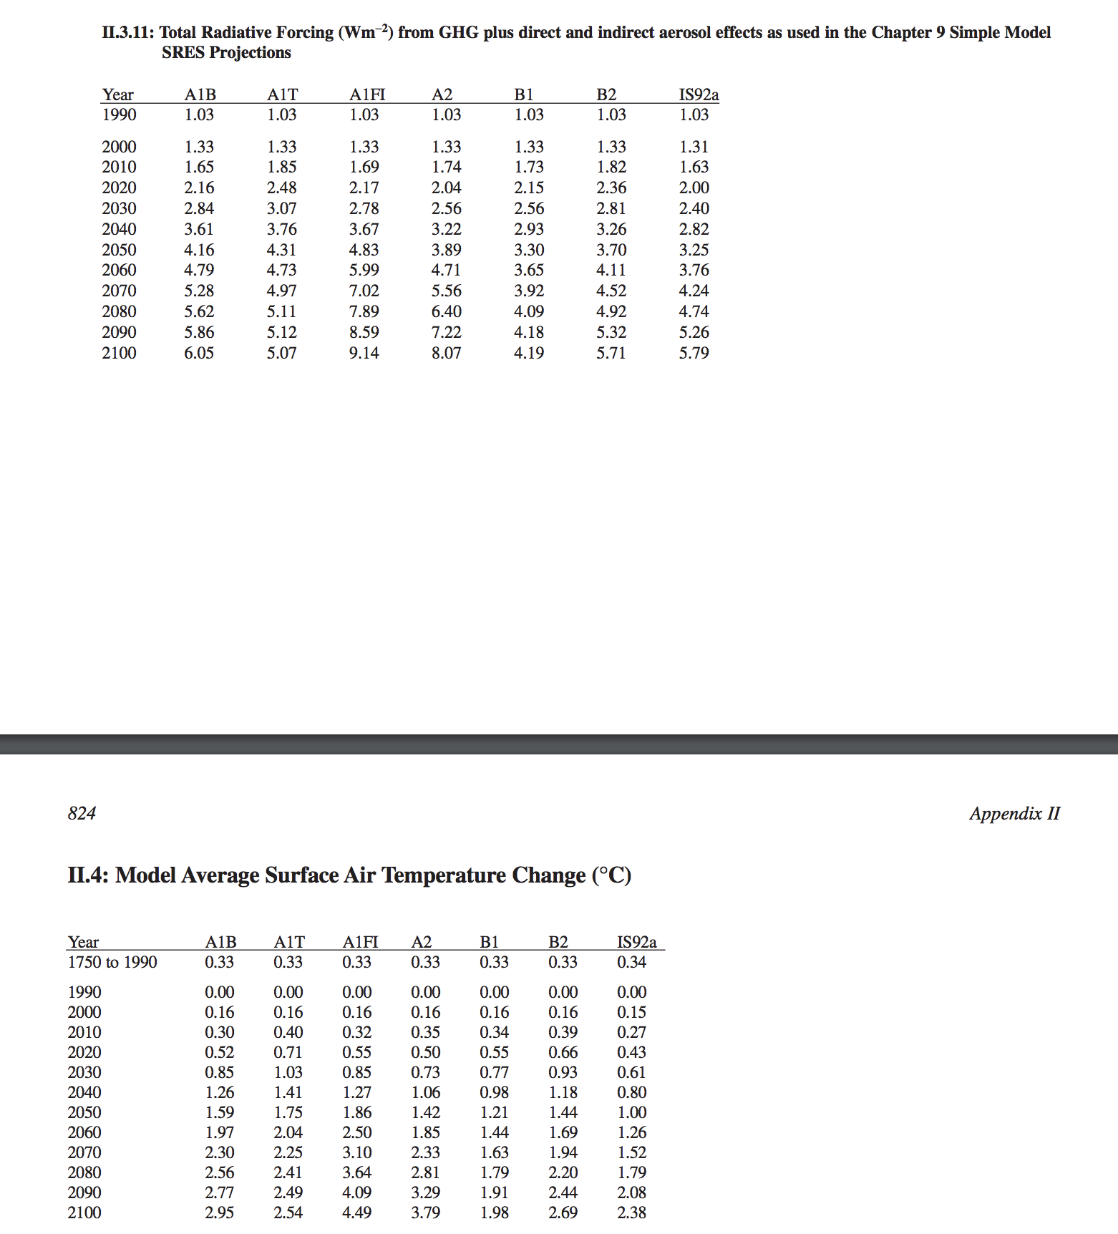
year | T A2 | F A2 | From TAR appendix, values for Chapter 9 simple model (EBM)
1990 | 0 | 1.03
2000 | 0.16 | 1.33
2010 | 0.35 | 1.74
2020 | 0.5 | 2.04
2030 | 0.73 | 2.56

IPCC TAR GCMs
...
Calculations based on data from http://www.ipcc-data.org | Year | EH4OPYC_SRES_B2_TS_1-1332 | EH4OPYC_SRES_A2_TS_1-1332 | CSIRO_SRES_B2_TS_1-1680 | CSIRO_SRES_B1_TS_1-1680 | CSIRO_SRES_A2_TS_1-1680 | CSIRO_SRES_A1_TS_1-1680 | GFDL_SRES_B2_TS_1-1680 | NCARCSM_SRES_A2_TS_1-1200 | NCARPCM_SRES_A1B_TS_1-1440 | HADCM3_B2_temp_1-1800 | HADCM3_A2_temp_1-1800 | HADCM3_A2b_temp_1-1680 | HADCM3_A2c_temp_1-2880 | CCSRNIES_SRES_A1FI_TS_1-2532 | CCSRNIES_SRES_B2_TS_1-2532 | CCSRNIES_SRES_B1_TS_1-2532 | CCSRNIES_SRES_A1T_TS_1-2532
TAR has three different classes of simulations: | 1853 | -999 | -999 | -999 | -999 | -999 | -999 | -999 | -999 | -999 | -999 | -999 | -999 | -999 | -999 | -999 | -999 | -999
 | 1854 | -999 | -999 | -999 | -999 | -999 | -999 | -999 | -999 | -999 | -999 | -999 | -999 | -999 | -999 | -999 | -999 | -999
1) CMIP2 simulations forced by 1% CO2, | 1855 | -999 | -999 | -999 | -999 | -999 | -999 | -999 | -999 | -999 | -999 | -999 | -999 | -999 | -999 | -999 | -999 | -999
2) IS92 simulations which run a hindcast forced by historial CO2 then forecast with 1% CO2, and | 1856 | -999 | -999 | -999 | -999 | -999 | -999 | -999 | -999 | -999 | -999 | -999 | -999 | -999 | -999 | -999 | -999 | -999
3) SRES simulations forced by the SRES scenarios (A1, B1, A2, B2) which prescribe emissions (see tables on pages 538-541 of TAR). My understanding is that the radiative forcing we're after is just the cumulative sum of these emissions which we can convert into radiative forcing using the empirical formulas in table 6.2. My interpretation of the IPCC DDC documentation and the text of the IPCC TAR is that these GCMs did not yet include any gas cycle processes and that instead the effects of gas cycles are investigated using a combination of offline gas cycle models and U/D EBMs. | 1857 | -999 | -999 | -999 | -999 | -999 | -999 | -999 | -999 | -999 | -999 | -999 | -999 | -999 | -999 | -999 | -999 | -999
 | 1858 | -999 | -999 | -999 | -999 | -999 | -999 | -999 | -999 | -999 | -999 | -999 | -999 | -999 | -999 | -999 | -999 | -999
Unfortunately, the IPCC DDC has only made the SRES simulation output available. I've tried to look elsewhere for the CMIP2 and IS92 output but cannot find it anywhere. | 1859 | -999 | -999 | -999 | -999 | -999 | -999 | -999 | -999 | -999 | -999 | -999 | -999 | -999 | -999 | -999 | -999 | -999
 | 1860 | -999 | -999 | -999 | -999 | -999 | -999 | -999 | -999 | -999 | -999 | -999 | -999 | 286.6101 | -999 | -999 | -999 | -999
I still have not looked into how to get the radiative forcing for aerosols for either SAR or TAR. | 1861 | -999 | -999 | -999 | -999 | -999 | -999 | -999 | -999 | -999 | -999 | -999 | -999 | 286.8096 | -999 | -999 | -999 | -999
 | 1862 | -999 | -999 | -999 | -999 | -999 | -999 | -999 | -999 | -999 | -999 | -999 | -999 | 286.7601 | -999 | -999 | -999 | -999
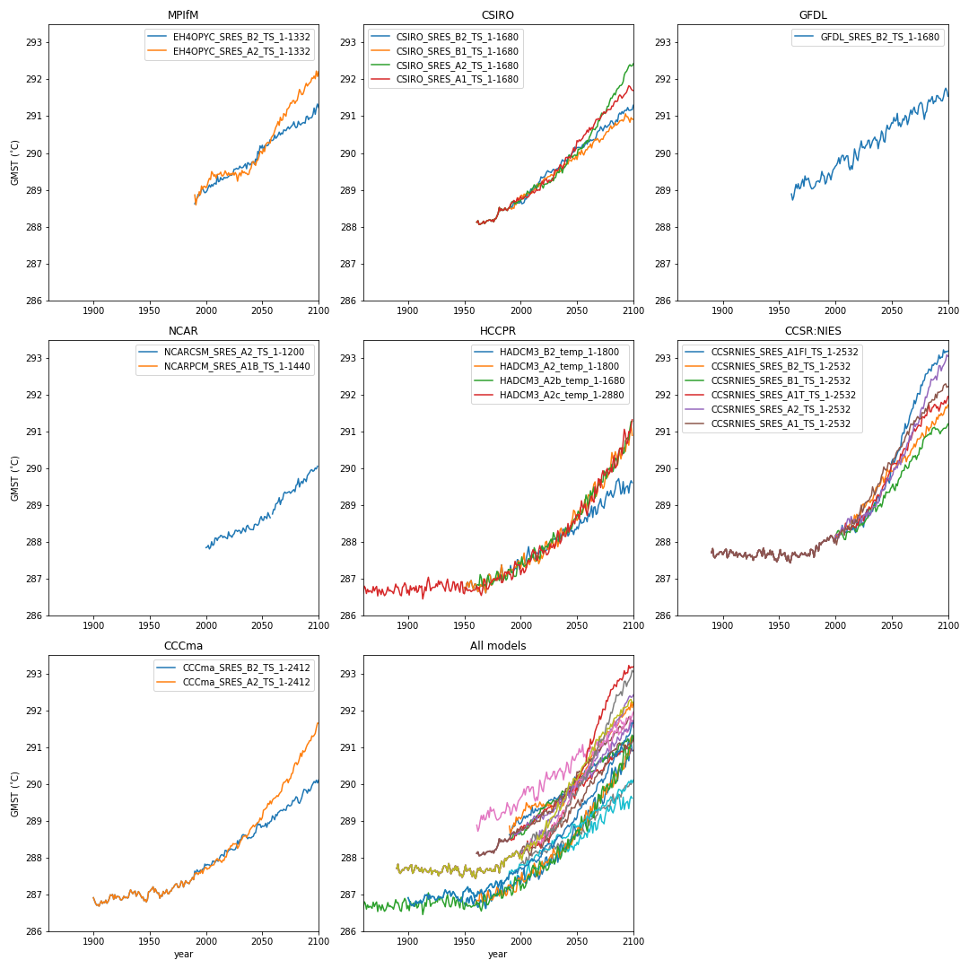
 | 1863 | -999 | -999 | -999 | -999 | -999 | -999 | -999 | -999 | -999 | -999 | -999 | -999 | 286.6073 | -999 | -999 | -999 | -999
 | 1864 | -999 | -999 | -999 | -999 | -999 | -999 | -999 | -999 | -999 | -999 | -999 | -999 | 286.7237 | -999 | -999 | -999 | -999
 | 1865 | -999 | -999 | -999 | -999 | -999 | -999 | -999 | -999 | -999 | -999 | -999 | -999 | 286.6493 | -999 | -999 | -999 | -999
 | 1866 | -999 | -999 | -999 | -999 | -999 | -999 | -999 | -999 | -999 | -999 | -999 | -999 | 286.6863 | -999 | -999 | -999 | -999
 | 1867 | -999 | -999 | -999 | -999 | -999 | -999 | -999 | -999 | -999 | -999 | -999 | -999 | 286.6644 | -999 | -999 | -999 | -999
 | 1868 | -999 | -999 | -999 | -999 | -999 | -999 | -999 | -999 | -999 | -999 | -999 | -999 | 286.629 | -999 | -999 | -999 | -999
 | 1869 | -999 | -999 | -999 | -999 | -999 | -999 | -999 | -999 | -999 | -999 | -999 | -999 | 286.7968 | -999 | -999 | -999 | -999
 | 1870 | -999 | -999 | -999 | -999 | -999 | -999 | -999 | -999 | -999 | -999 | -999 | -999 | 286.6763 | -999 | -999 | -999 | -999
 | 1871 | -999 | -999 | -999 | -999 | -999 | -999 | -999 | -999 | -999 | -999 | -999 | -999 | 286.7526 | -999 | -999 | -999 | -999
 | 1872 | -999 | -999 | -999 | -999 | -999 | -999 | -999 | -999 | -999 | -999 | -999 | -999 | 286.8018 | -999 | -999 | -999 | -999
 | 1873 | -999 | -999 | -999 | -999 | -999 | -999 | -999 | -999 | -999 | -999 | -999 | -999 | 286.5416 | -999 | -999 | -999 | -999
 | 1874 | -999 | -999 | -999 | -999 | -999 | -999 | -999 | -999 | -999 | -999 | -999 | -999 | 286.7205 | -999 | -999 | -999 | -999
 | 1875 | -999 | -999 | -999 | -999 | -999 | -999 | -999 | -999 | -999 | -999 | -999 | -999 | 286.6811 | -999 | -999 | -999 | -999
 | 1876 | -999 | -999 | -999 | -999 | -999 | -999 | -999 | -999 | -999 | -999 | -999 | -999 | 286.5809 | -999 | -999 | -999 | -999
 | 1877 | -999 | -999 | -999 | -999 | -999 | -999 | -999 | -999 | -999 | -999 | -999 | -999 | 286.7253 | -999 | -999 | -999 | -999
 | 1878 | -999 | -999 | -999 | -999 | -999 | -999 | -999 | -999 | -999 | -999 | -999 | -999 | 286.6289 | -999 | -999 | -999 | -999
 | 1879 | -999 | -999 | -999 | -999 | -999 | -999 | -999 | -999 | -999 | -999 | -999 | -999 | 286.5488 | -999 | -999 | -999 | -999
 | 1880 | -999 | -999 | -999 | -999 | -999 | -999 | -999 | -999 | -999 | -999 | -999 | -999 | 286.5831 | -999 | -999 | -999 | -999
 | 1881 | -999 | -999 | -999 | -999 | -999 | -999 | -999 | -999 | -999 | -999 | -999 | -999 | 286.6663 | -999 | -999 | -999 | -999
 | 1882 | -999 | -999 | -999 | -999 | -999 | -999 | -999 | -999 | -999 | -999 | -999 | -999 | 286.7863 | -999 | -999 | -999 | -999
 | 1883 | -999 | -999 | -999 | -999 | -999 | -999 | -999 | -999 | -999 | -999 | -999 | -999 | 286.6719 | -999 | -999 | -999 | -999
 | 1884 | -999 | -999 | -999 | -999 | -999 | -999 | -999 | -999 | -999 | -999 | -999 | -999 | 286.6993 | -999 | -999 | -999 | -999
 | 1885 | -999 | -999 | -999 | -999 | -999 | -999 | -999 | -999 | -999 | -999 | -999 | -999 | 286.6676 | -999 | -999 | -999 | -999
 | 1886 | -999 | -999 | -999 | -999 | -999 | -999 | -999 | -999 | -999 | -999 | -999 | -999 | 286.6585 | -999 | -999 | -999 | -999
 | 1887 | -999 | -999 | -999 | -999 | -999 | -999 | -999 | -999 | -999 | -999 | -999 | -999 | 286.6054 | -999 | -999 | -999 | -999
 | 1888 | -999 | -999 | -999 | -999 | -999 | -999 | -999 | -999 | -999 | -999 | -999 | -999 | 286.7273 | -999 | -999 | -999 | -999
 | 1889 | -999 | -999 | -999 | -999 | -999 | -999 | -999 | -999 | -999 | -999 | -999 | -999 | 286.8645 | -999 | -999 | -999 | -999
 | 1890 | -999 | -999 | -999 | -999 | -999 | -999 | -999 | -999 | -999 | -999 | -999 | -999 | 286.7752 | 287.7122 | 287.7122 | 287.7122 | 287.7122
 | 1891 | -999 | -999 | -999 | -999 | -999 | -999 | -999 | -999 | -999 | -999 | -999 | -999 | 286.7845 | 287.8271 | 287.8271 | 287.8271 | 287.8271
 | 1892 | -999 | -999 | -999 | -999 | -999 | -999 | -999 | -999 | -999 | -999 | -999 | -999 | 286.6862 | 287.6139 | 287.6139 | 287.6139 | 287.6139
 | 1893 | -999 | -999 | -999 | -999 | -999 | -999 | -999 | -999 | -999 | -999 | -999 | -999 | 286.5703 | 287.5772 | 287.5772 | 287.5772 | 287.5772
 | 1894 | -999 | -999 | -999 | -999 | -999 | -999 | -999 | -999 | -999 | -999 | -999 | -999 | 286.5464 | 287.6301 | 287.6301 | 287.6301 | 287.6301
 | 1895 | -999 | -999 | -999 | -999 | -999 | -999 | -999 | -999 | -999 | -999 | -999 | -999 | 286.7788 | 287.679 | 287.679 | 287.679 | 287.679
 | 1896 | -999 | -999 | -999 | -999 | -999 | -999 | -999 | -999 | -999 | -999 | -999 | -999 | 286.8121 | 287.6648 | 287.6648 | 287.6648 | 287.6648
 | 1897 | -999 | -999 | -999 | -999 | -999 | -999 | -999 | -999 | -999 | -999 | -999 | -999 | 286.8984 | 287.7256 | 287.7256 | 287.7256 | 287.7256
 | 1898 | -999 | -999 | -999 | -999 | -999 | -999 | -999 | -999 | -999 | -999 | -999 | -999 | 286.8357 | 287.7435 | 287.7435 | 287.7435 | 287.7435
 | 1899 | -999 | -999 | -999 | -999 | -999 | -999 | -999 | -999 | -999 | -999 | -999 | -999 | 286.6159 | 287.7316 | 287.7316 | 287.7316 | 287.7316
 | 1900 | -999 | -999 | -999 | -999 | -999 | -999 | -999 | -999 | -999 | -999 | -999 | -999 | 286.7046 | 287.6606 | 287.6606 | 287.6606 | 287.6606
 | 1901 | -999 | -999 | -999 | -999 | -999 | -999 | -999 | -999 | -999 | -999 | -999 | -999 | 286.5656 | 287.7215 | 287.7215 | 287.7215 | 287.7215
 | 1902 | -999 | -999 | -999 | -999 | -999 | -999 | -999 | -999 | -999 | -999 | -999 | -999 | 286.8172 | 287.783 | 287.783 | 287.783 | 287.783
 | 1903 | -999 | -999 | -999 | -999 | -999 | -999 | -999 | -999 | -999 | -999 | -999 | -999 | 286.6984 | 287.8126 | 287.8126 | 287.8126 | 287.8126
 | 1904 | -999 | -999 | -999 | -999 | -999 | -999 | -999 | -999 | -999 | -999 | -999 | -999 | 286.7473 | 287.5789 | 287.5789 | 287.5789 | 287.5789
 | 1905 | -999 | -999 | -999 | -999 | -999 | -999 | -999 | -999 | -999 | -999 | -999 | -999 | 286.7742 | 287.6245 | 287.6245 | 287.6245 | 287.6245
 | 1906 | -999 | -999 | -999 | -999 | -999 | -999 | -999 | -999 | -999 | -999 | -999 | -999 | 286.6785 | 287.7379 | 287.7379 | 287.7379 | 287.7379
 | 1907 | -999 | -999 | -999 | -999 | -999 | -999 | -999 | -999 | -999 | -999 | -999 | -999 | 286.8128 | 287.7933 | 287.7933 | 287.7933 | 287.7933
 | 1908 | -999 | -999 | -999 | -999 | -999 | -999 | -999 | -999 | -999 | -999 | -999 | -999 | 286.6379 | 287.7113 | 287.7113 | 287.7113 | 287.7113
 | 1909 | -999 | -999 | -999 | -999 | -999 | -999 | -999 | -999 | -999 | -999 | -999 | -999 | 286.6771 | 287.7332 | 287.7332 | 287.7332 | 287.7332
 | 1910 | -999 | -999 | -999 | -999 | -999 | -999 | -999 | -999 | -999 | -999 | -999 | -999 | 286.8231 | 287.642 | 287.642 | 287.642 | 287.642
 | 1911 | -999 | -999 | -999 | -999 | -999 | -999 | -999 | -999 | -999 | -999 | -999 | -999 | 286.7725 | 287.6347 | 287.6347 | 287.6347 | 287.6347
 | 1912 | -999 | -999 | -999 | -999 | -999 | -999 | -999 | -999 | -999 | -999 | -999 | -999 | 286.8119 | 287.7299 | 287.7299 | 287.7299 | 287.7299
 | 1913 | -999 | -999 | -999 | -999 | -999 | -999 | -999 | -999 | -999 | -999 | -999 | -999 | 286.4591 | 287.6008 | 287.6008 | 287.6008 | 287.6008
 | 1914 | -999 | -999 | -999 | -999 | -999 | -999 | -999 | -999 | -999 | -999 | -999 | -999 | 286.6074 | 287.6785 | 287.6785 | 287.6785 | 287.6785
 | 1915 | -999 | -999 | -999 | -999 | -999 | -999 | -999 | -999 | -999 | -999 | -999 | -999 | 286.7873 | 287.6992 | 287.6992 | 287.6992 | 287.6992
...

